NOP16 _multivariate
Reported by Tex Li-Hsing Chi. tex@gate.sinica.edu.tw 2019-08-17

Table 2. The clinicopathological features of HNSCC cohort and NOP16 expression. (Chi square test)
Cutoff at -0.567 (30.4%)
 |  | NOP16 expression |  | NOP16 expression |  | (Optimised)
 | Features | Low | (%) | High | (%) | Case no | P-value | Remark | Matthews
Gender | Female | 94 | 22.7 | 212 | 51.1 | 415 | 0.8854 | 0 | 0
2 | Male | 32 | 7.7 | 77 | 18.6
Age at diagnosis | <=65y | 91 | 21.9 | 183 | 44.1 | 415 | 0.0994 | 0 | 0
4 | >65y | 35 | 8.4 | 106 | 25.5
Clinical T Status | T1+T2 | 49 | 11.8 | 100 | 24.1 | 415 | 0.468 | 0 | 0
6 | T3+T4 | 77 | 18.6 | 189 | 45.5
Clinical N Status | N0 | 62 | 14.9 | 154 | 37.1 | 415 | 0.5103 | 0 | 0
8 | N1-3 | 64 | 15.4 | 135 | 32.5
Clinical M Status | M0 | 126 | 30.4 | 286 | 68.9 | 415 | 0.5566 | 0 | 0
10 | M1 | 0 | 0 | 3 | 0.7
Clinical Stage | Stage I+II | 32 | 7.7 | 70 | 16.9 | 415 | 0.8952 | 0 | 0
12 | Stage III+IV | 94 | 22.7 | 219 | 52.8
Surgical Margin status | Negative | 99 | 23.9 | 219 | 52.8 | 415 | 0.6142 | 0 | 0
14 | Positive | 27 | 6.5 | 70 | 16.9
Tobacco Exposure | Low | 55 | 13.3 | 106 | 25.5 | 415 | 0.1899 | 0 | 0
16 | High | 71 | 17.1 | 183 | 44.1

Table 3. Univariate/Multivariate Cox's proportional hazards regression analyses on OS time of NOP16 gene expression in HNSCC

 |  | Univariate |  |  |  | Multivariate
 | Features | HR | CI95%(L) | CI95%(H) | P-value | HR | CI95%(L) | CI95%(H) | P-value
1 | Female | 1 |  |  |  | 1
Gender | Male | 1.157 | 0.843 | 1.587 | 0.367 | 1.181 | 0.843 | 1.655 | 0.334
11 | <=65y | 1 |  |  |  | 1
Age at diagnosis | >65y | 1.329 | 0.99 | 1.784 | 0.058 | 1.358 | 0.997 | 1.849 | 0.052
12 | T1+T2 | 1 |  |  |  | 1
Clinical T Status | T3+T4 | 1.409 | 1.028 | 1.931 | 0.033 | 2.146 | 1.135 | 4.059 | 0.019
13 | N0 | 1 |  |  |  | 1
Clinical N Status | N1-3 | 1.185 | 0.89 | 1.577 | 0.246 | 1.239 | 0.869 | 1.768 | 0.237
14 | M0 | 1 |  |  |  | 1
Clinical M Status | M1 | 4.097 | 1.009 | 16.644 | 0.049 | 8.561 | 1.856 | 39.478 | 0.006
15 | Stage I+II | 1 |  |  |  | 1
Clinical Stage | Stage III+IV | 1.245 | 0.882 | 1.759 | 0.213 | 0.521 | 0.242 | 1.119 | 0.095
16 | Negative | 1 |  |  |  | 1
Surgical Margin status | Positive | 1.591 | 1.155 | 2.191 | 0.004 | 1.636 | 1.183 | 2.262 | 0.003
17 | Low | 1 |  |  |  | 1
Tobacco Exposure | High | 1.364 | 1.008 | 1.844 | 0.044 | 1.449 | 1.05 | 1.999 | 0.024
18 | Low | 1 |  |  |  | 1
RNAseq(z-score) | High | 1.386 | 1.01 | 1.903 | 0.043 | 1.237 | 0.895 | 1.71 | 0.198

Table 4. Univariate/Multivariate Cox's proportional hazards regression analyses on RFS time of NOP16 gene expression in HNSCC

 |  | Univariate |  |  |  | Multivariate
 | Features | HR | CI95%(L) | CI95%(H) | P-value | HR | CI95%(L) | CI95%(H) | P-value
1 | Female | 1 |  |  |  | 1
Gender | Male | 1.157 | 0.843 | 1.587 | 0.367 | 1.181 | 0.843 | 1.655 | 0.334
11 | <=65y | 1 |  |  |  | 1
Age at diagnosis | >65y | 1.329 | 0.99 | 1.784 | 0.058 | 1.358 | 0.997 | 1.849 | 0.052
12 | T1+T2 | 1 |  |  |  | 1
Clinical T Status | T3+T4 | 1.409 | 1.028 | 1.931 | 0.033 | 2.146 | 1.135 | 4.059 | 0.019
13 | N0 | 1 |  |  |  | 1
Clinical N Status | N1-3 | 1.185 | 0.89 | 1.577 | 0.246 | 1.239 | 0.869 | 1.768 | 0.237
14 | M0 | 1 |  |  |  | 1
Clinical M Status | M1 | 4.097 | 1.009 | 16.644 | 0.049 | 8.561 | 1.856 | 39.478 | 0.006
15 | Stage I+II | 1 |  |  |  | 1
Clinical Stage | Stage III+IV | 1.245 | 0.882 | 1.759 | 0.213 | 0.521 | 0.242 | 1.119 | 0.095
16 | Negative | 1 |  |  |  | 1
Surgical Margin status | Positive | 1.591 | 1.155 | 2.191 | 0.004 | 1.636 | 1.183 | 2.262 | 0.003
17 | Low | 1 |  |  |  | 1
Tobacco Exposure | High | 1.364 | 1.008 | 1.844 | 0.044 | 1.449 | 1.05 | 1.999 | 0.024
18 | Low | 1 |  |  |  | 1
RNAseq(z-score) | High | 1.386 | 1.01 | 1.903 | 0.043 | 1.237 | 0.895 | 1.71 | 0.198

Kaplan-Meier survival estimate: Cutoff at -0.567 (30.4%)



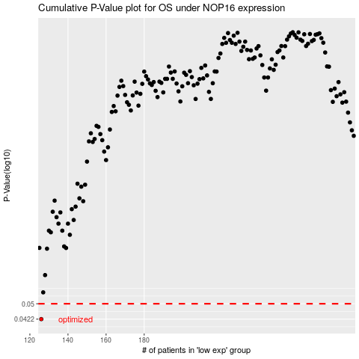

 |  |  |  |  |  | cases_OS | p_OS | rank | exp
 |  |  |  |  |  | 126 | 0.0422 | 67 | -0.56687415628
 |  |  |  |  |  |  | cases_RFS | p_RFS | rank | exp
 |  |  |  |  |  |  | 125 | 0.0422 | 245 | -0.56881243398

