NOP2 _multivariate
Reported by Tex Li-Hsing Chi. tex@gate.sinica.edu.tw 2019-08-17

Table 2. The clinicopathological features of HNSCC cohort and NOP2 expression. (Chi square test)
Cutoff at -0.122 (49.8%)
 |  | NOP2 expression |  | NOP2 expression |  | (Optimised)
 | Features | Low | (%) | High | (%) | Case no | P-value | Remark | Matthews
Gender | Female | 148 | 35.7 | 158 | 38.1 | 415 | 0.3567 | 0 | 0
2 | Male | 59 | 14.2 | 50 | 12
Age at diagnosis | <=65y | 135 | 32.5 | 139 | 33.5 | 415 | 0.8084 | 0 | 0
4 | >65y | 72 | 17.3 | 69 | 16.6
Clinical T Status | T1+T2 | 88 | 21.2 | 61 | 14.7 | 415 | 0.007 | 1 | 0
6 | T3+T4 | 119 | 28.7 | 147 | 35.4
Clinical N Status | N0 | 113 | 27.2 | 103 | 24.8 | 415 | 0.3495 | 1 | 0
8 | N1-3 | 94 | 22.7 | 105 | 25.3
Clinical M Status | M0 | 206 | 49.6 | 206 | 49.6 | 415 | 1 | 0 | 0
10 | M1 | 1 | 0.2 | 2 | 0.5
Clinical Stage | Stage I+II | 59 | 14.2 | 43 | 10.4 | 415 | 0.0822 | 0 | 0
12 | Stage III+IV | 148 | 35.7 | 165 | 39.8
Surgical Margin status | Negative | 158 | 38.1 | 160 | 38.6 | 415 | 0.9081 | 0 | 0
14 | Positive | 49 | 11.8 | 48 | 11.6
Tobacco Exposure | Low | 89 | 21.4 | 72 | 17.3 | 415 | 0.0872 | 0 | 0
16 | High | 118 | 28.4 | 136 | 32.8

Table 3. Univariate/Multivariate Cox's proportional hazards regression analyses on OS time of NOP2 gene expression in HNSCC

 |  | Univariate |  |  |  | Multivariate
 | Features | HR | CI95%(L) | CI95%(H) | P-value | HR | CI95%(L) | CI95%(H) | P-value
1 | Female | 1 |  |  |  | 1
Gender | Male | 1.157 | 0.843 | 1.587 | 0.367 | 1.201 | 0.86 | 1.678 | 0.283
11 | <=65y | 1 |  |  |  | 1
Age at diagnosis | >65y | 1.329 | 0.99 | 1.784 | 0.058 | 1.392 | 1.024 | 1.892 | 0.035
12 | T1+T2 | 1 |  |  |  | 1
Clinical T Status | T3+T4 | 1.409 | 1.028 | 1.931 | 0.033 | 2.214 | 1.165 | 4.21 | 0.015
13 | N0 | 1 |  |  |  | 1
Clinical N Status | N1-3 | 1.185 | 0.89 | 1.577 | 0.246 | 1.243 | 0.87 | 1.776 | 0.232
14 | M0 | 1 |  |  |  | 1
Clinical M Status | M1 | 4.097 | 1.009 | 16.644 | 0.049 | 9.462 | 2.058 | 43.496 | 0.004
15 | Stage I+II | 1 |  |  |  | 1
Clinical Stage | Stage III+IV | 1.245 | 0.882 | 1.759 | 0.213 | 0.502 | 0.233 | 1.082 | 0.079
16 | Negative | 1 |  |  |  | 1
Surgical Margin status | Positive | 1.591 | 1.155 | 2.191 | 0.004 | 1.673 | 1.21 | 2.313 | 0.002
17 | Low | 1 |  |  |  | 1
Tobacco Exposure | High | 1.364 | 1.008 | 1.844 | 0.044 | 1.454 | 1.055 | 2.003 | 0.022
18 | Low | 1 |  |  |  | 1
RNAseq(z-score) | High | 1.095 | 0.821 | 1.461 | 0.535 | 0.982 | 0.733 | 1.314 | 0.9

Table 4. Univariate/Multivariate Cox's proportional hazards regression analyses on RFS time of NOP2 gene expression in HNSCC

 |  | Univariate |  |  |  | Multivariate
 | Features | HR | CI95%(L) | CI95%(H) | P-value | HR | CI95%(L) | CI95%(H) | P-value
1 | Female | 1 |  |  |  | 1
Gender | Male | 1.157 | 0.843 | 1.587 | 0.367 | 1.201 | 0.86 | 1.678 | 0.283
11 | <=65y | 1 |  |  |  | 1
Age at diagnosis | >65y | 1.329 | 0.99 | 1.784 | 0.058 | 1.392 | 1.024 | 1.892 | 0.035
12 | T1+T2 | 1 |  |  |  | 1
Clinical T Status | T3+T4 | 1.409 | 1.028 | 1.931 | 0.033 | 2.214 | 1.165 | 4.21 | 0.015
13 | N0 | 1 |  |  |  | 1
Clinical N Status | N1-3 | 1.185 | 0.89 | 1.577 | 0.246 | 1.243 | 0.87 | 1.776 | 0.232
14 | M0 | 1 |  |  |  | 1
Clinical M Status | M1 | 4.097 | 1.009 | 16.644 | 0.049 | 9.462 | 2.058 | 43.496 | 0.004
15 | Stage I+II | 1 |  |  |  | 1
Clinical Stage | Stage III+IV | 1.245 | 0.882 | 1.759 | 0.213 | 0.502 | 0.233 | 1.082 | 0.079
16 | Negative | 1 |  |  |  | 1
Surgical Margin status | Positive | 1.591 | 1.155 | 2.191 | 0.004 | 1.673 | 1.21 | 2.313 | 0.002
17 | Low | 1 |  |  |  | 1
Tobacco Exposure | High | 1.364 | 1.008 | 1.844 | 0.044 | 1.454 | 1.055 | 2.003 | 0.022
18 | Low | 1 |  |  |  | 1
RNAseq(z-score) | High | 1.095 | 0.821 | 1.461 | 0.535 | 0.982 | 0.733 | 1.314 | 0.9

Kaplan-Meier survival estimate: Cutoff at -0.122 (49.8%)



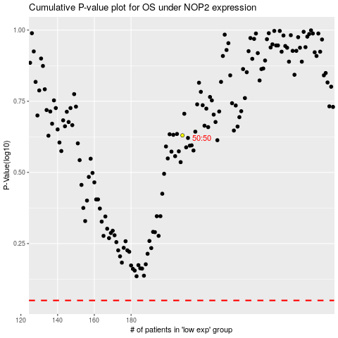

 |  |  |  |  |  | cases_OS | p_OS | rank | exp
 |  |  |  |  |  |  | cases_RFS | p_RFS | rank | exp

