NOP58 _multivariate
Reported by Tex Li-Hsing Chi. tex@gate.sinica.edu.tw 2019-08-17

Table 2. The clinicopathological features of HNSCC cohort and NOP58 expression. (Chi square test)
Cutoff at 0.268 (69.3%)
 |  | NOP58 expression |  | NOP58 expression |  | (Optimised)
 | Features | Low | (%) | High | (%) | Case no | P-value | Remark | Matthews
Gender | Female | 212 | 51.1 | 94 | 22.7 | 415 | 1 | 0 | 0
2 | Male | 76 | 18.3 | 33 | 8
Age at diagnosis | <=65y | 189 | 45.5 | 85 | 20.5 | 415 | 0.8839 | 0 | 0
4 | >65y | 99 | 23.9 | 42 | 10.1
Clinical T Status | T1+T2 | 100 | 24.1 | 49 | 11.8 | 415 | 0.5193 | 0 | 0
6 | T3+T4 | 188 | 45.3 | 78 | 18.8
Clinical N Status | N0 | 155 | 37.3 | 61 | 14.7 | 415 | 0.3266 | 0 | 0
8 | N1-3 | 133 | 32 | 66 | 15.9
Clinical M Status | M0 | 288 | 69.4 | 124 | 29.9 | 415 | 0.0282 | 1 | 0
10 | M1 | 0 | 0 | 3 | 0.7
Clinical Stage | Stage I+II | 69 | 16.6 | 33 | 8 | 415 | 0.7505 | 0 | 0
12 | Stage III+IV | 219 | 52.8 | 94 | 22.7
Surgical Margin status | Negative | 228 | 54.9 | 90 | 21.7 | 415 | 0.0779 | 0 | 0
14 | Positive | 60 | 14.5 | 37 | 8.9
Tobacco Exposure | Low | 118 | 28.4 | 43 | 10.4 | 415 | 0.1902 | 0 | 0
16 | High | 170 | 41 | 84 | 20.2

Table 3. Univariate/Multivariate Cox's proportional hazards regression analyses on OS time of NOP58 gene expression in HNSCC

 |  | Univariate |  |  |  | Multivariate
 | Features | HR | CI95%(L) | CI95%(H) | P-value | HR | CI95%(L) | CI95%(H) | P-value
1 | Female | 1 |  |  |  | 1
Gender | Male | 1.157 | 0.843 | 1.587 | 0.367 | 1.197 | 0.856 | 1.674 | 0.293
11 | <=65y | 1 |  |  |  | 1
Age at diagnosis | >65y | 1.329 | 0.99 | 1.784 | 0.058 | 1.381 | 1.015 | 1.879 | 0.04
12 | T1+T2 | 1 |  |  |  | 1
Clinical T Status | T3+T4 | 1.409 | 1.028 | 1.931 | 0.033 | 2.128 | 1.122 | 4.036 | 0.021
13 | N0 | 1 |  |  |  | 1
Clinical N Status | N1-3 | 1.185 | 0.89 | 1.577 | 0.246 | 1.22 | 0.854 | 1.744 | 0.275
14 | M0 | 1 |  |  |  | 1
Clinical M Status | M1 | 4.097 | 1.009 | 16.644 | 0.049 | 8.122 | 1.732 | 38.09 | 0.008
15 | Stage I+II | 1 |  |  |  | 1
Clinical Stage | Stage III+IV | 1.245 | 0.882 | 1.759 | 0.213 | 0.53 | 0.246 | 1.143 | 0.106
16 | Negative | 1 |  |  |  | 1
Surgical Margin status | Positive | 1.591 | 1.155 | 2.191 | 0.004 | 1.626 | 1.173 | 2.256 | 0.004
17 | Low | 1 |  |  |  | 1
Tobacco Exposure | High | 1.364 | 1.008 | 1.844 | 0.044 | 1.455 | 1.055 | 2.007 | 0.022
18 | Low | 1 |  |  |  | 1
RNAseq(z-score) | High | 1.362 | 1.002 | 1.852 | 0.048 | 1.188 | 0.865 | 1.633 | 0.287

Table 4. Univariate/Multivariate Cox's proportional hazards regression analyses on RFS time of NOP58 gene expression in HNSCC

 |  | Univariate |  |  |  | Multivariate
 | Features | HR | CI95%(L) | CI95%(H) | P-value | HR | CI95%(L) | CI95%(H) | P-value
1 | Female | 1 |  |  |  | 1
Gender | Male | 1.157 | 0.843 | 1.587 | 0.367 | 1.197 | 0.856 | 1.674 | 0.293
11 | <=65y | 1 |  |  |  | 1
Age at diagnosis | >65y | 1.329 | 0.99 | 1.784 | 0.058 | 1.381 | 1.015 | 1.879 | 0.04
12 | T1+T2 | 1 |  |  |  | 1
Clinical T Status | T3+T4 | 1.409 | 1.028 | 1.931 | 0.033 | 2.128 | 1.122 | 4.036 | 0.021
13 | N0 | 1 |  |  |  | 1
Clinical N Status | N1-3 | 1.185 | 0.89 | 1.577 | 0.246 | 1.22 | 0.854 | 1.744 | 0.275
14 | M0 | 1 |  |  |  | 1
Clinical M Status | M1 | 4.097 | 1.009 | 16.644 | 0.049 | 8.122 | 1.732 | 38.09 | 0.008
15 | Stage I+II | 1 |  |  |  | 1
Clinical Stage | Stage III+IV | 1.245 | 0.882 | 1.759 | 0.213 | 0.53 | 0.246 | 1.143 | 0.106
16 | Negative | 1 |  |  |  | 1
Surgical Margin status | Positive | 1.591 | 1.155 | 2.191 | 0.004 | 1.626 | 1.173 | 2.256 | 0.004
17 | Low | 1 |  |  |  | 1
Tobacco Exposure | High | 1.364 | 1.008 | 1.844 | 0.044 | 1.455 | 1.055 | 2.007 | 0.022
18 | Low | 1 |  |  |  | 1
RNAseq(z-score) | High | 1.362 | 1.002 | 1.852 | 0.048 | 1.188 | 0.865 | 1.633 | 0.287

Kaplan-Meier survival estimate: Cutoff at 0.268 (69.3%)



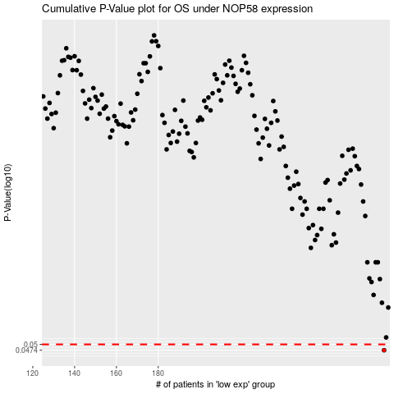

 |  |  |  |  |  | cases_OS | p_OS | rank | exp
 |  |  |  |  |  | 288 | 0.0474 | 240 | 0.26842666717
 |  |  |  |  |  |  | cases_RFS | p_RFS | rank | exp
 |  |  |  |  |  |  | 287 | 0.0474 | 272 | 0.2663259797

