NOS1AP _multivariate
Reported by Tex Li-Hsing Chi. tex@gate.sinica.edu.tw 2019-08-17

Table 2. The clinicopathological features of HNSCC cohort and NOS1AP expression. (Chi square test)
Cutoff at -0.331 (49.8%)
 |  | NOS1AP expression |  | NOS1AP expression |  | (Optimised)
 | Features | Low | (%) | High | (%) | Case no | P-value | Remark | Matthews
Gender | Female | 146 | 35.2 | 160 | 38.6 | 415 | 0.1714 | 0 | 0
2 | Male | 61 | 14.7 | 48 | 11.6
Age at diagnosis | <=65y | 145 | 34.9 | 129 | 31.1 | 415 | 0.1046 | 0 | 0
4 | >65y | 62 | 14.9 | 79 | 19
Clinical T Status | T1+T2 | 89 | 21.4 | 60 | 14.5 | 415 | 0.0037 | 1 | 0
6 | T3+T4 | 118 | 28.4 | 148 | 35.7
Clinical N Status | N0 | 106 | 25.5 | 110 | 26.5 | 415 | 0.8075 | 0 | 0
8 | N1-3 | 101 | 24.3 | 98 | 23.6
Clinical M Status | M0 | 204 | 49.2 | 208 | 50.1 | 415 | 0.1232 | 0 | 0
10 | M1 | 3 | 0.7 | 0 | 0
Clinical Stage | Stage I+II | 62 | 14.9 | 40 | 9.6 | 415 | 0.0154 | 1 | 0
12 | Stage III+IV | 145 | 34.9 | 168 | 40.5
Surgical Margin status | Negative | 161 | 38.8 | 157 | 37.8 | 415 | 0.6429 | 0 | 0
14 | Positive | 46 | 11.1 | 51 | 12.3
Tobacco Exposure | Low | 87 | 21 | 74 | 17.8 | 415 | 0.1911 | 0 | 0
16 | High | 120 | 28.9 | 134 | 32.3

Table 3. Univariate/Multivariate Cox's proportional hazards regression analyses on OS time of NOS1AP gene expression in HNSCC

 |  | Univariate |  |  |  | Multivariate
 | Features | HR | CI95%(L) | CI95%(H) | P-value | HR | CI95%(L) | CI95%(H) | P-value
1 | Female | 1 |  |  |  | 1
Gender | Male | 1.157 | 0.843 | 1.587 | 0.367 | 1.178 | 0.842 | 1.65 | 0.339
11 | <=65y | 1 |  |  |  | 1
Age at diagnosis | >65y | 1.329 | 0.99 | 1.784 | 0.058 | 1.415 | 1.039 | 1.927 | 0.028
12 | T1+T2 | 1 |  |  |  | 1
Clinical T Status | T3+T4 | 1.409 | 1.028 | 1.931 | 0.033 | 2.226 | 1.177 | 4.21 | 0.014
13 | N0 | 1 |  |  |  | 1
Clinical N Status | N1-3 | 1.185 | 0.89 | 1.577 | 0.246 | 1.231 | 0.863 | 1.755 | 0.252
14 | M0 | 1 |  |  |  | 1
Clinical M Status | M1 | 4.097 | 1.009 | 16.644 | 0.049 | 8.8 | 1.908 | 40.577 | 0.005
15 | Stage I+II | 1 |  |  |  | 1
Clinical Stage | Stage III+IV | 1.245 | 0.882 | 1.759 | 0.213 | 0.517 | 0.24 | 1.111 | 0.091
16 | Negative | 1 |  |  |  | 1
Surgical Margin status | Positive | 1.591 | 1.155 | 2.191 | 0.004 | 1.679 | 1.216 | 2.32 | 0.002
17 | Low | 1 |  |  |  | 1
Tobacco Exposure | High | 1.364 | 1.008 | 1.844 | 0.044 | 1.469 | 1.065 | 2.026 | 0.019
18 | Low | 1 |  |  |  | 1
RNAseq(z-score) | High | 0.947 | 0.711 | 1.261 | 0.71 | 0.866 | 0.642 | 1.169 | 0.348

Table 4. Univariate/Multivariate Cox's proportional hazards regression analyses on RFS time of NOS1AP gene expression in HNSCC

 |  | Univariate |  |  |  | Multivariate
 | Features | HR | CI95%(L) | CI95%(H) | P-value | HR | CI95%(L) | CI95%(H) | P-value
1 | Female | 1 |  |  |  | 1
Gender | Male | 1.157 | 0.843 | 1.587 | 0.367 | 1.178 | 0.842 | 1.65 | 0.339
11 | <=65y | 1 |  |  |  | 1
Age at diagnosis | >65y | 1.329 | 0.99 | 1.784 | 0.058 | 1.415 | 1.039 | 1.927 | 0.028
12 | T1+T2 | 1 |  |  |  | 1
Clinical T Status | T3+T4 | 1.409 | 1.028 | 1.931 | 0.033 | 2.226 | 1.177 | 4.21 | 0.014
13 | N0 | 1 |  |  |  | 1
Clinical N Status | N1-3 | 1.185 | 0.89 | 1.577 | 0.246 | 1.231 | 0.863 | 1.755 | 0.252
14 | M0 | 1 |  |  |  | 1
Clinical M Status | M1 | 4.097 | 1.009 | 16.644 | 0.049 | 8.8 | 1.908 | 40.577 | 0.005
15 | Stage I+II | 1 |  |  |  | 1
Clinical Stage | Stage III+IV | 1.245 | 0.882 | 1.759 | 0.213 | 0.517 | 0.24 | 1.111 | 0.091
16 | Negative | 1 |  |  |  | 1
Surgical Margin status | Positive | 1.591 | 1.155 | 2.191 | 0.004 | 1.679 | 1.216 | 2.32 | 0.002
17 | Low | 1 |  |  |  | 1
Tobacco Exposure | High | 1.364 | 1.008 | 1.844 | 0.044 | 1.469 | 1.065 | 2.026 | 0.019
18 | Low | 1 |  |  |  | 1
RNAseq(z-score) | High | 0.947 | 0.711 | 1.261 | 0.71 | 0.866 | 0.642 | 1.169 | 0.348

Kaplan-Meier survival estimate: Cutoff at -0.331 (49.8%)



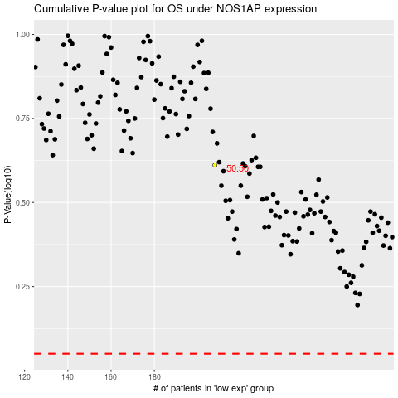

 |  |  |  |  |  | cases_OS | p_OS | rank | exp
 |  |  |  |  |  |  | cases_RFS | p_RFS | rank | exp

