NOS3 _multivariate
Reported by Tex Li-Hsing Chi. tex@gate.sinica.edu.tw 2019-08-17

Table 2. The clinicopathological features of HNSCC cohort and NOS3 expression. (Chi square test)
Cutoff at -0.221 (52.4%)
 |  | NOS3 expression |  | NOS3 expression |  | (Optimised)
 | Features | Low | (%) | High | (%) | Case no | P-value | Remark | Matthews
Gender | Female | 163 | 39.3 | 143 | 34.5 | 415 | 0.6946 | 0 | 0
2 | Male | 55 | 13.3 | 54 | 13
Age at diagnosis | <=65y | 147 | 35.4 | 127 | 30.6 | 415 | 0.5941 | 0 | 0
4 | >65y | 71 | 17.1 | 70 | 16.9
Clinical T Status | T1+T2 | 79 | 19 | 70 | 16.9 | 415 | 0.9624 | 0 | 0
6 | T3+T4 | 139 | 33.5 | 127 | 30.6
Clinical N Status | N0 | 108 | 26 | 108 | 26 | 415 | 0.3286 | 0 | 0
8 | N1-3 | 110 | 26.5 | 89 | 21.4
Clinical M Status | M0 | 215 | 51.8 | 197 | 47.5 | 415 | 0.2501 | 0 | 0
10 | M1 | 3 | 0.7 | 0 | 0
Clinical Stage | Stage I+II | 49 | 11.8 | 53 | 12.8 | 415 | 0.3515 | 0 | 0
12 | Stage III+IV | 169 | 40.7 | 144 | 34.7
Surgical Margin status | Negative | 167 | 40.2 | 151 | 36.4 | 415 | 1 | 0 | 0
14 | Positive | 51 | 12.3 | 46 | 11.1
Tobacco Exposure | Low | 87 | 21 | 74 | 17.8 | 415 | 0.6867 | 0 | 0
16 | High | 131 | 31.6 | 123 | 29.6

Table 3. Univariate/Multivariate Cox's proportional hazards regression analyses on OS time of NOS3 gene expression in HNSCC

 |  | Univariate |  |  |  | Multivariate
 | Features | HR | CI95%(L) | CI95%(H) | P-value | HR | CI95%(L) | CI95%(H) | P-value
1 | Female | 1 |  |  |  | 1
Gender | Male | 1.157 | 0.843 | 1.587 | 0.367 | 1.184 | 0.847 | 1.655 | 0.322
11 | <=65y | 1 |  |  |  | 1
Age at diagnosis | >65y | 1.329 | 0.99 | 1.784 | 0.058 | 1.404 | 1.034 | 1.906 | 0.03
12 | T1+T2 | 1 |  |  |  | 1
Clinical T Status | T3+T4 | 1.409 | 1.028 | 1.931 | 0.033 | 2.348 | 1.238 | 4.452 | 0.009
13 | N0 | 1 |  |  |  | 1
Clinical N Status | N1-3 | 1.185 | 0.89 | 1.577 | 0.246 | 1.254 | 0.88 | 1.787 | 0.211
14 | M0 | 1 |  |  |  | 1
Clinical M Status | M1 | 4.097 | 1.009 | 16.644 | 0.049 | 8.58 | 1.868 | 39.415 | 0.006
15 | Stage I+II | 1 |  |  |  | 1
Clinical Stage | Stage III+IV | 1.245 | 0.882 | 1.759 | 0.213 | 0.462 | 0.215 | 0.996 | 0.049
16 | Negative | 1 |  |  |  | 1
Surgical Margin status | Positive | 1.591 | 1.155 | 2.191 | 0.004 | 1.694 | 1.225 | 2.342 | 0.001
17 | Low | 1 |  |  |  | 1
Tobacco Exposure | High | 1.364 | 1.008 | 1.844 | 0.044 | 1.487 | 1.078 | 2.052 | 0.016
18 | Low | 1 |  |  |  | 1
RNAseq(z-score) | High | 0.74 | 0.553 | 0.99 | 0.043 | 0.707 | 0.527 | 0.95 | 0.021

Table 4. Univariate/Multivariate Cox's proportional hazards regression analyses on RFS time of NOS3 gene expression in HNSCC

 |  | Univariate |  |  |  | Multivariate
 | Features | HR | CI95%(L) | CI95%(H) | P-value | HR | CI95%(L) | CI95%(H) | P-value
1 | Female | 1 |  |  |  | 1
Gender | Male | 1.157 | 0.843 | 1.587 | 0.367 | 1.184 | 0.847 | 1.655 | 0.322
11 | <=65y | 1 |  |  |  | 1
Age at diagnosis | >65y | 1.329 | 0.99 | 1.784 | 0.058 | 1.404 | 1.034 | 1.906 | 0.03
12 | T1+T2 | 1 |  |  |  | 1
Clinical T Status | T3+T4 | 1.409 | 1.028 | 1.931 | 0.033 | 2.348 | 1.238 | 4.452 | 0.009
13 | N0 | 1 |  |  |  | 1
Clinical N Status | N1-3 | 1.185 | 0.89 | 1.577 | 0.246 | 1.254 | 0.88 | 1.787 | 0.211
14 | M0 | 1 |  |  |  | 1
Clinical M Status | M1 | 4.097 | 1.009 | 16.644 | 0.049 | 8.58 | 1.868 | 39.415 | 0.006
15 | Stage I+II | 1 |  |  |  | 1
Clinical Stage | Stage III+IV | 1.245 | 0.882 | 1.759 | 0.213 | 0.462 | 0.215 | 0.996 | 0.049
16 | Negative | 1 |  |  |  | 1
Surgical Margin status | Positive | 1.591 | 1.155 | 2.191 | 0.004 | 1.694 | 1.225 | 2.342 | 0.001
17 | Low | 1 |  |  |  | 1
Tobacco Exposure | High | 1.364 | 1.008 | 1.844 | 0.044 | 1.487 | 1.078 | 2.052 | 0.016
18 | Low | 1 |  |  |  | 1
RNAseq(z-score) | High | 0.74 | 0.553 | 0.99 | 0.043 | 0.707 | 0.527 | 0.95 | 0.021

Kaplan-Meier survival estimate: Cutoff at -0.221 (52.4%)



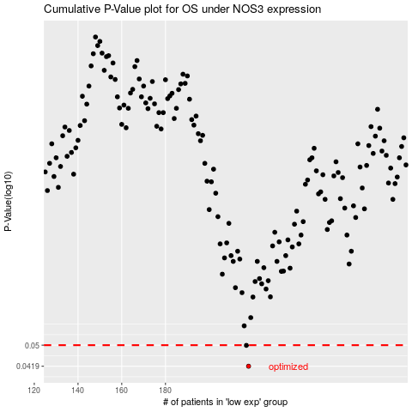

 |  |  |  |  |  | cases_OS | p_OS | rank | exp
 |  |  |  |  |  | 218 | 0.0419 | 183 | -0.22106583071
 |  |  |  |  |  | 217 | 0.0499 | 323 | -0.22328208169
 |  |  |  |  |  |  | cases_RFS | p_RFS | rank | exp
 |  |  |  |  |  |  | 217 | 0.0419 | 323 | -0.22328208169
 |  |  |  |  |  |  | 216 | 0.0499 | 87 | -0.22539100916

