NOSIP _multivariate
Reported by Tex Li-Hsing Chi. tex@gate.sinica.edu.tw 2019-08-17

Table 2. The clinicopathological features of HNSCC cohort and NOSIP expression. (Chi square test)
Cutoff at -0.238 (50.0%)
 |  | NOSIP expression |  | NOSIP expression |  | (Optimised)
 | Features | Low | (%) | High | (%) | Case no | P-value | Remark | Matthews
Gender | Female | 153 | 36.9 | 153 | 36.9 | 415 | 1 | 0 | 0
2 | Male | 54 | 13 | 55 | 13.3
Age at diagnosis | <=65y | 146 | 35.2 | 128 | 30.8 | 415 | 0.0672 | 0 | 0
4 | >65y | 61 | 14.7 | 80 | 19.3
Clinical T Status | T1+T2 | 80 | 19.3 | 69 | 16.6 | 415 | 0.2891 | 0 | 0
6 | T3+T4 | 127 | 30.6 | 139 | 33.5
Clinical N Status | N0 | 111 | 26.7 | 105 | 25.3 | 415 | 0.5875 | 0 | 0
8 | N1-3 | 96 | 23.1 | 103 | 24.8
Clinical M Status | M0 | 206 | 49.6 | 206 | 49.6 | 415 | 1 | 0 | 0
10 | M1 | 1 | 0.2 | 2 | 0.5
Clinical Stage | Stage I+II | 53 | 12.8 | 49 | 11.8 | 415 | 0.7113 | 0 | 0
12 | Stage III+IV | 154 | 37.1 | 159 | 38.3
Surgical Margin status | Negative | 162 | 39 | 156 | 37.6 | 415 | 0.4867 | 0 | 0
14 | Positive | 45 | 10.8 | 52 | 12.5
Tobacco Exposure | Low | 76 | 18.3 | 85 | 20.5 | 415 | 0.4207 | 0 | 0
16 | High | 131 | 31.6 | 123 | 29.6

Table 3. Univariate/Multivariate Cox's proportional hazards regression analyses on OS time of NOSIP gene expression in HNSCC

 |  | Univariate |  |  |  | Multivariate
 | Features | HR | CI95%(L) | CI95%(H) | P-value | HR | CI95%(L) | CI95%(H) | P-value
1 | Female | 1 |  |  |  | 1
Gender | Male | 1.157 | 0.843 | 1.587 | 0.367 | 1.206 | 0.864 | 1.684 | 0.271
11 | <=65y | 1 |  |  |  | 1
Age at diagnosis | >65y | 1.329 | 0.99 | 1.784 | 0.058 | 1.405 | 1.031 | 1.913 | 0.031
12 | T1+T2 | 1 |  |  |  | 1
Clinical T Status | T3+T4 | 1.409 | 1.028 | 1.931 | 0.033 | 2.222 | 1.174 | 4.206 | 0.014
13 | N0 | 1 |  |  |  | 1
Clinical N Status | N1-3 | 1.185 | 0.89 | 1.577 | 0.246 | 1.261 | 0.879 | 1.81 | 0.207
14 | M0 | 1 |  |  |  | 1
Clinical M Status | M1 | 4.097 | 1.009 | 16.644 | 0.049 | 9.673 | 2.103 | 44.494 | 0.004
15 | Stage I+II | 1 |  |  |  | 1
Clinical Stage | Stage III+IV | 1.245 | 0.882 | 1.759 | 0.213 | 0.496 | 0.231 | 1.068 | 0.073
16 | Negative | 1 |  |  |  | 1
Surgical Margin status | Positive | 1.591 | 1.155 | 2.191 | 0.004 | 1.678 | 1.214 | 2.32 | 0.002
17 | Low | 1 |  |  |  | 1
Tobacco Exposure | High | 1.364 | 1.008 | 1.844 | 0.044 | 1.45 | 1.053 | 1.996 | 0.023
18 | Low | 1 |  |  |  | 1
RNAseq(z-score) | High | 1.043 | 0.783 | 1.39 | 0.773 | 0.924 | 0.688 | 1.242 | 0.601

Table 4. Univariate/Multivariate Cox's proportional hazards regression analyses on RFS time of NOSIP gene expression in HNSCC

 |  | Univariate |  |  |  | Multivariate
 | Features | HR | CI95%(L) | CI95%(H) | P-value | HR | CI95%(L) | CI95%(H) | P-value
1 | Female | 1 |  |  |  | 1
Gender | Male | 1.157 | 0.843 | 1.587 | 0.367 | 1.206 | 0.864 | 1.684 | 0.271
11 | <=65y | 1 |  |  |  | 1
Age at diagnosis | >65y | 1.329 | 0.99 | 1.784 | 0.058 | 1.405 | 1.031 | 1.913 | 0.031
12 | T1+T2 | 1 |  |  |  | 1
Clinical T Status | T3+T4 | 1.409 | 1.028 | 1.931 | 0.033 | 2.222 | 1.174 | 4.206 | 0.014
13 | N0 | 1 |  |  |  | 1
Clinical N Status | N1-3 | 1.185 | 0.89 | 1.577 | 0.246 | 1.261 | 0.879 | 1.81 | 0.207
14 | M0 | 1 |  |  |  | 1
Clinical M Status | M1 | 4.097 | 1.009 | 16.644 | 0.049 | 9.673 | 2.103 | 44.494 | 0.004
15 | Stage I+II | 1 |  |  |  | 1
Clinical Stage | Stage III+IV | 1.245 | 0.882 | 1.759 | 0.213 | 0.496 | 0.231 | 1.068 | 0.073
16 | Negative | 1 |  |  |  | 1
Surgical Margin status | Positive | 1.591 | 1.155 | 2.191 | 0.004 | 1.678 | 1.214 | 2.32 | 0.002
17 | Low | 1 |  |  |  | 1
Tobacco Exposure | High | 1.364 | 1.008 | 1.844 | 0.044 | 1.45 | 1.053 | 1.996 | 0.023
18 | Low | 1 |  |  |  | 1
RNAseq(z-score) | High | 1.043 | 0.783 | 1.39 | 0.773 | 0.924 | 0.688 | 1.242 | 0.601

Kaplan-Meier survival estimate: Cutoff at -0.238 (50.0%)



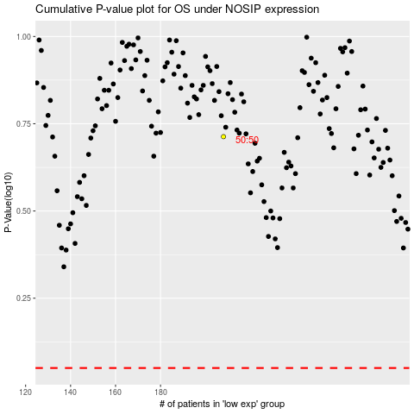

 |  |  |  |  |  | cases_OS | p_OS | rank | exp
 |  |  |  |  |  |  | cases_RFS | p_RFS | rank | exp

