NOTCH1 _multivariate
Reported by Tex Li-Hsing Chi. tex@gate.sinica.edu.tw 2019-08-17

Table 2. The clinicopathological features of HNSCC cohort and NOTCH1 expression. (Chi square test)
Cutoff at -0.23 (49.8%)
 |  | NOTCH1 expression |  | NOTCH1 expression |  | (Optimised)
 | Features | Low | (%) | High | (%) | Case no | P-value | Remark | Matthews
Gender | Female | 147 | 35.4 | 159 | 38.3 | 415 | 0.2523 | 0 | 0
2 | Male | 60 | 14.5 | 49 | 11.8
Age at diagnosis | <=65y | 139 | 33.5 | 135 | 32.5 | 415 | 0.7044 | 0 | 0
4 | >65y | 68 | 16.4 | 73 | 17.6
Clinical T Status | T1+T2 | 66 | 15.9 | 83 | 20 | 415 | 0.1095 | 0 | 0
6 | T3+T4 | 141 | 34 | 125 | 30.1
Clinical N Status | N0 | 111 | 26.7 | 105 | 25.3 | 415 | 0.5875 | 0 | 0
8 | N1-3 | 96 | 23.1 | 103 | 24.8
Clinical M Status | M0 | 205 | 49.4 | 207 | 49.9 | 415 | 0.6232 | 0 | 0
10 | M1 | 2 | 0.5 | 1 | 0.2
Clinical Stage | Stage I+II | 47 | 11.3 | 55 | 13.3 | 415 | 0.4413 | 0 | 0
12 | Stage III+IV | 160 | 38.6 | 153 | 36.9
Surgical Margin status | Negative | 163 | 39.3 | 155 | 37.3 | 415 | 0.3537 | 0 | 0
14 | Positive | 44 | 10.6 | 53 | 12.8
Tobacco Exposure | Low | 84 | 20.2 | 77 | 18.6 | 415 | 0.4816 | 0 | 0
16 | High | 123 | 29.6 | 131 | 31.6

Table 3. Univariate/Multivariate Cox's proportional hazards regression analyses on OS time of NOTCH1 gene expression in HNSCC

 |  | Univariate |  |  |  | Multivariate
 | Features | HR | CI95%(L) | CI95%(H) | P-value | HR | CI95%(L) | CI95%(H) | P-value
1 | Female | 1 |  |  |  | 1
Gender | Male | 1.157 | 0.843 | 1.587 | 0.367 | 1.219 | 0.869 | 1.71 | 0.251
11 | <=65y | 1 |  |  |  | 1
Age at diagnosis | >65y | 1.329 | 0.99 | 1.784 | 0.058 | 1.384 | 1.017 | 1.883 | 0.039
12 | T1+T2 | 1 |  |  |  | 1
Clinical T Status | T3+T4 | 1.409 | 1.028 | 1.931 | 0.033 | 2.227 | 1.177 | 4.217 | 0.014
13 | N0 | 1 |  |  |  | 1
Clinical N Status | N1-3 | 1.185 | 0.89 | 1.577 | 0.246 | 1.23 | 0.861 | 1.758 | 0.255
14 | M0 | 1 |  |  |  | 1
Clinical M Status | M1 | 4.097 | 1.009 | 16.644 | 0.049 | 9.81 | 2.125 | 45.293 | 0.003
15 | Stage I+II | 1 |  |  |  | 1
Clinical Stage | Stage III+IV | 1.245 | 0.882 | 1.759 | 0.213 | 0.503 | 0.234 | 1.079 | 0.078
16 | Negative | 1 |  |  |  | 1
Surgical Margin status | Positive | 1.591 | 1.155 | 2.191 | 0.004 | 1.661 | 1.201 | 2.296 | 0.002
17 | Low | 1 |  |  |  | 1
Tobacco Exposure | High | 1.364 | 1.008 | 1.844 | 0.044 | 1.461 | 1.059 | 2.014 | 0.021
18 | Low | 1 |  |  |  | 1
RNAseq(z-score) | High | 1.059 | 0.795 | 1.41 | 0.697 | 1.088 | 0.811 | 1.461 | 0.573

Table 4. Univariate/Multivariate Cox's proportional hazards regression analyses on RFS time of NOTCH1 gene expression in HNSCC

 |  | Univariate |  |  |  | Multivariate
 | Features | HR | CI95%(L) | CI95%(H) | P-value | HR | CI95%(L) | CI95%(H) | P-value
1 | Female | 1 |  |  |  | 1
Gender | Male | 1.157 | 0.843 | 1.587 | 0.367 | 1.219 | 0.869 | 1.71 | 0.251
11 | <=65y | 1 |  |  |  | 1
Age at diagnosis | >65y | 1.329 | 0.99 | 1.784 | 0.058 | 1.384 | 1.017 | 1.883 | 0.039
12 | T1+T2 | 1 |  |  |  | 1
Clinical T Status | T3+T4 | 1.409 | 1.028 | 1.931 | 0.033 | 2.227 | 1.177 | 4.217 | 0.014
13 | N0 | 1 |  |  |  | 1
Clinical N Status | N1-3 | 1.185 | 0.89 | 1.577 | 0.246 | 1.23 | 0.861 | 1.758 | 0.255
14 | M0 | 1 |  |  |  | 1
Clinical M Status | M1 | 4.097 | 1.009 | 16.644 | 0.049 | 9.81 | 2.125 | 45.293 | 0.003
15 | Stage I+II | 1 |  |  |  | 1
Clinical Stage | Stage III+IV | 1.245 | 0.882 | 1.759 | 0.213 | 0.503 | 0.234 | 1.079 | 0.078
16 | Negative | 1 |  |  |  | 1
Surgical Margin status | Positive | 1.591 | 1.155 | 2.191 | 0.004 | 1.661 | 1.201 | 2.296 | 0.002
17 | Low | 1 |  |  |  | 1
Tobacco Exposure | High | 1.364 | 1.008 | 1.844 | 0.044 | 1.461 | 1.059 | 2.014 | 0.021
18 | Low | 1 |  |  |  | 1
RNAseq(z-score) | High | 1.059 | 0.795 | 1.41 | 0.697 | 1.088 | 0.811 | 1.461 | 0.573

Kaplan-Meier survival estimate: Cutoff at -0.23 (49.8%)



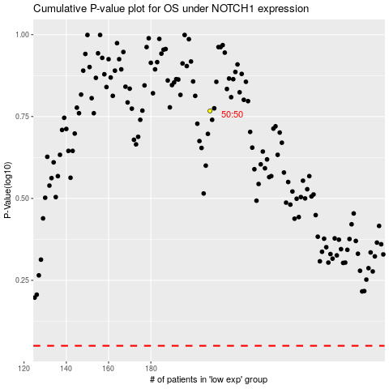

 |  |  |  |  |  | cases_OS | p_OS | rank | exp
 |  |  |  |  |  |  | cases_RFS | p_RFS | rank | exp

