NOTCH2 _multivariate
Reported by Tex Li-Hsing Chi. tex@gate.sinica.edu.tw 2019-08-17

Table 2. The clinicopathological features of HNSCC cohort and NOTCH2 expression. (Chi square test)
Cutoff at -0.18 (50.0%)
 |  | NOTCH2 expression |  | NOTCH2 expression |  | (Optimised)
 | Features | Low | (%) | High | (%) | Case no | P-value | Remark | Matthews
Gender | Female | 148 | 35.7 | 158 | 38.1 | 415 | 0.3567 | 0 | 0
2 | Male | 59 | 14.2 | 50 | 12
Age at diagnosis | <=65y | 138 | 33.3 | 136 | 32.8 | 415 | 0.8634 | 0 | 0
4 | >65y | 69 | 16.6 | 72 | 17.3
Clinical T Status | T1+T2 | 77 | 18.6 | 72 | 17.3 | 415 | 0.6556 | 0 | 0
6 | T3+T4 | 130 | 31.3 | 136 | 32.8
Clinical N Status | N0 | 109 | 26.3 | 107 | 25.8 | 415 | 0.8812 | 0 | 0
8 | N1-3 | 98 | 23.6 | 101 | 24.3
Clinical M Status | M0 | 204 | 49.2 | 208 | 50.1 | 415 | 0.1232 | 0 | 0
10 | M1 | 3 | 0.7 | 0 | 0
Clinical Stage | Stage I+II | 52 | 12.5 | 50 | 12 | 415 | 0.8871 | 0 | 0
12 | Stage III+IV | 155 | 37.3 | 158 | 38.1
Surgical Margin status | Negative | 155 | 37.3 | 163 | 39.3 | 415 | 0.4187 | 0 | 0
14 | Positive | 52 | 12.5 | 45 | 10.8
Tobacco Exposure | Low | 73 | 17.6 | 88 | 21.2 | 415 | 0.1587 | 0 | 0
16 | High | 134 | 32.3 | 120 | 28.9

Table 3. Univariate/Multivariate Cox's proportional hazards regression analyses on OS time of NOTCH2 gene expression in HNSCC

 |  | Univariate |  |  |  | Multivariate
 | Features | HR | CI95%(L) | CI95%(H) | P-value | HR | CI95%(L) | CI95%(H) | P-value
1 | Female | 1 |  |  |  | 1
Gender | Male | 1.157 | 0.843 | 1.587 | 0.367 | 1.215 | 0.867 | 1.704 | 0.259
11 | <=65y | 1 |  |  |  | 1
Age at diagnosis | >65y | 1.329 | 0.99 | 1.784 | 0.058 | 1.387 | 1.02 | 1.887 | 0.037
12 | T1+T2 | 1 |  |  |  | 1
Clinical T Status | T3+T4 | 1.409 | 1.028 | 1.931 | 0.033 | 2.205 | 1.166 | 4.17 | 0.015
13 | N0 | 1 |  |  |  | 1
Clinical N Status | N1-3 | 1.185 | 0.89 | 1.577 | 0.246 | 1.238 | 0.868 | 1.767 | 0.239
14 | M0 | 1 |  |  |  | 1
Clinical M Status | M1 | 4.097 | 1.009 | 16.644 | 0.049 | 9.77 | 2.109 | 45.265 | 0.004
15 | Stage I+II | 1 |  |  |  | 1
Clinical Stage | Stage III+IV | 1.245 | 0.882 | 1.759 | 0.213 | 0.503 | 0.234 | 1.08 | 0.078
16 | Negative | 1 |  |  |  | 1
Surgical Margin status | Positive | 1.591 | 1.155 | 2.191 | 0.004 | 1.68 | 1.215 | 2.324 | 0.002
17 | Low | 1 |  |  |  | 1
Tobacco Exposure | High | 1.364 | 1.008 | 1.844 | 0.044 | 1.466 | 1.061 | 2.026 | 0.02
18 | Low | 1 |  |  |  | 1
RNAseq(z-score) | High | 0.972 | 0.73 | 1.294 | 0.845 | 1.065 | 0.793 | 1.43 | 0.675

Table 4. Univariate/Multivariate Cox's proportional hazards regression analyses on RFS time of NOTCH2 gene expression in HNSCC

 |  | Univariate |  |  |  | Multivariate
 | Features | HR | CI95%(L) | CI95%(H) | P-value | HR | CI95%(L) | CI95%(H) | P-value
1 | Female | 1 |  |  |  | 1
Gender | Male | 1.157 | 0.843 | 1.587 | 0.367 | 1.215 | 0.867 | 1.704 | 0.259
11 | <=65y | 1 |  |  |  | 1
Age at diagnosis | >65y | 1.329 | 0.99 | 1.784 | 0.058 | 1.387 | 1.02 | 1.887 | 0.037
12 | T1+T2 | 1 |  |  |  | 1
Clinical T Status | T3+T4 | 1.409 | 1.028 | 1.931 | 0.033 | 2.205 | 1.166 | 4.17 | 0.015
13 | N0 | 1 |  |  |  | 1
Clinical N Status | N1-3 | 1.185 | 0.89 | 1.577 | 0.246 | 1.238 | 0.868 | 1.767 | 0.239
14 | M0 | 1 |  |  |  | 1
Clinical M Status | M1 | 4.097 | 1.009 | 16.644 | 0.049 | 9.77 | 2.109 | 45.265 | 0.004
15 | Stage I+II | 1 |  |  |  | 1
Clinical Stage | Stage III+IV | 1.245 | 0.882 | 1.759 | 0.213 | 0.503 | 0.234 | 1.08 | 0.078
16 | Negative | 1 |  |  |  | 1
Surgical Margin status | Positive | 1.591 | 1.155 | 2.191 | 0.004 | 1.68 | 1.215 | 2.324 | 0.002
17 | Low | 1 |  |  |  | 1
Tobacco Exposure | High | 1.364 | 1.008 | 1.844 | 0.044 | 1.466 | 1.061 | 2.026 | 0.02
18 | Low | 1 |  |  |  | 1
RNAseq(z-score) | High | 0.972 | 0.73 | 1.294 | 0.845 | 1.065 | 0.793 | 1.43 | 0.675

Kaplan-Meier survival estimate: Cutoff at -0.18 (50.0%)



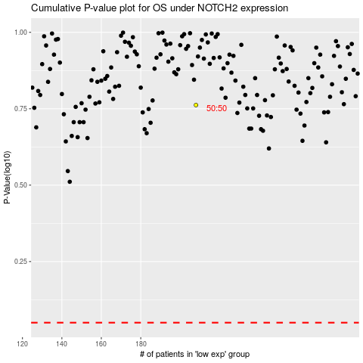

 |  |  |  |  |  | cases_OS | p_OS | rank | exp
 |  |  |  |  |  |  | cases_RFS | p_RFS | rank | exp

