NOTCH2NL _multivariate
Reported by Tex Li-Hsing Chi. tex@gate.sinica.edu.tw 2019-08-17

Table 2. The clinicopathological features of HNSCC cohort and NOTCH2NL expression. (Chi square test)
Cutoff at -0.324 (50.0%)
 |  | NOTCH2NL expression |  | NOTCH2NL expression |  | (Optimised)
 | Features | Low | (%) | High | (%) | Case no | P-value | Remark | Matthews
Gender | Female | 152 | 36.6 | 154 | 37.1 | 415 | 0.9766 | 0 | 0
2 | Male | 55 | 13.3 | 54 | 13
Age at diagnosis | <=65y | 142 | 34.2 | 132 | 31.8 | 415 | 0.3167 | 0 | 0
4 | >65y | 65 | 15.7 | 76 | 18.3
Clinical T Status | T1+T2 | 92 | 22.2 | 57 | 13.7 | 415 | 4e-04 | 1 | 0
6 | T3+T4 | 115 | 27.7 | 151 | 36.4
Clinical N Status | N0 | 102 | 24.6 | 114 | 27.5 | 415 | 0.3031 | 0 | 0
8 | N1-3 | 105 | 25.3 | 94 | 22.7
Clinical M Status | M0 | 205 | 49.4 | 207 | 49.9 | 415 | 0.6232 | 0 | 0
10 | M1 | 2 | 0.5 | 1 | 0.2
Clinical Stage | Stage I+II | 61 | 14.7 | 41 | 9.9 | 415 | 0.0282 | 1 | 0
12 | Stage III+IV | 146 | 35.2 | 167 | 40.2
Surgical Margin status | Negative | 166 | 40 | 152 | 36.6 | 415 | 0.1042 | 0 | 0
14 | Positive | 41 | 9.9 | 56 | 13.5
Tobacco Exposure | Low | 65 | 15.7 | 96 | 23.1 | 415 | 0.0025 | 1 | 0
16 | High | 142 | 34.2 | 112 | 27

Table 3. Univariate/Multivariate Cox's proportional hazards regression analyses on OS time of NOTCH2NL gene expression in HNSCC

 |  | Univariate |  |  |  | Multivariate
 | Features | HR | CI95%(L) | CI95%(H) | P-value | HR | CI95%(L) | CI95%(H) | P-value
1 | Female | 1 |  |  |  | 1
Gender | Male | 1.157 | 0.843 | 1.587 | 0.367 | 1.194 | 0.855 | 1.668 | 0.299
11 | <=65y | 1 |  |  |  | 1
Age at diagnosis | >65y | 1.329 | 0.99 | 1.784 | 0.058 | 1.385 | 1.019 | 1.883 | 0.038
12 | T1+T2 | 1 |  |  |  | 1
Clinical T Status | T3+T4 | 1.409 | 1.028 | 1.931 | 0.033 | 2.286 | 1.203 | 4.345 | 0.012
13 | N0 | 1 |  |  |  | 1
Clinical N Status | N1-3 | 1.185 | 0.89 | 1.577 | 0.246 | 1.233 | 0.864 | 1.761 | 0.248
14 | M0 | 1 |  |  |  | 1
Clinical M Status | M1 | 4.097 | 1.009 | 16.644 | 0.049 | 9.537 | 2.08 | 43.723 | 0.004
15 | Stage I+II | 1 |  |  |  | 1
Clinical Stage | Stage III+IV | 1.245 | 0.882 | 1.759 | 0.213 | 0.502 | 0.234 | 1.077 | 0.077
16 | Negative | 1 |  |  |  | 1
Surgical Margin status | Positive | 1.591 | 1.155 | 2.191 | 0.004 | 1.704 | 1.23 | 2.361 | 0.001
17 | Low | 1 |  |  |  | 1
Tobacco Exposure | High | 1.364 | 1.008 | 1.844 | 0.044 | 1.41 | 1.017 | 1.954 | 0.039
18 | Low | 1 |  |  |  | 1
RNAseq(z-score) | High | 0.914 | 0.687 | 1.218 | 0.541 | 0.869 | 0.644 | 1.171 | 0.356

Table 4. Univariate/Multivariate Cox's proportional hazards regression analyses on RFS time of NOTCH2NL gene expression in HNSCC

 |  | Univariate |  |  |  | Multivariate
 | Features | HR | CI95%(L) | CI95%(H) | P-value | HR | CI95%(L) | CI95%(H) | P-value
1 | Female | 1 |  |  |  | 1
Gender | Male | 1.157 | 0.843 | 1.587 | 0.367 | 1.194 | 0.855 | 1.668 | 0.299
11 | <=65y | 1 |  |  |  | 1
Age at diagnosis | >65y | 1.329 | 0.99 | 1.784 | 0.058 | 1.385 | 1.019 | 1.883 | 0.038
12 | T1+T2 | 1 |  |  |  | 1
Clinical T Status | T3+T4 | 1.409 | 1.028 | 1.931 | 0.033 | 2.286 | 1.203 | 4.345 | 0.012
13 | N0 | 1 |  |  |  | 1
Clinical N Status | N1-3 | 1.185 | 0.89 | 1.577 | 0.246 | 1.233 | 0.864 | 1.761 | 0.248
14 | M0 | 1 |  |  |  | 1
Clinical M Status | M1 | 4.097 | 1.009 | 16.644 | 0.049 | 9.537 | 2.08 | 43.723 | 0.004
15 | Stage I+II | 1 |  |  |  | 1
Clinical Stage | Stage III+IV | 1.245 | 0.882 | 1.759 | 0.213 | 0.502 | 0.234 | 1.077 | 0.077
16 | Negative | 1 |  |  |  | 1
Surgical Margin status | Positive | 1.591 | 1.155 | 2.191 | 0.004 | 1.704 | 1.23 | 2.361 | 0.001
17 | Low | 1 |  |  |  | 1
Tobacco Exposure | High | 1.364 | 1.008 | 1.844 | 0.044 | 1.41 | 1.017 | 1.954 | 0.039
18 | Low | 1 |  |  |  | 1
RNAseq(z-score) | High | 0.914 | 0.687 | 1.218 | 0.541 | 0.869 | 0.644 | 1.171 | 0.356

Kaplan-Meier survival estimate: Cutoff at -0.324 (50.0%)



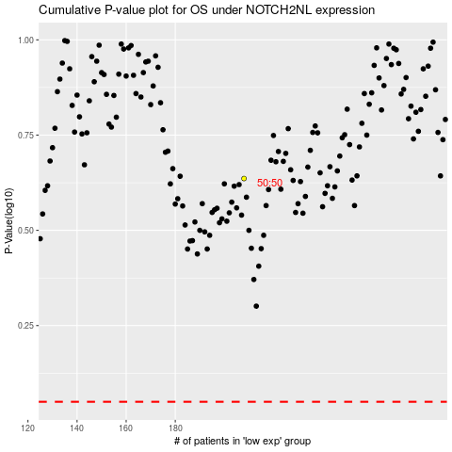

 |  |  |  |  |  | cases_OS | p_OS | rank | exp
 |  |  |  |  |  |  | cases_RFS | p_RFS | rank | exp

