NOTCH4 _multivariate
Reported by Tex Li-Hsing Chi. tex@gate.sinica.edu.tw 2019-08-17

Table 2. The clinicopathological features of HNSCC cohort and NOTCH4 expression. (Chi square test)
Cutoff at -0.241 (49.8%)
 |  | NOTCH4 expression |  | NOTCH4 expression |  | (Optimised)
 | Features | Low | (%) | High | (%) | Case no | P-value | Remark | Matthews
Gender | Female | 146 | 35.2 | 160 | 38.6 | 415 | 0.1714 | 0 | 0
2 | Male | 61 | 14.7 | 48 | 11.6
Age at diagnosis | <=65y | 135 | 32.5 | 139 | 33.5 | 415 | 0.8084 | 0 | 0
4 | >65y | 72 | 17.3 | 69 | 16.6
Clinical T Status | T1+T2 | 79 | 19 | 70 | 16.9 | 415 | 0.3924 | 0 | 0
6 | T3+T4 | 128 | 30.8 | 138 | 33.3
Clinical N Status | N0 | 109 | 26.3 | 107 | 25.8 | 415 | 0.8812 | 0 | 0
8 | N1-3 | 98 | 23.6 | 101 | 24.3
Clinical M Status | M0 | 204 | 49.2 | 208 | 50.1 | 415 | 0.1232 | 0 | 0
10 | M1 | 3 | 0.7 | 0 | 0
Clinical Stage | Stage I+II | 54 | 13 | 48 | 11.6 | 415 | 0.5498 | 0 | 0
12 | Stage III+IV | 153 | 36.9 | 160 | 38.6
Surgical Margin status | Negative | 162 | 39 | 156 | 37.6 | 415 | 0.4867 | 0 | 0
14 | Positive | 45 | 10.8 | 52 | 12.5
Tobacco Exposure | Low | 80 | 19.3 | 81 | 19.5 | 415 | 1 | 0 | 0
16 | High | 127 | 30.6 | 127 | 30.6

Table 3. Univariate/Multivariate Cox's proportional hazards regression analyses on OS time of NOTCH4 gene expression in HNSCC

 |  | Univariate |  |  |  | Multivariate
 | Features | HR | CI95%(L) | CI95%(H) | P-value | HR | CI95%(L) | CI95%(H) | P-value
1 | Female | 1 |  |  |  | 1
Gender | Male | 1.157 | 0.843 | 1.587 | 0.367 | 1.188 | 0.849 | 1.663 | 0.315
11 | <=65y | 1 |  |  |  | 1
Age at diagnosis | >65y | 1.329 | 0.99 | 1.784 | 0.058 | 1.384 | 1.018 | 1.881 | 0.038
12 | T1+T2 | 1 |  |  |  | 1
Clinical T Status | T3+T4 | 1.409 | 1.028 | 1.931 | 0.033 | 2.204 | 1.166 | 4.167 | 0.015
13 | N0 | 1 |  |  |  | 1
Clinical N Status | N1-3 | 1.185 | 0.89 | 1.577 | 0.246 | 1.242 | 0.871 | 1.773 | 0.231
14 | M0 | 1 |  |  |  | 1
Clinical M Status | M1 | 4.097 | 1.009 | 16.644 | 0.049 | 8.934 | 1.933 | 41.28 | 0.005
15 | Stage I+II | 1 |  |  |  | 1
Clinical Stage | Stage III+IV | 1.245 | 0.882 | 1.759 | 0.213 | 0.506 | 0.236 | 1.086 | 0.08
16 | Negative | 1 |  |  |  | 1
Surgical Margin status | Positive | 1.591 | 1.155 | 2.191 | 0.004 | 1.667 | 1.206 | 2.303 | 0.002
17 | Low | 1 |  |  |  | 1
Tobacco Exposure | High | 1.364 | 1.008 | 1.844 | 0.044 | 1.448 | 1.05 | 1.995 | 0.024
18 | Low | 1 |  |  |  | 1
RNAseq(z-score) | High | 0.868 | 0.652 | 1.157 | 0.335 | 0.91 | 0.68 | 1.218 | 0.527

Table 4. Univariate/Multivariate Cox's proportional hazards regression analyses on RFS time of NOTCH4 gene expression in HNSCC

 |  | Univariate |  |  |  | Multivariate
 | Features | HR | CI95%(L) | CI95%(H) | P-value | HR | CI95%(L) | CI95%(H) | P-value
1 | Female | 1 |  |  |  | 1
Gender | Male | 1.157 | 0.843 | 1.587 | 0.367 | 1.188 | 0.849 | 1.663 | 0.315
11 | <=65y | 1 |  |  |  | 1
Age at diagnosis | >65y | 1.329 | 0.99 | 1.784 | 0.058 | 1.384 | 1.018 | 1.881 | 0.038
12 | T1+T2 | 1 |  |  |  | 1
Clinical T Status | T3+T4 | 1.409 | 1.028 | 1.931 | 0.033 | 2.204 | 1.166 | 4.167 | 0.015
13 | N0 | 1 |  |  |  | 1
Clinical N Status | N1-3 | 1.185 | 0.89 | 1.577 | 0.246 | 1.242 | 0.871 | 1.773 | 0.231
14 | M0 | 1 |  |  |  | 1
Clinical M Status | M1 | 4.097 | 1.009 | 16.644 | 0.049 | 8.934 | 1.933 | 41.28 | 0.005
15 | Stage I+II | 1 |  |  |  | 1
Clinical Stage | Stage III+IV | 1.245 | 0.882 | 1.759 | 0.213 | 0.506 | 0.236 | 1.086 | 0.08
16 | Negative | 1 |  |  |  | 1
Surgical Margin status | Positive | 1.591 | 1.155 | 2.191 | 0.004 | 1.667 | 1.206 | 2.303 | 0.002
17 | Low | 1 |  |  |  | 1
Tobacco Exposure | High | 1.364 | 1.008 | 1.844 | 0.044 | 1.448 | 1.05 | 1.995 | 0.024
18 | Low | 1 |  |  |  | 1
RNAseq(z-score) | High | 0.868 | 0.652 | 1.157 | 0.335 | 0.91 | 0.68 | 1.218 | 0.527

Kaplan-Meier survival estimate: Cutoff at -0.241 (49.8%)



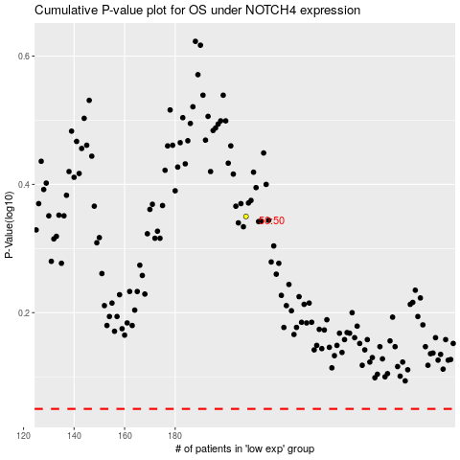

 |  |  |  |  |  | cases_OS | p_OS | rank | exp
 |  |  |  |  |  |  | cases_RFS | p_RFS | rank | exp

