NOX4 _multivariate
Reported by Tex Li-Hsing Chi. tex@gate.sinica.edu.tw 2019-08-17

Table 2. The clinicopathological features of HNSCC cohort and NOX4 expression. (Chi square test)
Cutoff at -0.166 (50.0%)
 |  | NOX4 expression |  | NOX4 expression |  | (Optimised)
 | Features | Low | (%) | High | (%) | Case no | P-value | Remark | Matthews
Gender | Female | 152 | 36.6 | 154 | 37.1 | 415 | 0.9766 | 0 | 0
2 | Male | 55 | 13.3 | 54 | 13
Age at diagnosis | <=65y | 140 | 33.7 | 134 | 32.3 | 415 | 0.5574 | 0 | 0
4 | >65y | 67 | 16.1 | 74 | 17.8
Clinical T Status | T1+T2 | 82 | 19.8 | 67 | 16.1 | 415 | 0.1417 | 0 | 0
6 | T3+T4 | 125 | 30.1 | 141 | 34
Clinical N Status | N0 | 108 | 26 | 108 | 26 | 415 | 1 | 0 | 0
8 | N1-3 | 99 | 23.9 | 100 | 24.1
Clinical M Status | M0 | 204 | 49.2 | 208 | 50.1 | 415 | 0.1232 | 0 | 0
10 | M1 | 3 | 0.7 | 0 | 0
Clinical Stage | Stage I+II | 53 | 12.8 | 49 | 11.8 | 415 | 0.7113 | 0 | 0
12 | Stage III+IV | 154 | 37.1 | 159 | 38.3
Surgical Margin status | Negative | 157 | 37.8 | 161 | 38.8 | 415 | 0.729 | 0 | 0
14 | Positive | 50 | 12 | 47 | 11.3
Tobacco Exposure | Low | 91 | 21.9 | 70 | 16.9 | 415 | 0.0346 | 1 | 0
16 | High | 116 | 28 | 138 | 33.3

Table 3. Univariate/Multivariate Cox's proportional hazards regression analyses on OS time of NOX4 gene expression in HNSCC

 |  | Univariate |  |  |  | Multivariate
 | Features | HR | CI95%(L) | CI95%(H) | P-value | HR | CI95%(L) | CI95%(H) | P-value
1 | Female | 1 |  |  |  | 1
Gender | Male | 1.157 | 0.843 | 1.587 | 0.367 | 1.198 | 0.857 | 1.676 | 0.29
11 | <=65y | 1 |  |  |  | 1
Age at diagnosis | >65y | 1.329 | 0.99 | 1.784 | 0.058 | 1.406 | 1.034 | 1.911 | 0.03
12 | T1+T2 | 1 |  |  |  | 1
Clinical T Status | T3+T4 | 1.409 | 1.028 | 1.931 | 0.033 | 2.281 | 1.204 | 4.322 | 0.011
13 | N0 | 1 |  |  |  | 1
Clinical N Status | N1-3 | 1.185 | 0.89 | 1.577 | 0.246 | 1.235 | 0.866 | 1.762 | 0.244
14 | M0 | 1 |  |  |  | 1
Clinical M Status | M1 | 4.097 | 1.009 | 16.644 | 0.049 | 8.732 | 1.899 | 40.157 | 0.005
15 | Stage I+II | 1 |  |  |  | 1
Clinical Stage | Stage III+IV | 1.245 | 0.882 | 1.759 | 0.213 | 0.495 | 0.231 | 1.064 | 0.072
16 | Negative | 1 |  |  |  | 1
Surgical Margin status | Positive | 1.591 | 1.155 | 2.191 | 0.004 | 1.653 | 1.196 | 2.285 | 0.002
17 | Low | 1 |  |  |  | 1
Tobacco Exposure | High | 1.364 | 1.008 | 1.844 | 0.044 | 1.482 | 1.074 | 2.044 | 0.017
18 | Low | 1 |  |  |  | 1
RNAseq(z-score) | High | 0.84 | 0.631 | 1.119 | 0.235 | 0.806 | 0.602 | 1.079 | 0.148

Table 4. Univariate/Multivariate Cox's proportional hazards regression analyses on RFS time of NOX4 gene expression in HNSCC

 |  | Univariate |  |  |  | Multivariate
 | Features | HR | CI95%(L) | CI95%(H) | P-value | HR | CI95%(L) | CI95%(H) | P-value
1 | Female | 1 |  |  |  | 1
Gender | Male | 1.157 | 0.843 | 1.587 | 0.367 | 1.198 | 0.857 | 1.676 | 0.29
11 | <=65y | 1 |  |  |  | 1
Age at diagnosis | >65y | 1.329 | 0.99 | 1.784 | 0.058 | 1.406 | 1.034 | 1.911 | 0.03
12 | T1+T2 | 1 |  |  |  | 1
Clinical T Status | T3+T4 | 1.409 | 1.028 | 1.931 | 0.033 | 2.281 | 1.204 | 4.322 | 0.011
13 | N0 | 1 |  |  |  | 1
Clinical N Status | N1-3 | 1.185 | 0.89 | 1.577 | 0.246 | 1.235 | 0.866 | 1.762 | 0.244
14 | M0 | 1 |  |  |  | 1
Clinical M Status | M1 | 4.097 | 1.009 | 16.644 | 0.049 | 8.732 | 1.899 | 40.157 | 0.005
15 | Stage I+II | 1 |  |  |  | 1
Clinical Stage | Stage III+IV | 1.245 | 0.882 | 1.759 | 0.213 | 0.495 | 0.231 | 1.064 | 0.072
16 | Negative | 1 |  |  |  | 1
Surgical Margin status | Positive | 1.591 | 1.155 | 2.191 | 0.004 | 1.653 | 1.196 | 2.285 | 0.002
17 | Low | 1 |  |  |  | 1
Tobacco Exposure | High | 1.364 | 1.008 | 1.844 | 0.044 | 1.482 | 1.074 | 2.044 | 0.017
18 | Low | 1 |  |  |  | 1
RNAseq(z-score) | High | 0.84 | 0.631 | 1.119 | 0.235 | 0.806 | 0.602 | 1.079 | 0.148

Kaplan-Meier survival estimate: Cutoff at -0.166 (50.0%)



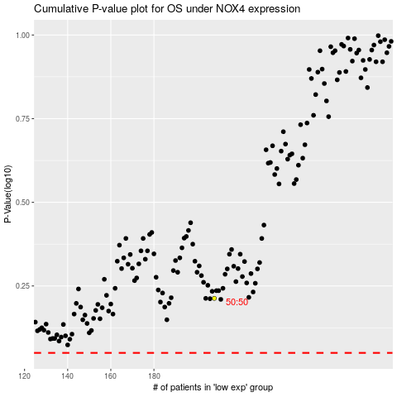

 |  |  |  |  |  | cases_OS | p_OS | rank | exp
 |  |  |  |  |  |  | cases_RFS | p_RFS | rank | exp

