NOX5 _multivariate
Reported by Tex Li-Hsing Chi. tex@gate.sinica.edu.tw 2019-08-17

Table 2. The clinicopathological features of HNSCC cohort and NOX5 expression. (Chi square test)
Cutoff at -0.305 (50.0%)
 |  | NOX5 expression |  | NOX5 expression |  | (Optimised)
 | Features | Low | (%) | High | (%) | Case no | P-value | Remark | Matthews
Gender | Female | 166 | 40 | 140 | 33.7 | 415 | 0.0041 | 1 | 0
2 | Male | 41 | 9.9 | 68 | 16.4
Age at diagnosis | <=65y | 141 | 34 | 133 | 32 | 415 | 0.4272 | 0 | 0
4 | >65y | 66 | 15.9 | 75 | 18.1
Clinical T Status | T1+T2 | 80 | 19.3 | 69 | 16.6 | 415 | 0.2891 | 0 | 0
6 | T3+T4 | 127 | 30.6 | 139 | 33.5
Clinical N Status | N0 | 92 | 22.2 | 124 | 29.9 | 415 | 0.0027 | 1 | 0
8 | N1-3 | 115 | 27.7 | 84 | 20.2
Clinical M Status | M0 | 206 | 49.6 | 206 | 49.6 | 415 | 1 | 0 | 0
10 | M1 | 1 | 0.2 | 2 | 0.5
Clinical Stage | Stage I+II | 45 | 10.8 | 57 | 13.7 | 415 | 0.2202 | 0 | 0
12 | Stage III+IV | 162 | 39 | 151 | 36.4
Surgical Margin status | Negative | 158 | 38.1 | 160 | 38.6 | 415 | 0.9081 | 0 | 0
14 | Positive | 49 | 11.8 | 48 | 11.6
Tobacco Exposure | Low | 59 | 14.2 | 102 | 24.6 | 415 | 0 | 1 | 0
16 | High | 148 | 35.7 | 106 | 25.5

Table 3. Univariate/Multivariate Cox's proportional hazards regression analyses on OS time of NOX5 gene expression in HNSCC

 |  | Univariate |  |  |  | Multivariate
 | Features | HR | CI95%(L) | CI95%(H) | P-value | HR | CI95%(L) | CI95%(H) | P-value
1 | Female | 1 |  |  |  | 1
Gender | Male | 1.157 | 0.843 | 1.587 | 0.367 | 1.218 | 0.869 | 1.707 | 0.253
11 | <=65y | 1 |  |  |  | 1
Age at diagnosis | >65y | 1.329 | 0.99 | 1.784 | 0.058 | 1.38 | 1.014 | 1.878 | 0.041
12 | T1+T2 | 1 |  |  |  | 1
Clinical T Status | T3+T4 | 1.409 | 1.028 | 1.931 | 0.033 | 2.254 | 1.186 | 4.285 | 0.013
13 | N0 | 1 |  |  |  | 1
Clinical N Status | N1-3 | 1.185 | 0.89 | 1.577 | 0.246 | 1.23 | 0.861 | 1.758 | 0.256
14 | M0 | 1 |  |  |  | 1
Clinical M Status | M1 | 4.097 | 1.009 | 16.644 | 0.049 | 9.919 | 2.137 | 46.04 | 0.003
15 | Stage I+II | 1 |  |  |  | 1
Clinical Stage | Stage III+IV | 1.245 | 0.882 | 1.759 | 0.213 | 0.492 | 0.228 | 1.061 | 0.07
16 | Negative | 1 |  |  |  | 1
Surgical Margin status | Positive | 1.591 | 1.155 | 2.191 | 0.004 | 1.676 | 1.213 | 2.317 | 0.002
17 | Low | 1 |  |  |  | 1
Tobacco Exposure | High | 1.364 | 1.008 | 1.844 | 0.044 | 1.433 | 1.036 | 1.982 | 0.03
18 | Low | 1 |  |  |  | 1
RNAseq(z-score) | High | 0.923 | 0.693 | 1.23 | 0.586 | 0.921 | 0.68 | 1.247 | 0.593

Table 4. Univariate/Multivariate Cox's proportional hazards regression analyses on RFS time of NOX5 gene expression in HNSCC

 |  | Univariate |  |  |  | Multivariate
 | Features | HR | CI95%(L) | CI95%(H) | P-value | HR | CI95%(L) | CI95%(H) | P-value
1 | Female | 1 |  |  |  | 1
Gender | Male | 1.157 | 0.843 | 1.587 | 0.367 | 1.218 | 0.869 | 1.707 | 0.253
11 | <=65y | 1 |  |  |  | 1
Age at diagnosis | >65y | 1.329 | 0.99 | 1.784 | 0.058 | 1.38 | 1.014 | 1.878 | 0.041
12 | T1+T2 | 1 |  |  |  | 1
Clinical T Status | T3+T4 | 1.409 | 1.028 | 1.931 | 0.033 | 2.254 | 1.186 | 4.285 | 0.013
13 | N0 | 1 |  |  |  | 1
Clinical N Status | N1-3 | 1.185 | 0.89 | 1.577 | 0.246 | 1.23 | 0.861 | 1.758 | 0.256
14 | M0 | 1 |  |  |  | 1
Clinical M Status | M1 | 4.097 | 1.009 | 16.644 | 0.049 | 9.919 | 2.137 | 46.04 | 0.003
15 | Stage I+II | 1 |  |  |  | 1
Clinical Stage | Stage III+IV | 1.245 | 0.882 | 1.759 | 0.213 | 0.492 | 0.228 | 1.061 | 0.07
16 | Negative | 1 |  |  |  | 1
Surgical Margin status | Positive | 1.591 | 1.155 | 2.191 | 0.004 | 1.676 | 1.213 | 2.317 | 0.002
17 | Low | 1 |  |  |  | 1
Tobacco Exposure | High | 1.364 | 1.008 | 1.844 | 0.044 | 1.433 | 1.036 | 1.982 | 0.03
18 | Low | 1 |  |  |  | 1
RNAseq(z-score) | High | 0.923 | 0.693 | 1.23 | 0.586 | 0.921 | 0.68 | 1.247 | 0.593

Kaplan-Meier survival estimate: Cutoff at -0.305 (50.0%)



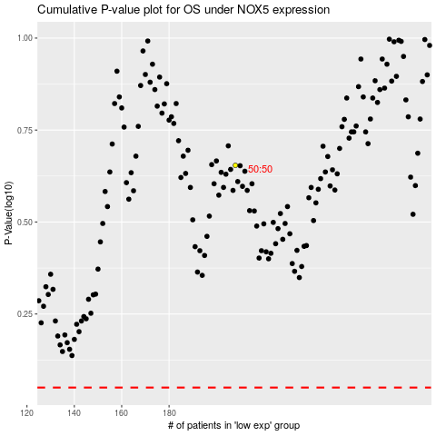

 |  |  |  |  |  | cases_OS | p_OS | rank | exp
 |  |  |  |  |  |  | cases_RFS | p_RFS | rank | exp

