NPAS2 _multivariate
Reported by Tex Li-Hsing Chi. tex@gate.sinica.edu.tw 2019-08-17

Table 2. The clinicopathological features of HNSCC cohort and NPAS2 expression. (Chi square test)
Cutoff at -0.182 (50.0%)
 |  | NPAS2 expression |  | NPAS2 expression |  | (Optimised)
 | Features | Low | (%) | High | (%) | Case no | P-value | Remark | Matthews
Gender | Female | 154 | 37.1 | 152 | 36.6 | 415 | 0.8463 | 0 | 0
2 | Male | 53 | 12.8 | 56 | 13.5
Age at diagnosis | <=65y | 145 | 34.9 | 129 | 31.1 | 415 | 0.1046 | 0 | 0
4 | >65y | 62 | 14.9 | 79 | 19
Clinical T Status | T1+T2 | 84 | 20.2 | 65 | 15.7 | 415 | 0.0603 | 0 | 0
6 | T3+T4 | 123 | 29.6 | 143 | 34.5
Clinical N Status | N0 | 105 | 25.3 | 111 | 26.7 | 415 | 0.6598 | 0 | 0
8 | N1-3 | 102 | 24.6 | 97 | 23.4
Clinical M Status | M0 | 205 | 49.4 | 207 | 49.9 | 415 | 0.6232 | 0 | 0
10 | M1 | 2 | 0.5 | 1 | 0.2
Clinical Stage | Stage I+II | 58 | 14 | 44 | 10.6 | 415 | 0.131 | 0 | 0
12 | Stage III+IV | 149 | 35.9 | 164 | 39.5
Surgical Margin status | Negative | 158 | 38.1 | 160 | 38.6 | 415 | 0.9081 | 0 | 0
14 | Positive | 49 | 11.8 | 48 | 11.6
Tobacco Exposure | Low | 86 | 20.7 | 75 | 18.1 | 415 | 0.2687 | 0 | 0
16 | High | 121 | 29.2 | 133 | 32

Table 3. Univariate/Multivariate Cox's proportional hazards regression analyses on OS time of NPAS2 gene expression in HNSCC

 |  | Univariate |  |  |  | Multivariate
 | Features | HR | CI95%(L) | CI95%(H) | P-value | HR | CI95%(L) | CI95%(H) | P-value
1 | Female | 1 |  |  |  | 1
Gender | Male | 1.157 | 0.843 | 1.587 | 0.367 | 1.204 | 0.862 | 1.682 | 0.277
11 | <=65y | 1 |  |  |  | 1
Age at diagnosis | >65y | 1.329 | 0.99 | 1.784 | 0.058 | 1.384 | 1.017 | 1.884 | 0.039
12 | T1+T2 | 1 |  |  |  | 1
Clinical T Status | T3+T4 | 1.409 | 1.028 | 1.931 | 0.033 | 2.196 | 1.161 | 4.154 | 0.016
13 | N0 | 1 |  |  |  | 1
Clinical N Status | N1-3 | 1.185 | 0.89 | 1.577 | 0.246 | 1.248 | 0.874 | 1.782 | 0.223
14 | M0 | 1 |  |  |  | 1
Clinical M Status | M1 | 4.097 | 1.009 | 16.644 | 0.049 | 9.603 | 2.09 | 44.127 | 0.004
15 | Stage I+II | 1 |  |  |  | 1
Clinical Stage | Stage III+IV | 1.245 | 0.882 | 1.759 | 0.213 | 0.498 | 0.232 | 1.071 | 0.075
16 | Negative | 1 |  |  |  | 1
Surgical Margin status | Positive | 1.591 | 1.155 | 2.191 | 0.004 | 1.675 | 1.212 | 2.315 | 0.002
17 | Low | 1 |  |  |  | 1
Tobacco Exposure | High | 1.364 | 1.008 | 1.844 | 0.044 | 1.449 | 1.051 | 1.997 | 0.023
18 | Low | 1 |  |  |  | 1
RNAseq(z-score) | High | 1.117 | 0.838 | 1.49 | 0.451 | 1.075 | 0.801 | 1.442 | 0.63

Table 4. Univariate/Multivariate Cox's proportional hazards regression analyses on RFS time of NPAS2 gene expression in HNSCC

 |  | Univariate |  |  |  | Multivariate
 | Features | HR | CI95%(L) | CI95%(H) | P-value | HR | CI95%(L) | CI95%(H) | P-value
1 | Female | 1 |  |  |  | 1
Gender | Male | 1.157 | 0.843 | 1.587 | 0.367 | 1.204 | 0.862 | 1.682 | 0.277
11 | <=65y | 1 |  |  |  | 1
Age at diagnosis | >65y | 1.329 | 0.99 | 1.784 | 0.058 | 1.384 | 1.017 | 1.884 | 0.039
12 | T1+T2 | 1 |  |  |  | 1
Clinical T Status | T3+T4 | 1.409 | 1.028 | 1.931 | 0.033 | 2.196 | 1.161 | 4.154 | 0.016
13 | N0 | 1 |  |  |  | 1
Clinical N Status | N1-3 | 1.185 | 0.89 | 1.577 | 0.246 | 1.248 | 0.874 | 1.782 | 0.223
14 | M0 | 1 |  |  |  | 1
Clinical M Status | M1 | 4.097 | 1.009 | 16.644 | 0.049 | 9.603 | 2.09 | 44.127 | 0.004
15 | Stage I+II | 1 |  |  |  | 1
Clinical Stage | Stage III+IV | 1.245 | 0.882 | 1.759 | 0.213 | 0.498 | 0.232 | 1.071 | 0.075
16 | Negative | 1 |  |  |  | 1
Surgical Margin status | Positive | 1.591 | 1.155 | 2.191 | 0.004 | 1.675 | 1.212 | 2.315 | 0.002
17 | Low | 1 |  |  |  | 1
Tobacco Exposure | High | 1.364 | 1.008 | 1.844 | 0.044 | 1.449 | 1.051 | 1.997 | 0.023
18 | Low | 1 |  |  |  | 1
RNAseq(z-score) | High | 1.117 | 0.838 | 1.49 | 0.451 | 1.075 | 0.801 | 1.442 | 0.63

Kaplan-Meier survival estimate: Cutoff at -0.182 (50.0%)



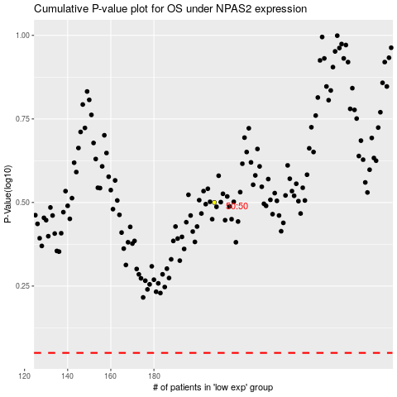

 |  |  |  |  |  | cases_OS | p_OS | rank | exp
 |  |  |  |  |  |  | cases_RFS | p_RFS | rank | exp

