NPAT _multivariate
Reported by Tex Li-Hsing Chi. tex@gate.sinica.edu.tw 2019-08-17

Table 2. The clinicopathological features of HNSCC cohort and NPAT expression. (Chi square test)
Cutoff at -0.136 (49.8%)
 |  | NPAT expression |  | NPAT expression |  | (Optimised)
 | Features | Low | (%) | High | (%) | Case no | P-value | Remark | Matthews
Gender | Female | 160 | 38.6 | 146 | 35.2 | 415 | 0.1254 | 0 | 0
2 | Male | 47 | 11.3 | 62 | 14.9
Age at diagnosis | <=65y | 142 | 34.2 | 132 | 31.8 | 415 | 0.3167 | 0 | 0
4 | >65y | 65 | 15.7 | 76 | 18.3
Clinical T Status | T1+T2 | 71 | 17.1 | 78 | 18.8 | 415 | 0.5638 | 0 | 0
6 | T3+T4 | 136 | 32.8 | 130 | 31.3
Clinical N Status | N0 | 102 | 24.6 | 114 | 27.5 | 415 | 0.3031 | 0 | 0
8 | N1-3 | 105 | 25.3 | 94 | 22.7
Clinical M Status | M0 | 204 | 49.2 | 208 | 50.1 | 415 | 0.1232 | 0 | 0
10 | M1 | 3 | 0.7 | 0 | 0
Clinical Stage | Stage I+II | 47 | 11.3 | 55 | 13.3 | 415 | 0.4413 | 0 | 0
12 | Stage III+IV | 160 | 38.6 | 153 | 36.9
Surgical Margin status | Negative | 155 | 37.3 | 163 | 39.3 | 415 | 0.4187 | 0 | 0
14 | Positive | 52 | 12.5 | 45 | 10.8
Tobacco Exposure | Low | 78 | 18.8 | 83 | 20 | 415 | 0.6873 | 0 | 0
16 | High | 129 | 31.1 | 125 | 30.1

Table 3. Univariate/Multivariate Cox's proportional hazards regression analyses on OS time of NPAT gene expression in HNSCC

 |  | Univariate |  |  |  | Multivariate
 | Features | HR | CI95%(L) | CI95%(H) | P-value | HR | CI95%(L) | CI95%(H) | P-value
1 | Female | 1 |  |  |  | 1
Gender | Male | 1.157 | 0.843 | 1.587 | 0.367 | 1.197 | 0.856 | 1.673 | 0.293
11 | <=65y | 1 |  |  |  | 1
Age at diagnosis | >65y | 1.329 | 0.99 | 1.784 | 0.058 | 1.389 | 1.021 | 1.888 | 0.036
12 | T1+T2 | 1 |  |  |  | 1
Clinical T Status | T3+T4 | 1.409 | 1.028 | 1.931 | 0.033 | 2.213 | 1.169 | 4.189 | 0.015
13 | N0 | 1 |  |  |  | 1
Clinical N Status | N1-3 | 1.185 | 0.89 | 1.577 | 0.246 | 1.243 | 0.871 | 1.774 | 0.23
14 | M0 | 1 |  |  |  | 1
Clinical M Status | M1 | 4.097 | 1.009 | 16.644 | 0.049 | 9.652 | 2.085 | 44.681 | 0.004
15 | Stage I+II | 1 |  |  |  | 1
Clinical Stage | Stage III+IV | 1.245 | 0.882 | 1.759 | 0.213 | 0.501 | 0.233 | 1.077 | 0.077
16 | Negative | 1 |  |  |  | 1
Surgical Margin status | Positive | 1.591 | 1.155 | 2.191 | 0.004 | 1.678 | 1.213 | 2.321 | 0.002
17 | Low | 1 |  |  |  | 1
Tobacco Exposure | High | 1.364 | 1.008 | 1.844 | 0.044 | 1.459 | 1.058 | 2.012 | 0.021
18 | Low | 1 |  |  |  | 1
RNAseq(z-score) | High | 0.99 | 0.743 | 1.321 | 0.947 | 1.045 | 0.779 | 1.404 | 0.768

Table 4. Univariate/Multivariate Cox's proportional hazards regression analyses on RFS time of NPAT gene expression in HNSCC

 |  | Univariate |  |  |  | Multivariate
 | Features | HR | CI95%(L) | CI95%(H) | P-value | HR | CI95%(L) | CI95%(H) | P-value
1 | Female | 1 |  |  |  | 1
Gender | Male | 1.157 | 0.843 | 1.587 | 0.367 | 1.197 | 0.856 | 1.673 | 0.293
11 | <=65y | 1 |  |  |  | 1
Age at diagnosis | >65y | 1.329 | 0.99 | 1.784 | 0.058 | 1.389 | 1.021 | 1.888 | 0.036
12 | T1+T2 | 1 |  |  |  | 1
Clinical T Status | T3+T4 | 1.409 | 1.028 | 1.931 | 0.033 | 2.213 | 1.169 | 4.189 | 0.015
13 | N0 | 1 |  |  |  | 1
Clinical N Status | N1-3 | 1.185 | 0.89 | 1.577 | 0.246 | 1.243 | 0.871 | 1.774 | 0.23
14 | M0 | 1 |  |  |  | 1
Clinical M Status | M1 | 4.097 | 1.009 | 16.644 | 0.049 | 9.652 | 2.085 | 44.681 | 0.004
15 | Stage I+II | 1 |  |  |  | 1
Clinical Stage | Stage III+IV | 1.245 | 0.882 | 1.759 | 0.213 | 0.501 | 0.233 | 1.077 | 0.077
16 | Negative | 1 |  |  |  | 1
Surgical Margin status | Positive | 1.591 | 1.155 | 2.191 | 0.004 | 1.678 | 1.213 | 2.321 | 0.002
17 | Low | 1 |  |  |  | 1
Tobacco Exposure | High | 1.364 | 1.008 | 1.844 | 0.044 | 1.459 | 1.058 | 2.012 | 0.021
18 | Low | 1 |  |  |  | 1
RNAseq(z-score) | High | 0.99 | 0.743 | 1.321 | 0.947 | 1.045 | 0.779 | 1.404 | 0.768

Kaplan-Meier survival estimate: Cutoff at -0.136 (49.8%)

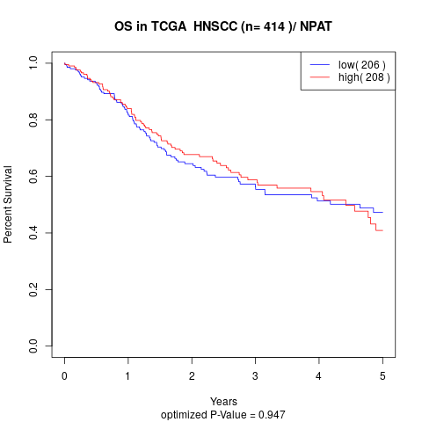

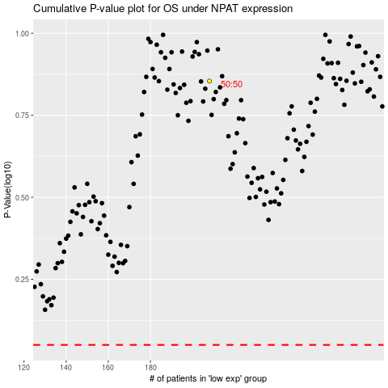

 |  |  |  |  |  | cases_OS | p_OS | rank | exp
 |  |  |  |  |  |  | cases_RFS | p_RFS | rank | exp

