NPBWR1 _multivariate
Reported by Tex Li-Hsing Chi. tex@gate.sinica.edu.tw 2019-08-17

Table 2. The clinicopathological features of HNSCC cohort and NPBWR1 expression. (Chi square test)
Cutoff at -0.349 (49.8%)
 |  | NPBWR1 expression |  | NPBWR1 expression |  | (Optimised)
 | Features | Low | (%) | High | (%) | Case no | P-value | Remark | Matthews
Gender | Female | 153 | 36.9 | 153 | 36.9 | 415 | 1 | 0 | 0
2 | Male | 54 | 13 | 55 | 13.3
Age at diagnosis | <=65y | 141 | 34 | 133 | 32 | 415 | 0.4272 | 0 | 0
4 | >65y | 66 | 15.9 | 75 | 18.1
Clinical T Status | T1+T2 | 75 | 18.1 | 74 | 17.8 | 415 | 0.9707 | 0 | 0
6 | T3+T4 | 132 | 31.8 | 134 | 32.3
Clinical N Status | N0 | 108 | 26 | 108 | 26 | 415 | 1 | 0 | 0
8 | N1-3 | 99 | 23.9 | 100 | 24.1
Clinical M Status | M0 | 206 | 49.6 | 206 | 49.6 | 415 | 1 | 0 | 0
10 | M1 | 1 | 0.2 | 2 | 0.5
Clinical Stage | Stage I+II | 50 | 12 | 52 | 12.5 | 415 | 0.9315 | 0 | 0
12 | Stage III+IV | 157 | 37.8 | 156 | 37.6
Surgical Margin status | Negative | 151 | 36.4 | 167 | 40.2 | 415 | 0.0828 | 0 | 0
14 | Positive | 56 | 13.5 | 41 | 9.9
Tobacco Exposure | Low | 81 | 19.5 | 80 | 19.3 | 415 | 0.9199 | 0 | 0
16 | High | 126 | 30.4 | 128 | 30.8

Table 3. Univariate/Multivariate Cox's proportional hazards regression analyses on OS time of NPBWR1 gene expression in HNSCC

 |  | Univariate |  |  |  | Multivariate
 | Features | HR | CI95%(L) | CI95%(H) | P-value | HR | CI95%(L) | CI95%(H) | P-value
1 | Female | 1 |  |  |  | 1
Gender | Male | 1.157 | 0.843 | 1.587 | 0.367 | 1.217 | 0.87 | 1.702 | 0.251
11 | <=65y | 1 |  |  |  | 1
Age at diagnosis | >65y | 1.329 | 0.99 | 1.784 | 0.058 | 1.384 | 1.019 | 1.882 | 0.038
12 | T1+T2 | 1 |  |  |  | 1
Clinical T Status | T3+T4 | 1.409 | 1.028 | 1.931 | 0.033 | 2.161 | 1.141 | 4.091 | 0.018
13 | N0 | 1 |  |  |  | 1
Clinical N Status | N1-3 | 1.185 | 0.89 | 1.577 | 0.246 | 1.232 | 0.863 | 1.759 | 0.251
14 | M0 | 1 |  |  |  | 1
Clinical M Status | M1 | 4.097 | 1.009 | 16.644 | 0.049 | 9.167 | 1.998 | 42.057 | 0.004
15 | Stage I+II | 1 |  |  |  | 1
Clinical Stage | Stage III+IV | 1.245 | 0.882 | 1.759 | 0.213 | 0.516 | 0.24 | 1.11 | 0.09
16 | Negative | 1 |  |  |  | 1
Surgical Margin status | Positive | 1.591 | 1.155 | 2.191 | 0.004 | 1.705 | 1.23 | 2.363 | 0.001
17 | Low | 1 |  |  |  | 1
Tobacco Exposure | High | 1.364 | 1.008 | 1.844 | 0.044 | 1.449 | 1.052 | 1.997 | 0.023
18 | Low | 1 |  |  |  | 1
RNAseq(z-score) | High | 1.105 | 0.83 | 1.472 | 0.494 | 1.141 | 0.852 | 1.528 | 0.377

Table 4. Univariate/Multivariate Cox's proportional hazards regression analyses on RFS time of NPBWR1 gene expression in HNSCC

 |  | Univariate |  |  |  | Multivariate
 | Features | HR | CI95%(L) | CI95%(H) | P-value | HR | CI95%(L) | CI95%(H) | P-value
1 | Female | 1 |  |  |  | 1
Gender | Male | 1.157 | 0.843 | 1.587 | 0.367 | 1.217 | 0.87 | 1.702 | 0.251
11 | <=65y | 1 |  |  |  | 1
Age at diagnosis | >65y | 1.329 | 0.99 | 1.784 | 0.058 | 1.384 | 1.019 | 1.882 | 0.038
12 | T1+T2 | 1 |  |  |  | 1
Clinical T Status | T3+T4 | 1.409 | 1.028 | 1.931 | 0.033 | 2.161 | 1.141 | 4.091 | 0.018
13 | N0 | 1 |  |  |  | 1
Clinical N Status | N1-3 | 1.185 | 0.89 | 1.577 | 0.246 | 1.232 | 0.863 | 1.759 | 0.251
14 | M0 | 1 |  |  |  | 1
Clinical M Status | M1 | 4.097 | 1.009 | 16.644 | 0.049 | 9.167 | 1.998 | 42.057 | 0.004
15 | Stage I+II | 1 |  |  |  | 1
Clinical Stage | Stage III+IV | 1.245 | 0.882 | 1.759 | 0.213 | 0.516 | 0.24 | 1.11 | 0.09
16 | Negative | 1 |  |  |  | 1
Surgical Margin status | Positive | 1.591 | 1.155 | 2.191 | 0.004 | 1.705 | 1.23 | 2.363 | 0.001
17 | Low | 1 |  |  |  | 1
Tobacco Exposure | High | 1.364 | 1.008 | 1.844 | 0.044 | 1.449 | 1.052 | 1.997 | 0.023
18 | Low | 1 |  |  |  | 1
RNAseq(z-score) | High | 1.105 | 0.83 | 1.472 | 0.494 | 1.141 | 0.852 | 1.528 | 0.377

Kaplan-Meier survival estimate: Cutoff at -0.349 (49.8%)



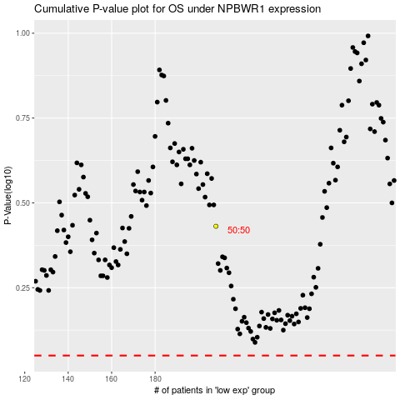

 |  |  |  |  |  | cases_OS | p_OS | rank | exp
 |  |  |  |  |  |  | cases_RFS | p_RFS | rank | exp

