NPC1L1 _multivariate
Reported by Tex Li-Hsing Chi. tex@gate.sinica.edu.tw 2019-08-17

Table 2. The clinicopathological features of HNSCC cohort and NPC1L1 expression. (Chi square test)
Cutoff at -0.263 (49.8%)
 |  | NPC1L1 expression |  | NPC1L1 expression |  | (Optimised)
 | Features | Low | (%) | High | (%) | Case no | P-value | Remark | Matthews
Gender | Female | 145 | 34.9 | 161 | 38.8 | 415 | 0.1116 | 0 | 0
2 | Male | 62 | 14.9 | 47 | 11.3
Age at diagnosis | <=65y | 131 | 31.6 | 143 | 34.5 | 415 | 0.2839 | 0 | 0
4 | >65y | 76 | 18.3 | 65 | 15.7
Clinical T Status | T1+T2 | 88 | 21.2 | 61 | 14.7 | 415 | 0.007 | 1 | 0
6 | T3+T4 | 119 | 28.7 | 147 | 35.4
Clinical N Status | N0 | 111 | 26.7 | 105 | 25.3 | 415 | 0.5875 | 0 | 0
8 | N1-3 | 96 | 23.1 | 103 | 24.8
Clinical M Status | M0 | 205 | 49.4 | 207 | 49.9 | 415 | 0.6232 | 0 | 0
10 | M1 | 2 | 0.5 | 1 | 0.2
Clinical Stage | Stage I+II | 63 | 15.2 | 39 | 9.4 | 415 | 0.008 | 1 | 0
12 | Stage III+IV | 144 | 34.7 | 169 | 40.7
Surgical Margin status | Negative | 155 | 37.3 | 163 | 39.3 | 415 | 0.4187 | 0 | 0
14 | Positive | 52 | 12.5 | 45 | 10.8
Tobacco Exposure | Low | 94 | 22.7 | 67 | 16.1 | 415 | 0.0065 | 1 | 0
16 | High | 113 | 27.2 | 141 | 34

Table 3. Univariate/Multivariate Cox's proportional hazards regression analyses on OS time of NPC1L1 gene expression in HNSCC

 |  | Univariate |  |  |  | Multivariate
 | Features | HR | CI95%(L) | CI95%(H) | P-value | HR | CI95%(L) | CI95%(H) | P-value
1 | Female | 1 |  |  |  | 1
Gender | Male | 1.157 | 0.843 | 1.587 | 0.367 | 1.189 | 0.851 | 1.662 | 0.311
11 | <=65y | 1 |  |  |  | 1
Age at diagnosis | >65y | 1.329 | 0.99 | 1.784 | 0.058 | 1.376 | 1.011 | 1.873 | 0.042
12 | T1+T2 | 1 |  |  |  | 1
Clinical T Status | T3+T4 | 1.409 | 1.028 | 1.931 | 0.033 | 2.229 | 1.178 | 4.218 | 0.014
13 | N0 | 1 |  |  |  | 1
Clinical N Status | N1-3 | 1.185 | 0.89 | 1.577 | 0.246 | 1.24 | 0.869 | 1.769 | 0.235
14 | M0 | 1 |  |  |  | 1
Clinical M Status | M1 | 4.097 | 1.009 | 16.644 | 0.049 | 8.978 | 1.954 | 41.261 | 0.005
15 | Stage I+II | 1 |  |  |  | 1
Clinical Stage | Stage III+IV | 1.245 | 0.882 | 1.759 | 0.213 | 0.513 | 0.239 | 1.101 | 0.087
16 | Negative | 1 |  |  |  | 1
Surgical Margin status | Positive | 1.591 | 1.155 | 2.191 | 0.004 | 1.671 | 1.209 | 2.308 | 0.002
17 | Low | 1 |  |  |  | 1
Tobacco Exposure | High | 1.364 | 1.008 | 1.844 | 0.044 | 1.476 | 1.07 | 2.037 | 0.018
18 | Low | 1 |  |  |  | 1
RNAseq(z-score) | High | 0.881 | 0.661 | 1.174 | 0.387 | 0.857 | 0.637 | 1.154 | 0.31

Table 4. Univariate/Multivariate Cox's proportional hazards regression analyses on RFS time of NPC1L1 gene expression in HNSCC

 |  | Univariate |  |  |  | Multivariate
 | Features | HR | CI95%(L) | CI95%(H) | P-value | HR | CI95%(L) | CI95%(H) | P-value
1 | Female | 1 |  |  |  | 1
Gender | Male | 1.157 | 0.843 | 1.587 | 0.367 | 1.189 | 0.851 | 1.662 | 0.311
11 | <=65y | 1 |  |  |  | 1
Age at diagnosis | >65y | 1.329 | 0.99 | 1.784 | 0.058 | 1.376 | 1.011 | 1.873 | 0.042
12 | T1+T2 | 1 |  |  |  | 1
Clinical T Status | T3+T4 | 1.409 | 1.028 | 1.931 | 0.033 | 2.229 | 1.178 | 4.218 | 0.014
13 | N0 | 1 |  |  |  | 1
Clinical N Status | N1-3 | 1.185 | 0.89 | 1.577 | 0.246 | 1.24 | 0.869 | 1.769 | 0.235
14 | M0 | 1 |  |  |  | 1
Clinical M Status | M1 | 4.097 | 1.009 | 16.644 | 0.049 | 8.978 | 1.954 | 41.261 | 0.005
15 | Stage I+II | 1 |  |  |  | 1
Clinical Stage | Stage III+IV | 1.245 | 0.882 | 1.759 | 0.213 | 0.513 | 0.239 | 1.101 | 0.087
16 | Negative | 1 |  |  |  | 1
Surgical Margin status | Positive | 1.591 | 1.155 | 2.191 | 0.004 | 1.671 | 1.209 | 2.308 | 0.002
17 | Low | 1 |  |  |  | 1
Tobacco Exposure | High | 1.364 | 1.008 | 1.844 | 0.044 | 1.476 | 1.07 | 2.037 | 0.018
18 | Low | 1 |  |  |  | 1
RNAseq(z-score) | High | 0.881 | 0.661 | 1.174 | 0.387 | 0.857 | 0.637 | 1.154 | 0.31

Kaplan-Meier survival estimate: Cutoff at -0.263 (49.8%)



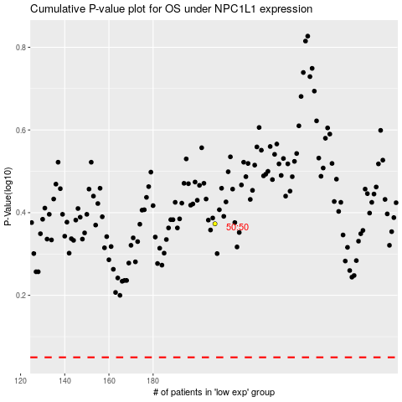

 |  |  |  |  |  | cases_OS | p_OS | rank | exp
 |  |  |  |  |  |  | cases_RFS | p_RFS | rank | exp

