NPHP3 _multivariate
Reported by Tex Li-Hsing Chi. tex@gate.sinica.edu.tw 2019-08-17

Table 2. The clinicopathological features of HNSCC cohort and NPHP3 expression. (Chi square test)
Cutoff at 0.295 (69.8%)
 |  | NPHP3 expression |  | NPHP3 expression |  | (Optimised)
 | Features | Low | (%) | High | (%) | Case no | P-value | Remark | Matthews
Gender | Female | 206 | 49.6 | 100 | 24.1 | 415 | 0.0747 | 0 | 0
2 | Male | 84 | 20.2 | 25 | 6
Age at diagnosis | <=65y | 193 | 46.5 | 81 | 19.5 | 415 | 0.816 | 0 | 0
4 | >65y | 97 | 23.4 | 44 | 10.6
Clinical T Status | T1+T2 | 102 | 24.6 | 47 | 11.3 | 415 | 0.7178 | 0 | 0
6 | T3+T4 | 188 | 45.3 | 78 | 18.8
Clinical N Status | N0 | 150 | 36.1 | 66 | 15.9 | 415 | 0.925 | 0 | 0
8 | N1-3 | 140 | 33.7 | 59 | 14.2
Clinical M Status | M0 | 288 | 69.4 | 124 | 29.9 | 415 | 1 | 0 | 0
10 | M1 | 2 | 0.5 | 1 | 0.2
Clinical Stage | Stage I+II | 73 | 17.6 | 29 | 7 | 415 | 0.7612 | 0 | 0
12 | Stage III+IV | 217 | 52.3 | 96 | 23.1
Surgical Margin status | Negative | 231 | 55.7 | 87 | 21 | 415 | 0.0316 | 1 | 0
14 | Positive | 59 | 14.2 | 38 | 9.2
Tobacco Exposure | Low | 113 | 27.2 | 48 | 11.6 | 415 | 1 | 0 | 0
16 | High | 177 | 42.7 | 77 | 18.6

Table 3. Univariate/Multivariate Cox's proportional hazards regression analyses on OS time of NPHP3 gene expression in HNSCC

 |  | Univariate |  |  |  | Multivariate
 | Features | HR | CI95%(L) | CI95%(H) | P-value | HR | CI95%(L) | CI95%(H) | P-value
1 | Female | 1 |  |  |  | 1
Gender | Male | 1.157 | 0.843 | 1.587 | 0.367 | 1.146 | 0.817 | 1.606 | 0.431
11 | <=65y | 1 |  |  |  | 1
Age at diagnosis | >65y | 1.329 | 0.99 | 1.784 | 0.058 | 1.428 | 1.05 | 1.942 | 0.023
12 | T1+T2 | 1 |  |  |  | 1
Clinical T Status | T3+T4 | 1.409 | 1.028 | 1.931 | 0.033 | 2.108 | 1.114 | 3.988 | 0.022
13 | N0 | 1 |  |  |  | 1
Clinical N Status | N1-3 | 1.185 | 0.89 | 1.577 | 0.246 | 1.227 | 0.861 | 1.75 | 0.258
14 | M0 | 1 |  |  |  | 1
Clinical M Status | M1 | 4.097 | 1.009 | 16.644 | 0.049 | 8.713 | 1.898 | 40.001 | 0.005
15 | Stage I+II | 1 |  |  |  | 1
Clinical Stage | Stage III+IV | 1.245 | 0.882 | 1.759 | 0.213 | 0.528 | 0.246 | 1.134 | 0.102
16 | Negative | 1 |  |  |  | 1
Surgical Margin status | Positive | 1.591 | 1.155 | 2.191 | 0.004 | 1.705 | 1.234 | 2.355 | 0.001
17 | Low | 1 |  |  |  | 1
Tobacco Exposure | High | 1.364 | 1.008 | 1.844 | 0.044 | 1.455 | 1.055 | 2.007 | 0.022
18 | Low | 1 |  |  |  | 1
RNAseq(z-score) | High | 0.707 | 0.508 | 0.984 | 0.04 | 0.713 | 0.509 | 0.997 | 0.048

Table 4. Univariate/Multivariate Cox's proportional hazards regression analyses on RFS time of NPHP3 gene expression in HNSCC

 |  | Univariate |  |  |  | Multivariate
 | Features | HR | CI95%(L) | CI95%(H) | P-value | HR | CI95%(L) | CI95%(H) | P-value
1 | Female | 1 |  |  |  | 1
Gender | Male | 1.157 | 0.843 | 1.587 | 0.367 | 1.146 | 0.817 | 1.606 | 0.431
11 | <=65y | 1 |  |  |  | 1
Age at diagnosis | >65y | 1.329 | 0.99 | 1.784 | 0.058 | 1.428 | 1.05 | 1.942 | 0.023
12 | T1+T2 | 1 |  |  |  | 1
Clinical T Status | T3+T4 | 1.409 | 1.028 | 1.931 | 0.033 | 2.108 | 1.114 | 3.988 | 0.022
13 | N0 | 1 |  |  |  | 1
Clinical N Status | N1-3 | 1.185 | 0.89 | 1.577 | 0.246 | 1.227 | 0.861 | 1.75 | 0.258
14 | M0 | 1 |  |  |  | 1
Clinical M Status | M1 | 4.097 | 1.009 | 16.644 | 0.049 | 8.713 | 1.898 | 40.001 | 0.005
15 | Stage I+II | 1 |  |  |  | 1
Clinical Stage | Stage III+IV | 1.245 | 0.882 | 1.759 | 0.213 | 0.528 | 0.246 | 1.134 | 0.102
16 | Negative | 1 |  |  |  | 1
Surgical Margin status | Positive | 1.591 | 1.155 | 2.191 | 0.004 | 1.705 | 1.234 | 2.355 | 0.001
17 | Low | 1 |  |  |  | 1
Tobacco Exposure | High | 1.364 | 1.008 | 1.844 | 0.044 | 1.455 | 1.055 | 2.007 | 0.022
18 | Low | 1 |  |  |  | 1
RNAseq(z-score) | High | 0.707 | 0.508 | 0.984 | 0.04 | 0.713 | 0.509 | 0.997 | 0.048

Kaplan-Meier survival estimate: Cutoff at 0.295 (69.8%)



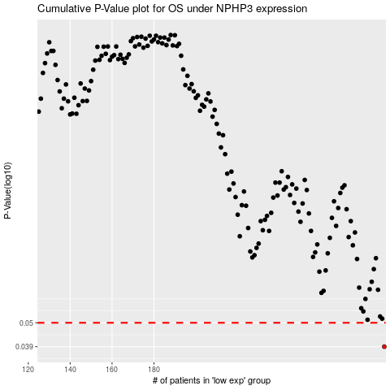

 |  |  |  |  |  | cases_OS | p_OS | rank | exp
 |  |  |  |  |  | 290 | 0.039 | 136 | 0.29498514927
 |  |  |  |  |  |  | cases_RFS | p_RFS | rank | exp
 |  |  |  |  |  |  | 289 | 0.039 | 123 | 0.2715424979

