NPHP4 _multivariate
Reported by Tex Li-Hsing Chi. tex@gate.sinica.edu.tw 2019-08-17

Table 2. The clinicopathological features of HNSCC cohort and NPHP4 expression. (Chi square test)
Cutoff at -0.152 (47.1%)
 |  | NPHP4 expression |  | NPHP4 expression |  | (Optimised)
 | Features | Low | (%) | High | (%) | Case no | P-value | Remark | Matthews
Gender | Female | 137 | 33 | 169 | 40.7 | 415 | 0.1167 | 0 | 0
2 | Male | 59 | 14.2 | 50 | 12
Age at diagnosis | <=65y | 117 | 28.2 | 157 | 37.8 | 415 | 0.0134 | 1 | 0
4 | >65y | 79 | 19 | 62 | 14.9
Clinical T Status | T1+T2 | 72 | 17.3 | 77 | 18.6 | 415 | 0.817 | 0 | 0
6 | T3+T4 | 124 | 29.9 | 142 | 34.2
Clinical N Status | N0 | 107 | 25.8 | 109 | 26.3 | 415 | 0.3773 | 0 | 0
8 | N1-3 | 89 | 21.4 | 110 | 26.5
Clinical M Status | M0 | 194 | 46.7 | 218 | 52.5 | 415 | 0.6044 | 0 | 0
10 | M1 | 2 | 0.5 | 1 | 0.2
Clinical Stage | Stage I+II | 51 | 12.3 | 51 | 12.3 | 415 | 0.5952 | 0 | 0
12 | Stage III+IV | 145 | 34.9 | 168 | 40.5
Surgical Margin status | Negative | 145 | 34.9 | 173 | 41.7 | 415 | 0.2465 | 0 | 0
14 | Positive | 51 | 12.3 | 46 | 11.1
Tobacco Exposure | Low | 77 | 18.6 | 84 | 20.2 | 415 | 0.9197 | 0 | 0
16 | High | 119 | 28.7 | 135 | 32.5

Table 3. Univariate/Multivariate Cox's proportional hazards regression analyses on OS time of NPHP4 gene expression in HNSCC

 |  | Univariate |  |  |  | Multivariate
 | Features | HR | CI95%(L) | CI95%(H) | P-value | HR | CI95%(L) | CI95%(H) | P-value
1 | Female | 1 |  |  |  | 1
Gender | Male | 1.157 | 0.843 | 1.587 | 0.367 | 1.177 | 0.841 | 1.647 | 0.343
11 | <=65y | 1 |  |  |  | 1
Age at diagnosis | >65y | 1.329 | 0.99 | 1.784 | 0.058 | 1.365 | 1.004 | 1.857 | 0.047
12 | T1+T2 | 1 |  |  |  | 1
Clinical T Status | T3+T4 | 1.409 | 1.028 | 1.931 | 0.033 | 2.171 | 1.148 | 4.106 | 0.017
13 | N0 | 1 |  |  |  | 1
Clinical N Status | N1-3 | 1.185 | 0.89 | 1.577 | 0.246 | 1.263 | 0.885 | 1.801 | 0.198
14 | M0 | 1 |  |  |  | 1
Clinical M Status | M1 | 4.097 | 1.009 | 16.644 | 0.049 | 8.407 | 1.823 | 38.763 | 0.006
15 | Stage I+II | 1 |  |  |  | 1
Clinical Stage | Stage III+IV | 1.245 | 0.882 | 1.759 | 0.213 | 0.51 | 0.238 | 1.094 | 0.084
16 | Negative | 1 |  |  |  | 1
Surgical Margin status | Positive | 1.591 | 1.155 | 2.191 | 0.004 | 1.647 | 1.191 | 2.276 | 0.003
17 | Low | 1 |  |  |  | 1
Tobacco Exposure | High | 1.364 | 1.008 | 1.844 | 0.044 | 1.447 | 1.049 | 1.997 | 0.024
18 | Low | 1 |  |  |  | 1
RNAseq(z-score) | High | 0.734 | 0.551 | 0.977 | 0.034 | 0.784 | 0.586 | 1.049 | 0.101

Table 4. Univariate/Multivariate Cox's proportional hazards regression analyses on RFS time of NPHP4 gene expression in HNSCC

 |  | Univariate |  |  |  | Multivariate
 | Features | HR | CI95%(L) | CI95%(H) | P-value | HR | CI95%(L) | CI95%(H) | P-value
1 | Female | 1 |  |  |  | 1
Gender | Male | 1.157 | 0.843 | 1.587 | 0.367 | 1.177 | 0.841 | 1.647 | 0.343
11 | <=65y | 1 |  |  |  | 1
Age at diagnosis | >65y | 1.329 | 0.99 | 1.784 | 0.058 | 1.365 | 1.004 | 1.857 | 0.047
12 | T1+T2 | 1 |  |  |  | 1
Clinical T Status | T3+T4 | 1.409 | 1.028 | 1.931 | 0.033 | 2.171 | 1.148 | 4.106 | 0.017
13 | N0 | 1 |  |  |  | 1
Clinical N Status | N1-3 | 1.185 | 0.89 | 1.577 | 0.246 | 1.263 | 0.885 | 1.801 | 0.198
14 | M0 | 1 |  |  |  | 1
Clinical M Status | M1 | 4.097 | 1.009 | 16.644 | 0.049 | 8.407 | 1.823 | 38.763 | 0.006
15 | Stage I+II | 1 |  |  |  | 1
Clinical Stage | Stage III+IV | 1.245 | 0.882 | 1.759 | 0.213 | 0.51 | 0.238 | 1.094 | 0.084
16 | Negative | 1 |  |  |  | 1
Surgical Margin status | Positive | 1.591 | 1.155 | 2.191 | 0.004 | 1.647 | 1.191 | 2.276 | 0.003
17 | Low | 1 |  |  |  | 1
Tobacco Exposure | High | 1.364 | 1.008 | 1.844 | 0.044 | 1.447 | 1.049 | 1.997 | 0.024
18 | Low | 1 |  |  |  | 1
RNAseq(z-score) | High | 0.734 | 0.551 | 0.977 | 0.034 | 0.784 | 0.586 | 1.049 | 0.101

Kaplan-Meier survival estimate: Cutoff at -0.152 (47.1%)



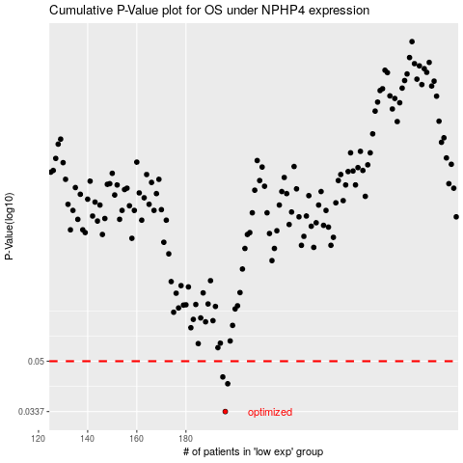

 |  |  |  |  |  | cases_OS | p_OS | rank | exp
 |  |  |  |  |  | 196 | 0.0337 | 128 | -0.15171724617
 |  |  |  |  |  | 197 | 0.0419 | 362 | -0.14264066283
 |  |  |  |  |  | 195 | 0.0442 | 302 | -0.15339583481
 |  |  |  |  |  |  | cases_RFS | p_RFS | rank | exp
 |  |  |  |  |  |  | 195 | 0.0337 | 302 | -0.15339583481
 |  |  |  |  |  |  | 196 | 0.0419 | 128 | -0.15171724617
 |  |  |  |  |  |  | 194 | 0.0442 | 58 | -0.15490461891

