NPIPL3 _multivariate
Reported by Tex Li-Hsing Chi. tex@gate.sinica.edu.tw 2019-08-17

Table 2. The clinicopathological features of HNSCC cohort and NPIPL3 expression. (Chi square test)
Cutoff at -0.363 (50.0%)
 |  | NPIPL3 expression |  | NPIPL3 expression |  | (Optimised)
 | Features | Low | (%) | High | (%) | Case no | P-value | Remark | Matthews
Gender | Female | 147 | 35.4 | 159 | 38.3 | 415 | 0.2523 | 0 | 0
2 | Male | 60 | 14.5 | 49 | 11.8
Age at diagnosis | <=65y | 137 | 33 | 137 | 33 | 415 | 1 | 0 | 0
4 | >65y | 70 | 16.9 | 71 | 17.1
Clinical T Status | T1+T2 | 72 | 17.3 | 77 | 18.6 | 415 | 0.7095 | 0 | 0
6 | T3+T4 | 135 | 32.5 | 131 | 31.6
Clinical N Status | N0 | 106 | 25.5 | 110 | 26.5 | 415 | 0.8075 | 0 | 0
8 | N1-3 | 101 | 24.3 | 98 | 23.6
Clinical M Status | M0 | 207 | 49.9 | 205 | 49.4 | 415 | 0.2482 | 0 | 0
10 | M1 | 0 | 0 | 3 | 0.7
Clinical Stage | Stage I+II | 50 | 12 | 52 | 12.5 | 415 | 0.9315 | 0 | 0
12 | Stage III+IV | 157 | 37.8 | 156 | 37.6
Surgical Margin status | Negative | 165 | 39.8 | 153 | 36.9 | 415 | 0.1639 | 0 | 0
14 | Positive | 42 | 10.1 | 55 | 13.3
Tobacco Exposure | Low | 85 | 20.5 | 76 | 18.3 | 415 | 0.3655 | 0 | 0
16 | High | 122 | 29.4 | 132 | 31.8

Table 3. Univariate/Multivariate Cox's proportional hazards regression analyses on OS time of NPIPL3 gene expression in HNSCC

 |  | Univariate |  |  |  | Multivariate
 | Features | HR | CI95%(L) | CI95%(H) | P-value | HR | CI95%(L) | CI95%(H) | P-value
1 | Female | 1 |  |  |  | 1
Gender | Male | 1.157 | 0.843 | 1.587 | 0.367 | 1.203 | 0.863 | 1.677 | 0.276
11 | <=65y | 1 |  |  |  | 1
Age at diagnosis | >65y | 1.329 | 0.99 | 1.784 | 0.058 | 1.429 | 1.05 | 1.943 | 0.023
12 | T1+T2 | 1 |  |  |  | 1
Clinical T Status | T3+T4 | 1.409 | 1.028 | 1.931 | 0.033 | 2.223 | 1.176 | 4.202 | 0.014
13 | N0 | 1 |  |  |  | 1
Clinical N Status | N1-3 | 1.185 | 0.89 | 1.577 | 0.246 | 1.247 | 0.874 | 1.78 | 0.223
14 | M0 | 1 |  |  |  | 1
Clinical M Status | M1 | 4.097 | 1.009 | 16.644 | 0.049 | 11.109 | 2.398 | 51.46 | 0.002
15 | Stage I+II | 1 |  |  |  | 1
Clinical Stage | Stage III+IV | 1.245 | 0.882 | 1.759 | 0.213 | 0.508 | 0.237 | 1.091 | 0.083
16 | Negative | 1 |  |  |  | 1
Surgical Margin status | Positive | 1.591 | 1.155 | 2.191 | 0.004 | 1.711 | 1.237 | 2.366 | 0.001
17 | Low | 1 |  |  |  | 1
Tobacco Exposure | High | 1.364 | 1.008 | 1.844 | 0.044 | 1.5 | 1.087 | 2.07 | 0.014
18 | Low | 1 |  |  |  | 1
RNAseq(z-score) | High | 0.837 | 0.627 | 1.118 | 0.228 | 0.747 | 0.556 | 1.003 | 0.053

Table 4. Univariate/Multivariate Cox's proportional hazards regression analyses on RFS time of NPIPL3 gene expression in HNSCC

 |  | Univariate |  |  |  | Multivariate
 | Features | HR | CI95%(L) | CI95%(H) | P-value | HR | CI95%(L) | CI95%(H) | P-value
1 | Female | 1 |  |  |  | 1
Gender | Male | 1.157 | 0.843 | 1.587 | 0.367 | 1.203 | 0.863 | 1.677 | 0.276
11 | <=65y | 1 |  |  |  | 1
Age at diagnosis | >65y | 1.329 | 0.99 | 1.784 | 0.058 | 1.429 | 1.05 | 1.943 | 0.023
12 | T1+T2 | 1 |  |  |  | 1
Clinical T Status | T3+T4 | 1.409 | 1.028 | 1.931 | 0.033 | 2.223 | 1.176 | 4.202 | 0.014
13 | N0 | 1 |  |  |  | 1
Clinical N Status | N1-3 | 1.185 | 0.89 | 1.577 | 0.246 | 1.247 | 0.874 | 1.78 | 0.223
14 | M0 | 1 |  |  |  | 1
Clinical M Status | M1 | 4.097 | 1.009 | 16.644 | 0.049 | 11.109 | 2.398 | 51.46 | 0.002
15 | Stage I+II | 1 |  |  |  | 1
Clinical Stage | Stage III+IV | 1.245 | 0.882 | 1.759 | 0.213 | 0.508 | 0.237 | 1.091 | 0.083
16 | Negative | 1 |  |  |  | 1
Surgical Margin status | Positive | 1.591 | 1.155 | 2.191 | 0.004 | 1.711 | 1.237 | 2.366 | 0.001
17 | Low | 1 |  |  |  | 1
Tobacco Exposure | High | 1.364 | 1.008 | 1.844 | 0.044 | 1.5 | 1.087 | 2.07 | 0.014
18 | Low | 1 |  |  |  | 1
RNAseq(z-score) | High | 0.837 | 0.627 | 1.118 | 0.228 | 0.747 | 0.556 | 1.003 | 0.053

Kaplan-Meier survival estimate: Cutoff at -0.363 (50.0%)



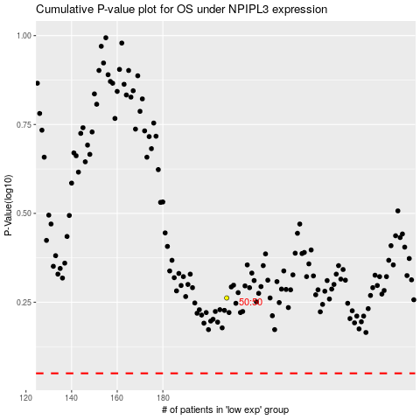

 |  |  |  |  |  | cases_OS | p_OS | rank | exp
 |  |  |  |  |  |  | cases_RFS | p_RFS | rank | exp

