NPL _multivariate
Reported by Tex Li-Hsing Chi. tex@gate.sinica.edu.tw 2019-08-17

Table 2. The clinicopathological features of HNSCC cohort and NPL expression. (Chi square test)
Cutoff at -0.266 (49.8%)
 |  | NPL expression |  | NPL expression |  | (Optimised)
 | Features | Low | (%) | High | (%) | Case no | P-value | Remark | Matthews
Gender | Female | 160 | 38.6 | 146 | 35.2 | 415 | 0.1254 | 0 | 0
2 | Male | 47 | 11.3 | 62 | 14.9
Age at diagnosis | <=65y | 140 | 33.7 | 134 | 32.3 | 415 | 0.5574 | 0 | 0
4 | >65y | 67 | 16.1 | 74 | 17.8
Clinical T Status | T1+T2 | 78 | 18.8 | 71 | 17.1 | 415 | 0.5152 | 0 | 0
6 | T3+T4 | 129 | 31.1 | 137 | 33
Clinical N Status | N0 | 102 | 24.6 | 114 | 27.5 | 415 | 0.3031 | 0 | 0
8 | N1-3 | 105 | 25.3 | 94 | 22.7
Clinical M Status | M0 | 206 | 49.6 | 206 | 49.6 | 415 | 1 | 0 | 0
10 | M1 | 1 | 0.2 | 2 | 0.5
Clinical Stage | Stage I+II | 54 | 13 | 48 | 11.6 | 415 | 0.5498 | 0 | 0
12 | Stage III+IV | 153 | 36.9 | 160 | 38.6
Surgical Margin status | Negative | 159 | 38.3 | 159 | 38.3 | 415 | 1 | 0 | 0
14 | Positive | 48 | 11.6 | 49 | 11.8
Tobacco Exposure | Low | 82 | 19.8 | 79 | 19 | 415 | 0.763 | 0 | 0
16 | High | 125 | 30.1 | 129 | 31.1

Table 3. Univariate/Multivariate Cox's proportional hazards regression analyses on OS time of NPL gene expression in HNSCC

 |  | Univariate |  |  |  | Multivariate
 | Features | HR | CI95%(L) | CI95%(H) | P-value | HR | CI95%(L) | CI95%(H) | P-value
1 | Female | 1 |  |  |  | 1
Gender | Male | 1.157 | 0.843 | 1.587 | 0.367 | 1.206 | 0.863 | 1.685 | 0.274
11 | <=65y | 1 |  |  |  | 1
Age at diagnosis | >65y | 1.329 | 0.99 | 1.784 | 0.058 | 1.385 | 1.019 | 1.884 | 0.038
12 | T1+T2 | 1 |  |  |  | 1
Clinical T Status | T3+T4 | 1.409 | 1.028 | 1.931 | 0.033 | 2.235 | 1.18 | 4.232 | 0.014
13 | N0 | 1 |  |  |  | 1
Clinical N Status | N1-3 | 1.185 | 0.89 | 1.577 | 0.246 | 1.241 | 0.87 | 1.771 | 0.233
14 | M0 | 1 |  |  |  | 1
Clinical M Status | M1 | 4.097 | 1.009 | 16.644 | 0.049 | 9.82 | 2.132 | 45.227 | 0.003
15 | Stage I+II | 1 |  |  |  | 1
Clinical Stage | Stage III+IV | 1.245 | 0.882 | 1.759 | 0.213 | 0.501 | 0.233 | 1.077 | 0.077
16 | Negative | 1 |  |  |  | 1
Surgical Margin status | Positive | 1.591 | 1.155 | 2.191 | 0.004 | 1.674 | 1.212 | 2.312 | 0.002
17 | Low | 1 |  |  |  | 1
Tobacco Exposure | High | 1.364 | 1.008 | 1.844 | 0.044 | 1.464 | 1.061 | 2.019 | 0.02
18 | Low | 1 |  |  |  | 1
RNAseq(z-score) | High | 0.956 | 0.717 | 1.274 | 0.759 | 0.9 | 0.673 | 1.202 | 0.475

Table 4. Univariate/Multivariate Cox's proportional hazards regression analyses on RFS time of NPL gene expression in HNSCC

 |  | Univariate |  |  |  | Multivariate
 | Features | HR | CI95%(L) | CI95%(H) | P-value | HR | CI95%(L) | CI95%(H) | P-value
1 | Female | 1 |  |  |  | 1
Gender | Male | 1.157 | 0.843 | 1.587 | 0.367 | 1.206 | 0.863 | 1.685 | 0.274
11 | <=65y | 1 |  |  |  | 1
Age at diagnosis | >65y | 1.329 | 0.99 | 1.784 | 0.058 | 1.385 | 1.019 | 1.884 | 0.038
12 | T1+T2 | 1 |  |  |  | 1
Clinical T Status | T3+T4 | 1.409 | 1.028 | 1.931 | 0.033 | 2.235 | 1.18 | 4.232 | 0.014
13 | N0 | 1 |  |  |  | 1
Clinical N Status | N1-3 | 1.185 | 0.89 | 1.577 | 0.246 | 1.241 | 0.87 | 1.771 | 0.233
14 | M0 | 1 |  |  |  | 1
Clinical M Status | M1 | 4.097 | 1.009 | 16.644 | 0.049 | 9.82 | 2.132 | 45.227 | 0.003
15 | Stage I+II | 1 |  |  |  | 1
Clinical Stage | Stage III+IV | 1.245 | 0.882 | 1.759 | 0.213 | 0.501 | 0.233 | 1.077 | 0.077
16 | Negative | 1 |  |  |  | 1
Surgical Margin status | Positive | 1.591 | 1.155 | 2.191 | 0.004 | 1.674 | 1.212 | 2.312 | 0.002
17 | Low | 1 |  |  |  | 1
Tobacco Exposure | High | 1.364 | 1.008 | 1.844 | 0.044 | 1.464 | 1.061 | 2.019 | 0.02
18 | Low | 1 |  |  |  | 1
RNAseq(z-score) | High | 0.956 | 0.717 | 1.274 | 0.759 | 0.9 | 0.673 | 1.202 | 0.475

Kaplan-Meier survival estimate: Cutoff at -0.266 (49.8%)

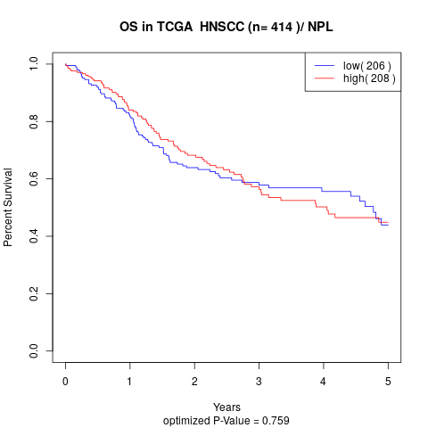

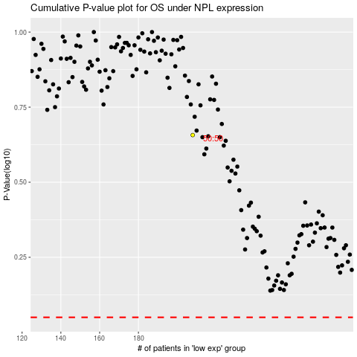

 |  |  |  |  |  | cases_OS | p_OS | rank | exp
 |  |  |  |  |  |  | cases_RFS | p_RFS | rank | exp

