NPLOC4 _multivariate
Reported by Tex Li-Hsing Chi. tex@gate.sinica.edu.tw 2019-08-17

Table 2. The clinicopathological features of HNSCC cohort and NPLOC4 expression. (Chi square test)
Cutoff at 0.18 (62.8%)
 |  | NPLOC4 expression |  | NPLOC4 expression |  | (Optimised)
 | Features | Low | (%) | High | (%) | Case no | P-value | Remark | Matthews
Gender | Female | 191 | 46 | 115 | 27.7 | 415 | 0.9612 | 0 | 0
2 | Male | 69 | 16.6 | 40 | 9.6
Age at diagnosis | <=65y | 161 | 38.8 | 113 | 27.2 | 415 | 0.0294 | 1 | 0
4 | >65y | 99 | 23.9 | 42 | 10.1
Clinical T Status | T1+T2 | 100 | 24.1 | 49 | 11.8 | 415 | 0.1932 | 0 | 0
6 | T3+T4 | 160 | 38.6 | 106 | 25.5
Clinical N Status | N0 | 142 | 34.2 | 74 | 17.8 | 415 | 0.2098 | 0 | 0
8 | N1-3 | 118 | 28.4 | 81 | 19.5
Clinical M Status | M0 | 258 | 62.2 | 154 | 37.1 | 415 | 1 | 0 | 0
10 | M1 | 2 | 0.5 | 1 | 0.2
Clinical Stage | Stage I+II | 69 | 16.6 | 33 | 8 | 415 | 0.2787 | 0 | 0
12 | Stage III+IV | 191 | 46 | 122 | 29.4
Surgical Margin status | Negative | 191 | 46 | 127 | 30.6 | 415 | 0.0551 | 0 | 0
14 | Positive | 69 | 16.6 | 28 | 6.7
Tobacco Exposure | Low | 108 | 26 | 53 | 12.8 | 415 | 0.146 | 0 | 0
16 | High | 152 | 36.6 | 102 | 24.6

Table 3. Univariate/Multivariate Cox's proportional hazards regression analyses on OS time of NPLOC4 gene expression in HNSCC

 |  | Univariate |  |  |  | Multivariate
 | Features | HR | CI95%(L) | CI95%(H) | P-value | HR | CI95%(L) | CI95%(H) | P-value
1 | Female | 1 |  |  |  | 1
Gender | Male | 1.157 | 0.843 | 1.587 | 0.367 | 1.191 | 0.852 | 1.666 | 0.306
11 | <=65y | 1 |  |  |  | 1
Age at diagnosis | >65y | 1.329 | 0.99 | 1.784 | 0.058 | 1.364 | 1.003 | 1.855 | 0.048
12 | T1+T2 | 1 |  |  |  | 1
Clinical T Status | T3+T4 | 1.409 | 1.028 | 1.931 | 0.033 | 2.283 | 1.207 | 4.318 | 0.011
13 | N0 | 1 |  |  |  | 1
Clinical N Status | N1-3 | 1.185 | 0.89 | 1.577 | 0.246 | 1.272 | 0.891 | 1.816 | 0.185
14 | M0 | 1 |  |  |  | 1
Clinical M Status | M1 | 4.097 | 1.009 | 16.644 | 0.049 | 9.599 | 2.094 | 44.012 | 0.004
15 | Stage I+II | 1 |  |  |  | 1
Clinical Stage | Stage III+IV | 1.245 | 0.882 | 1.759 | 0.213 | 0.495 | 0.23 | 1.062 | 0.071
16 | Negative | 1 |  |  |  | 1
Surgical Margin status | Positive | 1.591 | 1.155 | 2.191 | 0.004 | 1.633 | 1.182 | 2.257 | 0.003
17 | Low | 1 |  |  |  | 1
Tobacco Exposure | High | 1.364 | 1.008 | 1.844 | 0.044 | 1.467 | 1.064 | 2.022 | 0.019
18 | Low | 1 |  |  |  | 1
RNAseq(z-score) | High | 0.732 | 0.538 | 0.995 | 0.046 | 0.722 | 0.529 | 0.985 | 0.04

Table 4. Univariate/Multivariate Cox's proportional hazards regression analyses on RFS time of NPLOC4 gene expression in HNSCC

 |  | Univariate |  |  |  | Multivariate
 | Features | HR | CI95%(L) | CI95%(H) | P-value | HR | CI95%(L) | CI95%(H) | P-value
1 | Female | 1 |  |  |  | 1
Gender | Male | 1.157 | 0.843 | 1.587 | 0.367 | 1.191 | 0.852 | 1.666 | 0.306
11 | <=65y | 1 |  |  |  | 1
Age at diagnosis | >65y | 1.329 | 0.99 | 1.784 | 0.058 | 1.364 | 1.003 | 1.855 | 0.048
12 | T1+T2 | 1 |  |  |  | 1
Clinical T Status | T3+T4 | 1.409 | 1.028 | 1.931 | 0.033 | 2.283 | 1.207 | 4.318 | 0.011
13 | N0 | 1 |  |  |  | 1
Clinical N Status | N1-3 | 1.185 | 0.89 | 1.577 | 0.246 | 1.272 | 0.891 | 1.816 | 0.185
14 | M0 | 1 |  |  |  | 1
Clinical M Status | M1 | 4.097 | 1.009 | 16.644 | 0.049 | 9.599 | 2.094 | 44.012 | 0.004
15 | Stage I+II | 1 |  |  |  | 1
Clinical Stage | Stage III+IV | 1.245 | 0.882 | 1.759 | 0.213 | 0.495 | 0.23 | 1.062 | 0.071
16 | Negative | 1 |  |  |  | 1
Surgical Margin status | Positive | 1.591 | 1.155 | 2.191 | 0.004 | 1.633 | 1.182 | 2.257 | 0.003
17 | Low | 1 |  |  |  | 1
Tobacco Exposure | High | 1.364 | 1.008 | 1.844 | 0.044 | 1.467 | 1.064 | 2.022 | 0.019
18 | Low | 1 |  |  |  | 1
RNAseq(z-score) | High | 0.732 | 0.538 | 0.995 | 0.046 | 0.722 | 0.529 | 0.985 | 0.04

Kaplan-Meier survival estimate: Cutoff at 0.18 (62.8%)



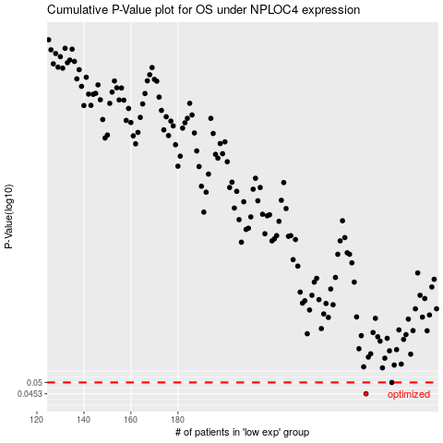

 |  |  |  |  |  | cases_OS | p_OS | rank | exp
 |  |  |  |  |  | 260 | 0.0453 | 63 | 0.18003018991
 |  |  |  |  |  | 271 | 0.05 | 47 | 0.27639386131
 |  |  |  |  |  |  | cases_RFS | p_RFS | rank | exp
 |  |  |  |  |  |  | 259 | 0.0453 | 404 | 0.16950448385
 |  |  |  |  |  |  | 270 | 0.05 | 227 | 0.25280366049

