NPM2 _multivariate
Reported by Tex Li-Hsing Chi. tex@gate.sinica.edu.tw 2019-08-17

Table 2. The clinicopathological features of HNSCC cohort and NPM2 expression. (Chi square test)
Cutoff at -0.369 (49.8%)
 |  | NPM2 expression |  | NPM2 expression |  | (Optimised)
 | Features | Low | (%) | High | (%) | Case no | P-value | Remark | Matthews
Gender | Female | 148 | 35.7 | 158 | 38.1 | 415 | 0.3567 | 0 | 0
2 | Male | 59 | 14.2 | 50 | 12
Age at diagnosis | <=65y | 136 | 32.8 | 138 | 33.3 | 415 | 0.9719 | 0 | 0
4 | >65y | 71 | 17.1 | 70 | 16.9
Clinical T Status | T1+T2 | 79 | 19 | 70 | 16.9 | 415 | 0.3924 | 0 | 0
6 | T3+T4 | 128 | 30.8 | 138 | 33.3
Clinical N Status | N0 | 101 | 24.3 | 115 | 27.7 | 415 | 0.2201 | 0 | 0
8 | N1-3 | 106 | 25.5 | 93 | 22.4
Clinical M Status | M0 | 204 | 49.2 | 208 | 50.1 | 415 | 0.1232 | 0 | 0
10 | M1 | 3 | 0.7 | 0 | 0
Clinical Stage | Stage I+II | 53 | 12.8 | 49 | 11.8 | 415 | 0.7113 | 0 | 0
12 | Stage III+IV | 154 | 37.1 | 159 | 38.3
Surgical Margin status | Negative | 162 | 39 | 156 | 37.6 | 415 | 0.4867 | 0 | 0
14 | Positive | 45 | 10.8 | 52 | 12.5
Tobacco Exposure | Low | 90 | 21.7 | 71 | 17.1 | 415 | 0.0559 | 0 | 0
16 | High | 117 | 28.2 | 137 | 33

Table 3. Univariate/Multivariate Cox's proportional hazards regression analyses on OS time of NPM2 gene expression in HNSCC

 |  | Univariate |  |  |  | Multivariate
 | Features | HR | CI95%(L) | CI95%(H) | P-value | HR | CI95%(L) | CI95%(H) | P-value
1 | Female | 1 |  |  |  | 1
Gender | Male | 1.157 | 0.843 | 1.587 | 0.367 | 1.184 | 0.846 | 1.655 | 0.324
11 | <=65y | 1 |  |  |  | 1
Age at diagnosis | >65y | 1.329 | 0.99 | 1.784 | 0.058 | 1.408 | 1.035 | 1.915 | 0.029
12 | T1+T2 | 1 |  |  |  | 1
Clinical T Status | T3+T4 | 1.409 | 1.028 | 1.931 | 0.033 | 2.217 | 1.173 | 4.191 | 0.014
13 | N0 | 1 |  |  |  | 1
Clinical N Status | N1-3 | 1.185 | 0.89 | 1.577 | 0.246 | 1.229 | 0.862 | 1.753 | 0.255
14 | M0 | 1 |  |  |  | 1
Clinical M Status | M1 | 4.097 | 1.009 | 16.644 | 0.049 | 8.77 | 1.903 | 40.405 | 0.005
15 | Stage I+II | 1 |  |  |  | 1
Clinical Stage | Stage III+IV | 1.245 | 0.882 | 1.759 | 0.213 | 0.507 | 0.236 | 1.089 | 0.082
16 | Negative | 1 |  |  |  | 1
Surgical Margin status | Positive | 1.591 | 1.155 | 2.191 | 0.004 | 1.664 | 1.205 | 2.298 | 0.002
17 | Low | 1 |  |  |  | 1
Tobacco Exposure | High | 1.364 | 1.008 | 1.844 | 0.044 | 1.486 | 1.075 | 2.054 | 0.016
18 | Low | 1 |  |  |  | 1
RNAseq(z-score) | High | 0.874 | 0.654 | 1.167 | 0.36 | 0.854 | 0.635 | 1.149 | 0.297

Table 4. Univariate/Multivariate Cox's proportional hazards regression analyses on RFS time of NPM2 gene expression in HNSCC

 |  | Univariate |  |  |  | Multivariate
 | Features | HR | CI95%(L) | CI95%(H) | P-value | HR | CI95%(L) | CI95%(H) | P-value
1 | Female | 1 |  |  |  | 1
Gender | Male | 1.157 | 0.843 | 1.587 | 0.367 | 1.184 | 0.846 | 1.655 | 0.324
11 | <=65y | 1 |  |  |  | 1
Age at diagnosis | >65y | 1.329 | 0.99 | 1.784 | 0.058 | 1.408 | 1.035 | 1.915 | 0.029
12 | T1+T2 | 1 |  |  |  | 1
Clinical T Status | T3+T4 | 1.409 | 1.028 | 1.931 | 0.033 | 2.217 | 1.173 | 4.191 | 0.014
13 | N0 | 1 |  |  |  | 1
Clinical N Status | N1-3 | 1.185 | 0.89 | 1.577 | 0.246 | 1.229 | 0.862 | 1.753 | 0.255
14 | M0 | 1 |  |  |  | 1
Clinical M Status | M1 | 4.097 | 1.009 | 16.644 | 0.049 | 8.77 | 1.903 | 40.405 | 0.005
15 | Stage I+II | 1 |  |  |  | 1
Clinical Stage | Stage III+IV | 1.245 | 0.882 | 1.759 | 0.213 | 0.507 | 0.236 | 1.089 | 0.082
16 | Negative | 1 |  |  |  | 1
Surgical Margin status | Positive | 1.591 | 1.155 | 2.191 | 0.004 | 1.664 | 1.205 | 2.298 | 0.002
17 | Low | 1 |  |  |  | 1
Tobacco Exposure | High | 1.364 | 1.008 | 1.844 | 0.044 | 1.486 | 1.075 | 2.054 | 0.016
18 | Low | 1 |  |  |  | 1
RNAseq(z-score) | High | 0.874 | 0.654 | 1.167 | 0.36 | 0.854 | 0.635 | 1.149 | 0.297

Kaplan-Meier survival estimate: Cutoff at -0.369 (49.8%)



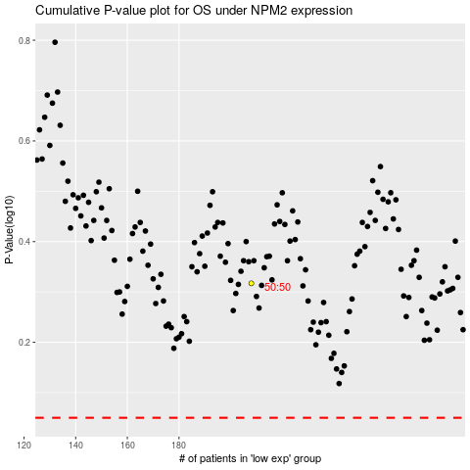

 |  |  |  |  |  | cases_OS | p_OS | rank | exp
 |  |  |  |  |  |  | cases_RFS | p_RFS | rank | exp

