NPR2 _multivariate
Reported by Tex Li-Hsing Chi. tex@gate.sinica.edu.tw 2019-08-17

Table 2. The clinicopathological features of HNSCC cohort and NPR2 expression. (Chi square test)
Cutoff at -0.28 (49.8%)
 |  | NPR2 expression |  | NPR2 expression |  | (Optimised)
 | Features | Low | (%) | High | (%) | Case no | P-value | Remark | Matthews
Gender | Female | 156 | 37.6 | 150 | 36.1 | 415 | 0.5222 | 0 | 0
2 | Male | 51 | 12.3 | 58 | 14
Age at diagnosis | <=65y | 139 | 33.5 | 135 | 32.5 | 415 | 0.7044 | 0 | 0
4 | >65y | 68 | 16.4 | 73 | 17.6
Clinical T Status | T1+T2 | 73 | 17.6 | 76 | 18.3 | 415 | 0.8666 | 0 | 0
6 | T3+T4 | 134 | 32.3 | 132 | 31.8
Clinical N Status | N0 | 105 | 25.3 | 111 | 26.7 | 415 | 0.6598 | 0 | 0
8 | N1-3 | 102 | 24.6 | 97 | 23.4
Clinical M Status | M0 | 204 | 49.2 | 208 | 50.1 | 415 | 0.1232 | 0 | 0
10 | M1 | 3 | 0.7 | 0 | 0
Clinical Stage | Stage I+II | 44 | 10.6 | 58 | 14 | 415 | 0.1459 | 0 | 0
12 | Stage III+IV | 163 | 39.3 | 150 | 36.1
Surgical Margin status | Negative | 161 | 38.8 | 157 | 37.8 | 415 | 0.6429 | 0 | 0
14 | Positive | 46 | 11.1 | 51 | 12.3
Tobacco Exposure | Low | 80 | 19.3 | 81 | 19.5 | 415 | 1 | 0 | 0
16 | High | 127 | 30.6 | 127 | 30.6

Table 3. Univariate/Multivariate Cox's proportional hazards regression analyses on OS time of NPR2 gene expression in HNSCC

 |  | Univariate |  |  |  | Multivariate
 | Features | HR | CI95%(L) | CI95%(H) | P-value | HR | CI95%(L) | CI95%(H) | P-value
1 | Female | 1 |  |  |  | 1
Gender | Male | 1.157 | 0.843 | 1.587 | 0.367 | 1.203 | 0.861 | 1.681 | 0.278
11 | <=65y | 1 |  |  |  | 1
Age at diagnosis | >65y | 1.329 | 0.99 | 1.784 | 0.058 | 1.394 | 1.025 | 1.895 | 0.034
12 | T1+T2 | 1 |  |  |  | 1
Clinical T Status | T3+T4 | 1.409 | 1.028 | 1.931 | 0.033 | 2.222 | 1.173 | 4.211 | 0.014
13 | N0 | 1 |  |  |  | 1
Clinical N Status | N1-3 | 1.185 | 0.89 | 1.577 | 0.246 | 1.243 | 0.871 | 1.774 | 0.23
14 | M0 | 1 |  |  |  | 1
Clinical M Status | M1 | 4.097 | 1.009 | 16.644 | 0.049 | 9.24 | 2.009 | 42.502 | 0.004
15 | Stage I+II | 1 |  |  |  | 1
Clinical Stage | Stage III+IV | 1.245 | 0.882 | 1.759 | 0.213 | 0.498 | 0.231 | 1.073 | 0.075
16 | Negative | 1 |  |  |  | 1
Surgical Margin status | Positive | 1.591 | 1.155 | 2.191 | 0.004 | 1.675 | 1.212 | 2.315 | 0.002
17 | Low | 1 |  |  |  | 1
Tobacco Exposure | High | 1.364 | 1.008 | 1.844 | 0.044 | 1.452 | 1.054 | 2.001 | 0.023
18 | Low | 1 |  |  |  | 1
RNAseq(z-score) | High | 0.969 | 0.727 | 1.291 | 0.829 | 0.951 | 0.71 | 1.273 | 0.735

Table 4. Univariate/Multivariate Cox's proportional hazards regression analyses on RFS time of NPR2 gene expression in HNSCC

 |  | Univariate |  |  |  | Multivariate
 | Features | HR | CI95%(L) | CI95%(H) | P-value | HR | CI95%(L) | CI95%(H) | P-value
1 | Female | 1 |  |  |  | 1
Gender | Male | 1.157 | 0.843 | 1.587 | 0.367 | 1.203 | 0.861 | 1.681 | 0.278
11 | <=65y | 1 |  |  |  | 1
Age at diagnosis | >65y | 1.329 | 0.99 | 1.784 | 0.058 | 1.394 | 1.025 | 1.895 | 0.034
12 | T1+T2 | 1 |  |  |  | 1
Clinical T Status | T3+T4 | 1.409 | 1.028 | 1.931 | 0.033 | 2.222 | 1.173 | 4.211 | 0.014
13 | N0 | 1 |  |  |  | 1
Clinical N Status | N1-3 | 1.185 | 0.89 | 1.577 | 0.246 | 1.243 | 0.871 | 1.774 | 0.23
14 | M0 | 1 |  |  |  | 1
Clinical M Status | M1 | 4.097 | 1.009 | 16.644 | 0.049 | 9.24 | 2.009 | 42.502 | 0.004
15 | Stage I+II | 1 |  |  |  | 1
Clinical Stage | Stage III+IV | 1.245 | 0.882 | 1.759 | 0.213 | 0.498 | 0.231 | 1.073 | 0.075
16 | Negative | 1 |  |  |  | 1
Surgical Margin status | Positive | 1.591 | 1.155 | 2.191 | 0.004 | 1.675 | 1.212 | 2.315 | 0.002
17 | Low | 1 |  |  |  | 1
Tobacco Exposure | High | 1.364 | 1.008 | 1.844 | 0.044 | 1.452 | 1.054 | 2.001 | 0.023
18 | Low | 1 |  |  |  | 1
RNAseq(z-score) | High | 0.969 | 0.727 | 1.291 | 0.829 | 0.951 | 0.71 | 1.273 | 0.735

Kaplan-Meier survival estimate: Cutoff at -0.28 (49.8%)



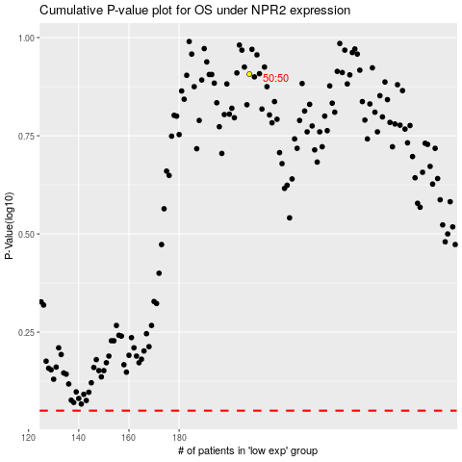

 |  |  |  |  |  | cases_OS | p_OS | rank | exp
 |  |  |  |  |  |  | cases_RFS | p_RFS | rank | exp

