NPR3 _multivariate
Reported by Tex Li-Hsing Chi. tex@gate.sinica.edu.tw 2019-08-17

Table 2. The clinicopathological features of HNSCC cohort and NPR3 expression. (Chi square test)
Cutoff at -0.229 (49.8%)
 |  | NPR3 expression |  | NPR3 expression |  | (Optimised)
 | Features | Low | (%) | High | (%) | Case no | P-value | Remark | Matthews
Gender | Female | 153 | 36.9 | 153 | 36.9 | 415 | 1 | 0 | 0
2 | Male | 54 | 13 | 55 | 13.3
Age at diagnosis | <=65y | 128 | 30.8 | 146 | 35.2 | 415 | 0.0904 | 0 | 0
4 | >65y | 79 | 19 | 62 | 14.9
Clinical T Status | T1+T2 | 73 | 17.6 | 76 | 18.3 | 415 | 0.8666 | 0 | 0
6 | T3+T4 | 134 | 32.3 | 132 | 31.8
Clinical N Status | N0 | 103 | 24.8 | 113 | 27.2 | 415 | 0.4047 | 0 | 0
8 | N1-3 | 104 | 25.1 | 95 | 22.9
Clinical M Status | M0 | 205 | 49.4 | 207 | 49.9 | 415 | 0.6232 | 0 | 0
10 | M1 | 2 | 0.5 | 1 | 0.2
Clinical Stage | Stage I+II | 52 | 12.5 | 50 | 12 | 415 | 0.8871 | 0 | 0
12 | Stage III+IV | 155 | 37.3 | 158 | 38.1
Surgical Margin status | Negative | 157 | 37.8 | 161 | 38.8 | 415 | 0.729 | 0 | 0
14 | Positive | 50 | 12 | 47 | 11.3
Tobacco Exposure | Low | 86 | 20.7 | 75 | 18.1 | 415 | 0.2687 | 0 | 0
16 | High | 121 | 29.2 | 133 | 32

Table 3. Univariate/Multivariate Cox's proportional hazards regression analyses on OS time of NPR3 gene expression in HNSCC

 |  | Univariate |  |  |  | Multivariate
 | Features | HR | CI95%(L) | CI95%(H) | P-value | HR | CI95%(L) | CI95%(H) | P-value
1 | Female | 1 |  |  |  | 1
Gender | Male | 1.157 | 0.843 | 1.587 | 0.367 | 1.202 | 0.86 | 1.679 | 0.282
11 | <=65y | 1 |  |  |  | 1
Age at diagnosis | >65y | 1.329 | 0.99 | 1.784 | 0.058 | 1.386 | 1.016 | 1.891 | 0.039
12 | T1+T2 | 1 |  |  |  | 1
Clinical T Status | T3+T4 | 1.409 | 1.028 | 1.931 | 0.033 | 2.201 | 1.164 | 4.162 | 0.015
13 | N0 | 1 |  |  |  | 1
Clinical N Status | N1-3 | 1.185 | 0.89 | 1.577 | 0.246 | 1.237 | 0.866 | 1.768 | 0.243
14 | M0 | 1 |  |  |  | 1
Clinical M Status | M1 | 4.097 | 1.009 | 16.644 | 0.049 | 9.383 | 2.046 | 43.024 | 0.004
15 | Stage I+II | 1 |  |  |  | 1
Clinical Stage | Stage III+IV | 1.245 | 0.882 | 1.759 | 0.213 | 0.507 | 0.236 | 1.09 | 0.082
16 | Negative | 1 |  |  |  | 1
Surgical Margin status | Positive | 1.591 | 1.155 | 2.191 | 0.004 | 1.67 | 1.208 | 2.308 | 0.002
17 | Low | 1 |  |  |  | 1
Tobacco Exposure | High | 1.364 | 1.008 | 1.844 | 0.044 | 1.455 | 1.056 | 2.007 | 0.022
18 | Low | 1 |  |  |  | 1
RNAseq(z-score) | High | 0.936 | 0.703 | 1.247 | 0.653 | 0.974 | 0.727 | 1.307 | 0.863

Table 4. Univariate/Multivariate Cox's proportional hazards regression analyses on RFS time of NPR3 gene expression in HNSCC

 |  | Univariate |  |  |  | Multivariate
 | Features | HR | CI95%(L) | CI95%(H) | P-value | HR | CI95%(L) | CI95%(H) | P-value
1 | Female | 1 |  |  |  | 1
Gender | Male | 1.157 | 0.843 | 1.587 | 0.367 | 1.202 | 0.86 | 1.679 | 0.282
11 | <=65y | 1 |  |  |  | 1
Age at diagnosis | >65y | 1.329 | 0.99 | 1.784 | 0.058 | 1.386 | 1.016 | 1.891 | 0.039
12 | T1+T2 | 1 |  |  |  | 1
Clinical T Status | T3+T4 | 1.409 | 1.028 | 1.931 | 0.033 | 2.201 | 1.164 | 4.162 | 0.015
13 | N0 | 1 |  |  |  | 1
Clinical N Status | N1-3 | 1.185 | 0.89 | 1.577 | 0.246 | 1.237 | 0.866 | 1.768 | 0.243
14 | M0 | 1 |  |  |  | 1
Clinical M Status | M1 | 4.097 | 1.009 | 16.644 | 0.049 | 9.383 | 2.046 | 43.024 | 0.004
15 | Stage I+II | 1 |  |  |  | 1
Clinical Stage | Stage III+IV | 1.245 | 0.882 | 1.759 | 0.213 | 0.507 | 0.236 | 1.09 | 0.082
16 | Negative | 1 |  |  |  | 1
Surgical Margin status | Positive | 1.591 | 1.155 | 2.191 | 0.004 | 1.67 | 1.208 | 2.308 | 0.002
17 | Low | 1 |  |  |  | 1
Tobacco Exposure | High | 1.364 | 1.008 | 1.844 | 0.044 | 1.455 | 1.056 | 2.007 | 0.022
18 | Low | 1 |  |  |  | 1
RNAseq(z-score) | High | 0.936 | 0.703 | 1.247 | 0.653 | 0.974 | 0.727 | 1.307 | 0.863

Kaplan-Meier survival estimate: Cutoff at -0.229 (49.8%)



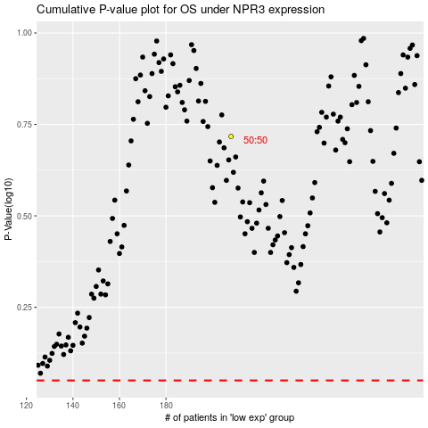

 |  |  |  |  |  | cases_OS | p_OS | rank | exp
 |  |  |  |  |  |  | cases_RFS | p_RFS | rank | exp

