NPTX1 _multivariate
Reported by Tex Li-Hsing Chi. tex@gate.sinica.edu.tw 2019-08-17

Table 2. The clinicopathological features of HNSCC cohort and NPTX1 expression. (Chi square test)
Cutoff at -0.091 (49.8%)
 |  | NPTX1 expression |  | NPTX1 expression |  | (Optimised)
 | Features | Low | (%) | High | (%) | Case no | P-value | Remark | Matthews
Gender | Female | 145 | 34.9 | 161 | 38.8 | 415 | 0.1116 | 0 | 0
2 | Male | 62 | 14.9 | 47 | 11.3
Age at diagnosis | <=65y | 139 | 33.5 | 135 | 32.5 | 415 | 0.7044 | 0 | 0
4 | >65y | 68 | 16.4 | 73 | 17.6
Clinical T Status | T1+T2 | 82 | 19.8 | 67 | 16.1 | 415 | 0.1417 | 0 | 0
6 | T3+T4 | 125 | 30.1 | 141 | 34
Clinical N Status | N0 | 115 | 27.7 | 101 | 24.3 | 415 | 0.184 | 1 | 0
8 | N1-3 | 92 | 22.2 | 107 | 25.8
Clinical M Status | M0 | 206 | 49.6 | 206 | 49.6 | 415 | 1 | 0 | 0
10 | M1 | 1 | 0.2 | 2 | 0.5
Clinical Stage | Stage I+II | 61 | 14.7 | 41 | 9.9 | 415 | 0.0282 | 1 | 0
12 | Stage III+IV | 146 | 35.2 | 167 | 40.2
Surgical Margin status | Negative | 163 | 39.3 | 155 | 37.3 | 415 | 0.3537 | 0 | 0
14 | Positive | 44 | 10.6 | 53 | 12.8
Tobacco Exposure | Low | 87 | 21 | 74 | 17.8 | 415 | 0.1911 | 0 | 0
16 | High | 120 | 28.9 | 134 | 32.3

Table 3. Univariate/Multivariate Cox's proportional hazards regression analyses on OS time of NPTX1 gene expression in HNSCC

 |  | Univariate |  |  |  | Multivariate
 | Features | HR | CI95%(L) | CI95%(H) | P-value | HR | CI95%(L) | CI95%(H) | P-value
1 | Female | 1 |  |  |  | 1
Gender | Male | 1.157 | 0.843 | 1.587 | 0.367 | 1.171 | 0.835 | 1.643 | 0.36
11 | <=65y | 1 |  |  |  | 1
Age at diagnosis | >65y | 1.329 | 0.99 | 1.784 | 0.058 | 1.4 | 1.03 | 1.902 | 0.031
12 | T1+T2 | 1 |  |  |  | 1
Clinical T Status | T3+T4 | 1.409 | 1.028 | 1.931 | 0.033 | 2.206 | 1.166 | 4.174 | 0.015
13 | N0 | 1 |  |  |  | 1
Clinical N Status | N1-3 | 1.185 | 0.89 | 1.577 | 0.246 | 1.245 | 0.873 | 1.775 | 0.227
14 | M0 | 1 |  |  |  | 1
Clinical M Status | M1 | 4.097 | 1.009 | 16.644 | 0.049 | 9.423 | 2.055 | 43.199 | 0.004
15 | Stage I+II | 1 |  |  |  | 1
Clinical Stage | Stage III+IV | 1.245 | 0.882 | 1.759 | 0.213 | 0.516 | 0.24 | 1.11 | 0.09
16 | Negative | 1 |  |  |  | 1
Surgical Margin status | Positive | 1.591 | 1.155 | 2.191 | 0.004 | 1.694 | 1.225 | 2.344 | 0.001
17 | Low | 1 |  |  |  | 1
Tobacco Exposure | High | 1.364 | 1.008 | 1.844 | 0.044 | 1.46 | 1.059 | 2.011 | 0.021
18 | Low | 1 |  |  |  | 1
RNAseq(z-score) | High | 0.899 | 0.675 | 1.198 | 0.468 | 0.852 | 0.635 | 1.144 | 0.287

Table 4. Univariate/Multivariate Cox's proportional hazards regression analyses on RFS time of NPTX1 gene expression in HNSCC

 |  | Univariate |  |  |  | Multivariate
 | Features | HR | CI95%(L) | CI95%(H) | P-value | HR | CI95%(L) | CI95%(H) | P-value
1 | Female | 1 |  |  |  | 1
Gender | Male | 1.157 | 0.843 | 1.587 | 0.367 | 1.171 | 0.835 | 1.643 | 0.36
11 | <=65y | 1 |  |  |  | 1
Age at diagnosis | >65y | 1.329 | 0.99 | 1.784 | 0.058 | 1.4 | 1.03 | 1.902 | 0.031
12 | T1+T2 | 1 |  |  |  | 1
Clinical T Status | T3+T4 | 1.409 | 1.028 | 1.931 | 0.033 | 2.206 | 1.166 | 4.174 | 0.015
13 | N0 | 1 |  |  |  | 1
Clinical N Status | N1-3 | 1.185 | 0.89 | 1.577 | 0.246 | 1.245 | 0.873 | 1.775 | 0.227
14 | M0 | 1 |  |  |  | 1
Clinical M Status | M1 | 4.097 | 1.009 | 16.644 | 0.049 | 9.423 | 2.055 | 43.199 | 0.004
15 | Stage I+II | 1 |  |  |  | 1
Clinical Stage | Stage III+IV | 1.245 | 0.882 | 1.759 | 0.213 | 0.516 | 0.24 | 1.11 | 0.09
16 | Negative | 1 |  |  |  | 1
Surgical Margin status | Positive | 1.591 | 1.155 | 2.191 | 0.004 | 1.694 | 1.225 | 2.344 | 0.001
17 | Low | 1 |  |  |  | 1
Tobacco Exposure | High | 1.364 | 1.008 | 1.844 | 0.044 | 1.46 | 1.059 | 2.011 | 0.021
18 | Low | 1 |  |  |  | 1
RNAseq(z-score) | High | 0.899 | 0.675 | 1.198 | 0.468 | 0.852 | 0.635 | 1.144 | 0.287

Kaplan-Meier survival estimate: Cutoff at -0.091 (49.8%)



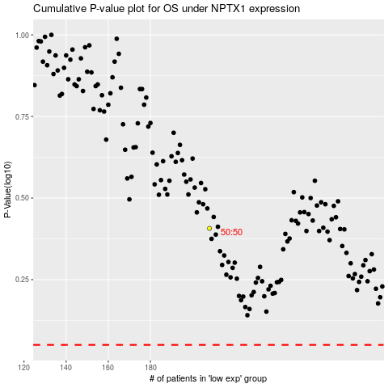

 |  |  |  |  |  | cases_OS | p_OS | rank | exp
 |  |  |  |  |  |  | cases_RFS | p_RFS | rank | exp

