NQO2 _multivariate
Reported by Tex Li-Hsing Chi. tex@gate.sinica.edu.tw 2019-08-17

Table 2. The clinicopathological features of HNSCC cohort and NQO2 expression. (Chi square test)
Cutoff at -0.287 (49.8%)
 |  | NQO2 expression |  | NQO2 expression |  | (Optimised)
 | Features | Low | (%) | High | (%) | Case no | P-value | Remark | Matthews
Gender | Female | 159 | 38.3 | 147 | 35.4 | 415 | 0.1905 | 0 | 0
2 | Male | 48 | 11.6 | 61 | 14.7
Age at diagnosis | <=65y | 141 | 34 | 133 | 32 | 415 | 0.4272 | 0 | 0
4 | >65y | 66 | 15.9 | 75 | 18.1
Clinical T Status | T1+T2 | 77 | 18.6 | 72 | 17.3 | 415 | 0.6556 | 0 | 0
6 | T3+T4 | 130 | 31.3 | 136 | 32.8
Clinical N Status | N0 | 102 | 24.6 | 114 | 27.5 | 415 | 0.3031 | 0 | 0
8 | N1-3 | 105 | 25.3 | 94 | 22.7
Clinical M Status | M0 | 206 | 49.6 | 206 | 49.6 | 415 | 1 | 0 | 0
10 | M1 | 1 | 0.2 | 2 | 0.5
Clinical Stage | Stage I+II | 50 | 12 | 52 | 12.5 | 415 | 0.9315 | 0 | 0
12 | Stage III+IV | 157 | 37.8 | 156 | 37.6
Surgical Margin status | Negative | 160 | 38.6 | 158 | 38.1 | 415 | 0.8167 | 0 | 0
14 | Positive | 47 | 11.3 | 50 | 12
Tobacco Exposure | Low | 78 | 18.8 | 83 | 20 | 415 | 0.6873 | 0 | 0
16 | High | 129 | 31.1 | 125 | 30.1

Table 3. Univariate/Multivariate Cox's proportional hazards regression analyses on OS time of NQO2 gene expression in HNSCC

 |  | Univariate |  |  |  | Multivariate
 | Features | HR | CI95%(L) | CI95%(H) | P-value | HR | CI95%(L) | CI95%(H) | P-value
1 | Female | 1 |  |  |  | 1
Gender | Male | 1.157 | 0.843 | 1.587 | 0.367 | 1.176 | 0.838 | 1.651 | 0.347
11 | <=65y | 1 |  |  |  | 1
Age at diagnosis | >65y | 1.329 | 0.99 | 1.784 | 0.058 | 1.392 | 1.024 | 1.891 | 0.035
12 | T1+T2 | 1 |  |  |  | 1
Clinical T Status | T3+T4 | 1.409 | 1.028 | 1.931 | 0.033 | 2.187 | 1.157 | 4.135 | 0.016
13 | N0 | 1 |  |  |  | 1
Clinical N Status | N1-3 | 1.185 | 0.89 | 1.577 | 0.246 | 1.244 | 0.872 | 1.775 | 0.228
14 | M0 | 1 |  |  |  | 1
Clinical M Status | M1 | 4.097 | 1.009 | 16.644 | 0.049 | 9.154 | 1.994 | 42.019 | 0.004
15 | Stage I+II | 1 |  |  |  | 1
Clinical Stage | Stage III+IV | 1.245 | 0.882 | 1.759 | 0.213 | 0.509 | 0.237 | 1.094 | 0.084
16 | Negative | 1 |  |  |  | 1
Surgical Margin status | Positive | 1.591 | 1.155 | 2.191 | 0.004 | 1.662 | 1.202 | 2.296 | 0.002
17 | Low | 1 |  |  |  | 1
Tobacco Exposure | High | 1.364 | 1.008 | 1.844 | 0.044 | 1.449 | 1.052 | 1.995 | 0.023
18 | Low | 1 |  |  |  | 1
RNAseq(z-score) | High | 1.167 | 0.876 | 1.555 | 0.291 | 1.119 | 0.836 | 1.499 | 0.45

Table 4. Univariate/Multivariate Cox's proportional hazards regression analyses on RFS time of NQO2 gene expression in HNSCC

 |  | Univariate |  |  |  | Multivariate
 | Features | HR | CI95%(L) | CI95%(H) | P-value | HR | CI95%(L) | CI95%(H) | P-value
1 | Female | 1 |  |  |  | 1
Gender | Male | 1.157 | 0.843 | 1.587 | 0.367 | 1.176 | 0.838 | 1.651 | 0.347
11 | <=65y | 1 |  |  |  | 1
Age at diagnosis | >65y | 1.329 | 0.99 | 1.784 | 0.058 | 1.392 | 1.024 | 1.891 | 0.035
12 | T1+T2 | 1 |  |  |  | 1
Clinical T Status | T3+T4 | 1.409 | 1.028 | 1.931 | 0.033 | 2.187 | 1.157 | 4.135 | 0.016
13 | N0 | 1 |  |  |  | 1
Clinical N Status | N1-3 | 1.185 | 0.89 | 1.577 | 0.246 | 1.244 | 0.872 | 1.775 | 0.228
14 | M0 | 1 |  |  |  | 1
Clinical M Status | M1 | 4.097 | 1.009 | 16.644 | 0.049 | 9.154 | 1.994 | 42.019 | 0.004
15 | Stage I+II | 1 |  |  |  | 1
Clinical Stage | Stage III+IV | 1.245 | 0.882 | 1.759 | 0.213 | 0.509 | 0.237 | 1.094 | 0.084
16 | Negative | 1 |  |  |  | 1
Surgical Margin status | Positive | 1.591 | 1.155 | 2.191 | 0.004 | 1.662 | 1.202 | 2.296 | 0.002
17 | Low | 1 |  |  |  | 1
Tobacco Exposure | High | 1.364 | 1.008 | 1.844 | 0.044 | 1.449 | 1.052 | 1.995 | 0.023
18 | Low | 1 |  |  |  | 1
RNAseq(z-score) | High | 1.167 | 0.876 | 1.555 | 0.291 | 1.119 | 0.836 | 1.499 | 0.45

Kaplan-Meier survival estimate: Cutoff at -0.287 (49.8%)



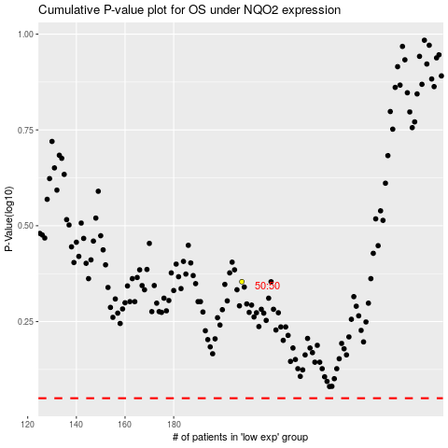

 |  |  |  |  |  | cases_OS | p_OS | rank | exp
 |  |  |  |  |  |  | cases_RFS | p_RFS | rank | exp

