NR1H3 _multivariate
Reported by Tex Li-Hsing Chi. tex@gate.sinica.edu.tw 2019-08-17

Table 2. The clinicopathological features of HNSCC cohort and NR1H3 expression. (Chi square test)
Cutoff at -0.115 (60.9%)
 |  | NR1H3 expression |  | NR1H3 expression |  | (Optimised)
 | Features | Low | (%) | High | (%) | Case no | P-value | Remark | Matthews
Gender | Female | 193 | 46.5 | 113 | 27.2 | 415 | 0.1736 | 0 | 0
2 | Male | 60 | 14.5 | 49 | 11.8
Age at diagnosis | <=65y | 173 | 41.7 | 101 | 24.3 | 415 | 0.2461 | 0 | 0
4 | >65y | 80 | 19.3 | 61 | 14.7
Clinical T Status | T1+T2 | 85 | 20.5 | 64 | 15.4 | 415 | 0.263 | 0 | 0
6 | T3+T4 | 168 | 40.5 | 98 | 23.6
Clinical N Status | N0 | 142 | 34.2 | 74 | 17.8 | 415 | 0.048 | 1 | 0
8 | N1-3 | 111 | 26.7 | 88 | 21.2
Clinical M Status | M0 | 250 | 60.2 | 162 | 39 | 415 | 0.2843 | 0 | 0
10 | M1 | 3 | 0.7 | 0 | 0
Clinical Stage | Stage I+II | 62 | 14.9 | 40 | 9.6 | 415 | 1 | 0 | 0
12 | Stage III+IV | 191 | 46 | 122 | 29.4
Surgical Margin status | Negative | 196 | 47.2 | 122 | 29.4 | 415 | 0.6355 | 0 | 0
14 | Positive | 57 | 13.7 | 40 | 9.6
Tobacco Exposure | Low | 93 | 22.4 | 68 | 16.4 | 415 | 0.303 | 0 | 0
16 | High | 160 | 38.6 | 94 | 22.7

Table 3. Univariate/Multivariate Cox's proportional hazards regression analyses on OS time of NR1H3 gene expression in HNSCC

 |  | Univariate |  |  |  | Multivariate
 | Features | HR | CI95%(L) | CI95%(H) | P-value | HR | CI95%(L) | CI95%(H) | P-value
1 | Female | 1 |  |  |  | 1
Gender | Male | 1.157 | 0.843 | 1.587 | 0.367 | 1.222 | 0.875 | 1.706 | 0.239
11 | <=65y | 1 |  |  |  | 1
Age at diagnosis | >65y | 1.329 | 0.99 | 1.784 | 0.058 | 1.451 | 1.065 | 1.978 | 0.018
12 | T1+T2 | 1 |  |  |  | 1
Clinical T Status | T3+T4 | 1.409 | 1.028 | 1.931 | 0.033 | 2.239 | 1.183 | 4.239 | 0.013
13 | N0 | 1 |  |  |  | 1
Clinical N Status | N1-3 | 1.185 | 0.89 | 1.577 | 0.246 | 1.341 | 0.934 | 1.925 | 0.112
14 | M0 | 1 |  |  |  | 1
Clinical M Status | M1 | 4.097 | 1.009 | 16.644 | 0.049 | 8.188 | 1.779 | 37.68 | 0.007
15 | Stage I+II | 1 |  |  |  | 1
Clinical Stage | Stage III+IV | 1.245 | 0.882 | 1.759 | 0.213 | 0.476 | 0.221 | 1.023 | 0.057
16 | Negative | 1 |  |  |  | 1
Surgical Margin status | Positive | 1.591 | 1.155 | 2.191 | 0.004 | 1.737 | 1.254 | 2.406 | 0.001
17 | Low | 1 |  |  |  | 1
Tobacco Exposure | High | 1.364 | 1.008 | 1.844 | 0.044 | 1.429 | 1.037 | 1.971 | 0.029
18 | Low | 1 |  |  |  | 1
RNAseq(z-score) | High | 0.74 | 0.548 | 1.001 | 0.051 | 0.688 | 0.504 | 0.939 | 0.018

Table 4. Univariate/Multivariate Cox's proportional hazards regression analyses on RFS time of NR1H3 gene expression in HNSCC

 |  | Univariate |  |  |  | Multivariate
 | Features | HR | CI95%(L) | CI95%(H) | P-value | HR | CI95%(L) | CI95%(H) | P-value
1 | Female | 1 |  |  |  | 1
Gender | Male | 1.157 | 0.843 | 1.587 | 0.367 | 1.222 | 0.875 | 1.706 | 0.239
11 | <=65y | 1 |  |  |  | 1
Age at diagnosis | >65y | 1.329 | 0.99 | 1.784 | 0.058 | 1.451 | 1.065 | 1.978 | 0.018
12 | T1+T2 | 1 |  |  |  | 1
Clinical T Status | T3+T4 | 1.409 | 1.028 | 1.931 | 0.033 | 2.239 | 1.183 | 4.239 | 0.013
13 | N0 | 1 |  |  |  | 1
Clinical N Status | N1-3 | 1.185 | 0.89 | 1.577 | 0.246 | 1.341 | 0.934 | 1.925 | 0.112
14 | M0 | 1 |  |  |  | 1
Clinical M Status | M1 | 4.097 | 1.009 | 16.644 | 0.049 | 8.188 | 1.779 | 37.68 | 0.007
15 | Stage I+II | 1 |  |  |  | 1
Clinical Stage | Stage III+IV | 1.245 | 0.882 | 1.759 | 0.213 | 0.476 | 0.221 | 1.023 | 0.057
16 | Negative | 1 |  |  |  | 1
Surgical Margin status | Positive | 1.591 | 1.155 | 2.191 | 0.004 | 1.737 | 1.254 | 2.406 | 0.001
17 | Low | 1 |  |  |  | 1
Tobacco Exposure | High | 1.364 | 1.008 | 1.844 | 0.044 | 1.429 | 1.037 | 1.971 | 0.029
18 | Low | 1 |  |  |  | 1
RNAseq(z-score) | High | 0.74 | 0.548 | 1.001 | 0.051 | 0.688 | 0.504 | 0.939 | 0.018

Kaplan-Meier survival estimate: Cutoff at -0.115 (60.9%)



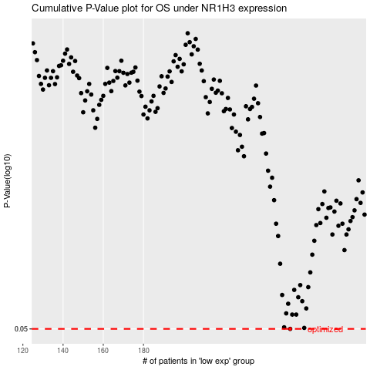

 |  |  |  |  |  | cases_OS | p_OS | rank | exp
 |  |  |  |  |  | 253 | 0.05 | 335 | -0.11526978784
 |  |  |  |  |  |  | cases_RFS | p_RFS | rank | exp
 |  |  |  |  |  |  | 252 | 0.05 | 385 | -0.1179305794

