NR2C1 _multivariate
Reported by Tex Li-Hsing Chi. tex@gate.sinica.edu.tw 2019-08-17

Table 2. The clinicopathological features of HNSCC cohort and NR2C1 expression. (Chi square test)
Cutoff at -0.159 (50.0%)
 |  | NR2C1 expression |  | NR2C1 expression |  | (Optimised)
 | Features | Low | (%) | High | (%) | Case no | P-value | Remark | Matthews
Gender | Female | 151 | 36.4 | 155 | 37.3 | 415 | 0.8007 | 0 | 0
2 | Male | 56 | 13.5 | 53 | 12.8
Age at diagnosis | <=65y | 134 | 32.3 | 140 | 33.7 | 415 | 0.6529 | 0 | 0
4 | >65y | 73 | 17.6 | 68 | 16.4
Clinical T Status | T1+T2 | 55 | 13.3 | 94 | 22.7 | 415 | 1e-04 | 1 | 0
6 | T3+T4 | 152 | 36.6 | 114 | 27.5
Clinical N Status | N0 | 104 | 25.1 | 112 | 27 | 415 | 0.5243 | 0 | 0
8 | N1-3 | 103 | 24.8 | 96 | 23.1
Clinical M Status | M0 | 206 | 49.6 | 206 | 49.6 | 415 | 1 | 0 | 0
10 | M1 | 1 | 0.2 | 2 | 0.5
Clinical Stage | Stage I+II | 36 | 8.7 | 66 | 15.9 | 415 | 0.001 | 1 | 0
12 | Stage III+IV | 171 | 41.2 | 142 | 34.2
Surgical Margin status | Negative | 169 | 40.7 | 149 | 35.9 | 415 | 0.0201 | 1 | 0
14 | Positive | 38 | 9.2 | 59 | 14.2
Tobacco Exposure | Low | 71 | 17.1 | 90 | 21.7 | 415 | 0.0698 | 0 | 0
16 | High | 136 | 32.8 | 118 | 28.4

Table 3. Univariate/Multivariate Cox's proportional hazards regression analyses on OS time of NR2C1 gene expression in HNSCC

 |  | Univariate |  |  |  | Multivariate
 | Features | HR | CI95%(L) | CI95%(H) | P-value | HR | CI95%(L) | CI95%(H) | P-value
1 | Female | 1 |  |  |  | 1
Gender | Male | 1.157 | 0.843 | 1.587 | 0.367 | 1.2 | 0.859 | 1.677 | 0.284
11 | <=65y | 1 |  |  |  | 1
Age at diagnosis | >65y | 1.329 | 0.99 | 1.784 | 0.058 | 1.391 | 1.024 | 1.891 | 0.035
12 | T1+T2 | 1 |  |  |  | 1
Clinical T Status | T3+T4 | 1.409 | 1.028 | 1.931 | 0.033 | 2.186 | 1.155 | 4.139 | 0.016
13 | N0 | 1 |  |  |  | 1
Clinical N Status | N1-3 | 1.185 | 0.89 | 1.577 | 0.246 | 1.24 | 0.869 | 1.77 | 0.235
14 | M0 | 1 |  |  |  | 1
Clinical M Status | M1 | 4.097 | 1.009 | 16.644 | 0.049 | 9.413 | 2.054 | 43.151 | 0.004
15 | Stage I+II | 1 |  |  |  | 1
Clinical Stage | Stage III+IV | 1.245 | 0.882 | 1.759 | 0.213 | 0.503 | 0.234 | 1.079 | 0.078
16 | Negative | 1 |  |  |  | 1
Surgical Margin status | Positive | 1.591 | 1.155 | 2.191 | 0.004 | 1.683 | 1.215 | 2.331 | 0.002
17 | Low | 1 |  |  |  | 1
Tobacco Exposure | High | 1.364 | 1.008 | 1.844 | 0.044 | 1.447 | 1.05 | 1.996 | 0.024
18 | Low | 1 |  |  |  | 1
RNAseq(z-score) | High | 0.914 | 0.685 | 1.22 | 0.543 | 0.948 | 0.704 | 1.276 | 0.723

Table 4. Univariate/Multivariate Cox's proportional hazards regression analyses on RFS time of NR2C1 gene expression in HNSCC

 |  | Univariate |  |  |  | Multivariate
 | Features | HR | CI95%(L) | CI95%(H) | P-value | HR | CI95%(L) | CI95%(H) | P-value
1 | Female | 1 |  |  |  | 1
Gender | Male | 1.157 | 0.843 | 1.587 | 0.367 | 1.2 | 0.859 | 1.677 | 0.284
11 | <=65y | 1 |  |  |  | 1
Age at diagnosis | >65y | 1.329 | 0.99 | 1.784 | 0.058 | 1.391 | 1.024 | 1.891 | 0.035
12 | T1+T2 | 1 |  |  |  | 1
Clinical T Status | T3+T4 | 1.409 | 1.028 | 1.931 | 0.033 | 2.186 | 1.155 | 4.139 | 0.016
13 | N0 | 1 |  |  |  | 1
Clinical N Status | N1-3 | 1.185 | 0.89 | 1.577 | 0.246 | 1.24 | 0.869 | 1.77 | 0.235
14 | M0 | 1 |  |  |  | 1
Clinical M Status | M1 | 4.097 | 1.009 | 16.644 | 0.049 | 9.413 | 2.054 | 43.151 | 0.004
15 | Stage I+II | 1 |  |  |  | 1
Clinical Stage | Stage III+IV | 1.245 | 0.882 | 1.759 | 0.213 | 0.503 | 0.234 | 1.079 | 0.078
16 | Negative | 1 |  |  |  | 1
Surgical Margin status | Positive | 1.591 | 1.155 | 2.191 | 0.004 | 1.683 | 1.215 | 2.331 | 0.002
17 | Low | 1 |  |  |  | 1
Tobacco Exposure | High | 1.364 | 1.008 | 1.844 | 0.044 | 1.447 | 1.05 | 1.996 | 0.024
18 | Low | 1 |  |  |  | 1
RNAseq(z-score) | High | 0.914 | 0.685 | 1.22 | 0.543 | 0.948 | 0.704 | 1.276 | 0.723

Kaplan-Meier survival estimate: Cutoff at -0.159 (50.0%)



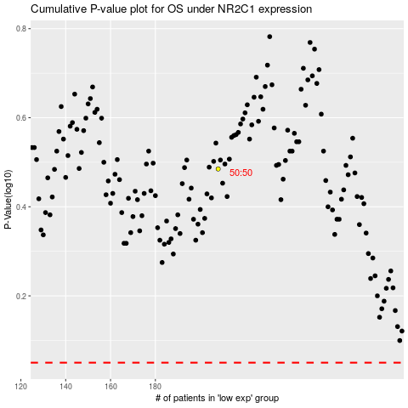

 |  |  |  |  |  | cases_OS | p_OS | rank | exp
 |  |  |  |  |  |  | cases_RFS | p_RFS | rank | exp

