NR2E1 _multivariate
Reported by Tex Li-Hsing Chi. tex@gate.sinica.edu.tw 2019-08-17

Table 2. The clinicopathological features of HNSCC cohort and NR2E1 expression. (Chi square test)
Cutoff at -0.349 (45.4%)
 |  | NR2E1 expression |  | NR2E1 expression |  | (Optimised)
 | Features | Low | (%) | High | (%) | Case no | P-value | Remark | Matthews
Gender | Female | 136 | 32.8 | 170 | 41 | 415 | 0.6345 | 0 | 0
2 | Male | 52 | 12.5 | 57 | 13.7
Age at diagnosis | <=65y | 114 | 27.5 | 160 | 38.6 | 415 | 0.0451 | 1 | 0
4 | >65y | 74 | 17.8 | 67 | 16.1
Clinical T Status | T1+T2 | 62 | 14.9 | 87 | 21 | 415 | 0.3042 | 0 | 0
6 | T3+T4 | 126 | 30.4 | 140 | 33.7
Clinical N Status | N0 | 94 | 22.7 | 122 | 29.4 | 415 | 0.5084 | 0 | 0
8 | N1-3 | 94 | 22.7 | 105 | 25.3
Clinical M Status | M0 | 187 | 45.1 | 225 | 54.2 | 415 | 1 | 0 | 0
10 | M1 | 1 | 0.2 | 2 | 0.5
Clinical Stage | Stage I+II | 41 | 9.9 | 61 | 14.7 | 415 | 0.281 | 0 | 0
12 | Stage III+IV | 147 | 35.4 | 166 | 40
Surgical Margin status | Negative | 140 | 33.7 | 178 | 42.9 | 415 | 0.3537 | 0 | 0
14 | Positive | 48 | 11.6 | 49 | 11.8
Tobacco Exposure | Low | 77 | 18.6 | 84 | 20.2 | 415 | 0.42 | 0 | 0
16 | High | 111 | 26.7 | 143 | 34.5

Table 3. Univariate/Multivariate Cox's proportional hazards regression analyses on OS time of NR2E1 gene expression in HNSCC

 |  | Univariate |  |  |  | Multivariate
 | Features | HR | CI95%(L) | CI95%(H) | P-value | HR | CI95%(L) | CI95%(H) | P-value
1 | Female | 1 |  |  |  | 1
Gender | Male | 1.157 | 0.843 | 1.587 | 0.367 | 1.185 | 0.846 | 1.659 | 0.323
11 | <=65y | 1 |  |  |  | 1
Age at diagnosis | >65y | 1.329 | 0.99 | 1.784 | 0.058 | 1.353 | 0.993 | 1.843 | 0.056
12 | T1+T2 | 1 |  |  |  | 1
Clinical T Status | T3+T4 | 1.409 | 1.028 | 1.931 | 0.033 | 2.203 | 1.166 | 4.163 | 0.015
13 | N0 | 1 |  |  |  | 1
Clinical N Status | N1-3 | 1.185 | 0.89 | 1.577 | 0.246 | 1.261 | 0.882 | 1.803 | 0.203
14 | M0 | 1 |  |  |  | 1
Clinical M Status | M1 | 4.097 | 1.009 | 16.644 | 0.049 | 9.987 | 2.176 | 45.842 | 0.003
15 | Stage I+II | 1 |  |  |  | 1
Clinical Stage | Stage III+IV | 1.245 | 0.882 | 1.759 | 0.213 | 0.495 | 0.231 | 1.061 | 0.071
16 | Negative | 1 |  |  |  | 1
Surgical Margin status | Positive | 1.591 | 1.155 | 2.191 | 0.004 | 1.658 | 1.2 | 2.29 | 0.002
17 | Low | 1 |  |  |  | 1
Tobacco Exposure | High | 1.364 | 1.008 | 1.844 | 0.044 | 1.447 | 1.049 | 1.996 | 0.025
18 | Low | 1 |  |  |  | 1
RNAseq(z-score) | High | 0.737 | 0.553 | 0.981 | 0.037 | 0.765 | 0.573 | 1.022 | 0.07

Table 4. Univariate/Multivariate Cox's proportional hazards regression analyses on RFS time of NR2E1 gene expression in HNSCC

 |  | Univariate |  |  |  | Multivariate
 | Features | HR | CI95%(L) | CI95%(H) | P-value | HR | CI95%(L) | CI95%(H) | P-value
1 | Female | 1 |  |  |  | 1
Gender | Male | 1.157 | 0.843 | 1.587 | 0.367 | 1.185 | 0.846 | 1.659 | 0.323
11 | <=65y | 1 |  |  |  | 1
Age at diagnosis | >65y | 1.329 | 0.99 | 1.784 | 0.058 | 1.353 | 0.993 | 1.843 | 0.056
12 | T1+T2 | 1 |  |  |  | 1
Clinical T Status | T3+T4 | 1.409 | 1.028 | 1.931 | 0.033 | 2.203 | 1.166 | 4.163 | 0.015
13 | N0 | 1 |  |  |  | 1
Clinical N Status | N1-3 | 1.185 | 0.89 | 1.577 | 0.246 | 1.261 | 0.882 | 1.803 | 0.203
14 | M0 | 1 |  |  |  | 1
Clinical M Status | M1 | 4.097 | 1.009 | 16.644 | 0.049 | 9.987 | 2.176 | 45.842 | 0.003
15 | Stage I+II | 1 |  |  |  | 1
Clinical Stage | Stage III+IV | 1.245 | 0.882 | 1.759 | 0.213 | 0.495 | 0.231 | 1.061 | 0.071
16 | Negative | 1 |  |  |  | 1
Surgical Margin status | Positive | 1.591 | 1.155 | 2.191 | 0.004 | 1.658 | 1.2 | 2.29 | 0.002
17 | Low | 1 |  |  |  | 1
Tobacco Exposure | High | 1.364 | 1.008 | 1.844 | 0.044 | 1.447 | 1.049 | 1.996 | 0.025
18 | Low | 1 |  |  |  | 1
RNAseq(z-score) | High | 0.737 | 0.553 | 0.981 | 0.037 | 0.765 | 0.573 | 1.022 | 0.07

Kaplan-Meier survival estimate: Cutoff at -0.349 (45.4%)



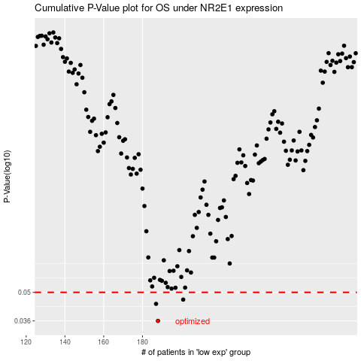

 |  |  |  |  |  | cases_OS | p_OS | rank | exp
 |  |  |  |  |  | 188 | 0.036 | 182 | -0.34890230909
 |  |  |  |  |  | 187 | 0.0438 | 203 | -0.34960350419
 |  |  |  |  |  | 201 | 0.046 | 194 | -0.32422462401
 |  |  |  |  |  |  | cases_RFS | p_RFS | rank | exp
 |  |  |  |  |  |  | 187 | 0.036 | 203 | -0.34960350419
 |  |  |  |  |  |  | 186 | 0.0438 | 79 | -0.35092700995
 |  |  |  |  |  |  | 200 | 0.046 | 302 | -0.3274895637

