NR2E3 _multivariate
Reported by Tex Li-Hsing Chi. tex@gate.sinica.edu.tw 2019-08-17

Table 2. The clinicopathological features of HNSCC cohort and NR2E3 expression. (Chi square test)
Cutoff at -0.249 (50.0%)
 |  | NR2E3 expression |  | NR2E3 expression |  | (Optimised)
 | Features | Low | (%) | High | (%) | Case no | P-value | Remark | Matthews
Gender | Female | 155 | 37.3 | 151 | 36.4 | 415 | 0.6768 | 0 | 0
2 | Male | 52 | 12.5 | 57 | 13.7
Age at diagnosis | <=65y | 130 | 31.3 | 144 | 34.7 | 415 | 0.2009 | 0 | 0
4 | >65y | 77 | 18.6 | 64 | 15.4
Clinical T Status | T1+T2 | 86 | 20.7 | 63 | 15.2 | 415 | 0.0221 | 1 | 0
6 | T3+T4 | 121 | 29.2 | 145 | 34.9
Clinical N Status | N0 | 107 | 25.8 | 109 | 26.3 | 415 | 0.9624 | 0 | 0
8 | N1-3 | 100 | 24.1 | 99 | 23.9
Clinical M Status | M0 | 207 | 49.9 | 205 | 49.4 | 415 | 0.2482 | 0 | 0
10 | M1 | 0 | 0 | 3 | 0.7
Clinical Stage | Stage I+II | 59 | 14.2 | 43 | 10.4 | 415 | 0.0822 | 0 | 0
12 | Stage III+IV | 148 | 35.7 | 165 | 39.8
Surgical Margin status | Negative | 163 | 39.3 | 155 | 37.3 | 415 | 0.3537 | 0 | 0
14 | Positive | 44 | 10.6 | 53 | 12.8
Tobacco Exposure | Low | 72 | 17.3 | 89 | 21.4 | 415 | 0.1071 | 0 | 0
16 | High | 135 | 32.5 | 119 | 28.7

Table 3. Univariate/Multivariate Cox's proportional hazards regression analyses on OS time of NR2E3 gene expression in HNSCC

 |  | Univariate |  |  |  | Multivariate
 | Features | HR | CI95%(L) | CI95%(H) | P-value | HR | CI95%(L) | CI95%(H) | P-value
1 | Female | 1 |  |  |  | 1
Gender | Male | 1.157 | 0.843 | 1.587 | 0.367 | 1.229 | 0.879 | 1.717 | 0.227
11 | <=65y | 1 |  |  |  | 1
Age at diagnosis | >65y | 1.329 | 0.99 | 1.784 | 0.058 | 1.359 | 0.999 | 1.85 | 0.051
12 | T1+T2 | 1 |  |  |  | 1
Clinical T Status | T3+T4 | 1.409 | 1.028 | 1.931 | 0.033 | 2.312 | 1.22 | 4.381 | 0.01
13 | N0 | 1 |  |  |  | 1
Clinical N Status | N1-3 | 1.185 | 0.89 | 1.577 | 0.246 | 1.211 | 0.848 | 1.729 | 0.292
14 | M0 | 1 |  |  |  | 1
Clinical M Status | M1 | 4.097 | 1.009 | 16.644 | 0.049 | 11.385 | 2.442 | 53.074 | 0.002
15 | Stage I+II | 1 |  |  |  | 1
Clinical Stage | Stage III+IV | 1.245 | 0.882 | 1.759 | 0.213 | 0.504 | 0.235 | 1.082 | 0.079
16 | Negative | 1 |  |  |  | 1
Surgical Margin status | Positive | 1.591 | 1.155 | 2.191 | 0.004 | 1.736 | 1.252 | 2.407 | 0.001
17 | Low | 1 |  |  |  | 1
Tobacco Exposure | High | 1.364 | 1.008 | 1.844 | 0.044 | 1.442 | 1.046 | 1.988 | 0.025
18 | Low | 1 |  |  |  | 1
RNAseq(z-score) | High | 0.847 | 0.636 | 1.129 | 0.258 | 0.771 | 0.573 | 1.036 | 0.084

Table 4. Univariate/Multivariate Cox's proportional hazards regression analyses on RFS time of NR2E3 gene expression in HNSCC

 |  | Univariate |  |  |  | Multivariate
 | Features | HR | CI95%(L) | CI95%(H) | P-value | HR | CI95%(L) | CI95%(H) | P-value
1 | Female | 1 |  |  |  | 1
Gender | Male | 1.157 | 0.843 | 1.587 | 0.367 | 1.229 | 0.879 | 1.717 | 0.227
11 | <=65y | 1 |  |  |  | 1
Age at diagnosis | >65y | 1.329 | 0.99 | 1.784 | 0.058 | 1.359 | 0.999 | 1.85 | 0.051
12 | T1+T2 | 1 |  |  |  | 1
Clinical T Status | T3+T4 | 1.409 | 1.028 | 1.931 | 0.033 | 2.312 | 1.22 | 4.381 | 0.01
13 | N0 | 1 |  |  |  | 1
Clinical N Status | N1-3 | 1.185 | 0.89 | 1.577 | 0.246 | 1.211 | 0.848 | 1.729 | 0.292
14 | M0 | 1 |  |  |  | 1
Clinical M Status | M1 | 4.097 | 1.009 | 16.644 | 0.049 | 11.385 | 2.442 | 53.074 | 0.002
15 | Stage I+II | 1 |  |  |  | 1
Clinical Stage | Stage III+IV | 1.245 | 0.882 | 1.759 | 0.213 | 0.504 | 0.235 | 1.082 | 0.079
16 | Negative | 1 |  |  |  | 1
Surgical Margin status | Positive | 1.591 | 1.155 | 2.191 | 0.004 | 1.736 | 1.252 | 2.407 | 0.001
17 | Low | 1 |  |  |  | 1
Tobacco Exposure | High | 1.364 | 1.008 | 1.844 | 0.044 | 1.442 | 1.046 | 1.988 | 0.025
18 | Low | 1 |  |  |  | 1
RNAseq(z-score) | High | 0.847 | 0.636 | 1.129 | 0.258 | 0.771 | 0.573 | 1.036 | 0.084

Kaplan-Meier survival estimate: Cutoff at -0.249 (50.0%)



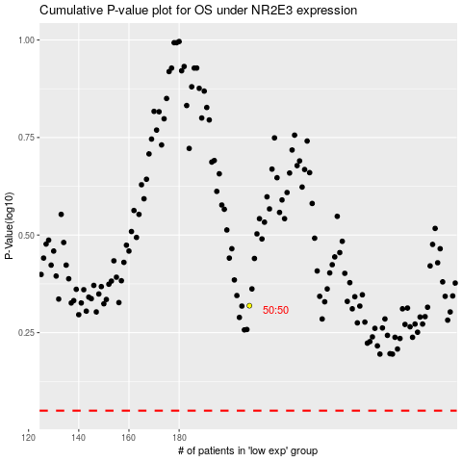

 |  |  |  |  |  | cases_OS | p_OS | rank | exp
 |  |  |  |  |  |  | cases_RFS | p_RFS | rank | exp

