NR3C1 _multivariate
Reported by Tex Li-Hsing Chi. tex@gate.sinica.edu.tw 2019-08-17

Table 2. The clinicopathological features of HNSCC cohort and NR3C1 expression. (Chi square test)
Cutoff at -0.469 (30.0%)
 |  | NR3C1 expression |  | NR3C1 expression |  | (Optimised)
 | Features | Low | (%) | High | (%) | Case no | P-value | Remark | Matthews
Gender | Female | 91 | 21.9 | 215 | 51.8 | 415 | 0.8709 | 0 | 0
2 | Male | 34 | 8.2 | 75 | 18.1
Age at diagnosis | <=65y | 84 | 20.2 | 190 | 45.8 | 415 | 0.8266 | 0 | 0
4 | >65y | 41 | 9.9 | 100 | 24.1
Clinical T Status | T1+T2 | 48 | 11.6 | 101 | 24.3 | 415 | 0.5589 | 0 | 0
6 | T3+T4 | 77 | 18.6 | 189 | 45.5
Clinical N Status | N0 | 66 | 15.9 | 150 | 36.1 | 415 | 0.925 | 0 | 0
8 | N1-3 | 59 | 14.2 | 140 | 33.7
Clinical M Status | M0 | 123 | 29.6 | 289 | 69.6 | 415 | 0.2169 | 0 | 0
10 | M1 | 2 | 0.5 | 1 | 0.2
Clinical Stage | Stage I+II | 32 | 7.7 | 70 | 16.9 | 415 | 0.8469 | 0 | 0
12 | Stage III+IV | 93 | 22.4 | 220 | 53
Surgical Margin status | Negative | 90 | 21.7 | 228 | 54.9 | 415 | 0.1644 | 0 | 0
14 | Positive | 35 | 8.4 | 62 | 14.9
Tobacco Exposure | Low | 49 | 11.8 | 112 | 27 | 415 | 0.913 | 0 | 0
16 | High | 76 | 18.3 | 178 | 42.9

Table 3. Univariate/Multivariate Cox's proportional hazards regression analyses on OS time of NR3C1 gene expression in HNSCC

 |  | Univariate |  |  |  | Multivariate
 | Features | HR | CI95%(L) | CI95%(H) | P-value | HR | CI95%(L) | CI95%(H) | P-value
1 | Female | 1 |  |  |  | 1
Gender | Male | 1.157 | 0.843 | 1.587 | 0.367 | 1.26 | 0.902 | 1.76 | 0.175
11 | <=65y | 1 |  |  |  | 1
Age at diagnosis | >65y | 1.329 | 0.99 | 1.784 | 0.058 | 1.41 | 1.036 | 1.918 | 0.029
12 | T1+T2 | 1 |  |  |  | 1
Clinical T Status | T3+T4 | 1.409 | 1.028 | 1.931 | 0.033 | 2.153 | 1.14 | 4.066 | 0.018
13 | N0 | 1 |  |  |  | 1
Clinical N Status | N1-3 | 1.185 | 0.89 | 1.577 | 0.246 | 1.257 | 0.881 | 1.792 | 0.207
14 | M0 | 1 |  |  |  | 1
Clinical M Status | M1 | 4.097 | 1.009 | 16.644 | 0.049 | 10.857 | 2.359 | 49.977 | 0.002
15 | Stage I+II | 1 |  |  |  | 1
Clinical Stage | Stage III+IV | 1.245 | 0.882 | 1.759 | 0.213 | 0.506 | 0.236 | 1.084 | 0.08
16 | Negative | 1 |  |  |  | 1
Surgical Margin status | Positive | 1.591 | 1.155 | 2.191 | 0.004 | 1.738 | 1.256 | 2.405 | 0.001
17 | Low | 1 |  |  |  | 1
Tobacco Exposure | High | 1.364 | 1.008 | 1.844 | 0.044 | 1.517 | 1.098 | 2.097 | 0.012
18 | Low | 1 |  |  |  | 1
RNAseq(z-score) | High | 1.436 | 1.016 | 2.031 | 0.04 | 1.592 | 1.117 | 2.27 | 0.01

Table 4. Univariate/Multivariate Cox's proportional hazards regression analyses on RFS time of NR3C1 gene expression in HNSCC

 |  | Univariate |  |  |  | Multivariate
 | Features | HR | CI95%(L) | CI95%(H) | P-value | HR | CI95%(L) | CI95%(H) | P-value
1 | Female | 1 |  |  |  | 1
Gender | Male | 1.157 | 0.843 | 1.587 | 0.367 | 1.26 | 0.902 | 1.76 | 0.175
11 | <=65y | 1 |  |  |  | 1
Age at diagnosis | >65y | 1.329 | 0.99 | 1.784 | 0.058 | 1.41 | 1.036 | 1.918 | 0.029
12 | T1+T2 | 1 |  |  |  | 1
Clinical T Status | T3+T4 | 1.409 | 1.028 | 1.931 | 0.033 | 2.153 | 1.14 | 4.066 | 0.018
13 | N0 | 1 |  |  |  | 1
Clinical N Status | N1-3 | 1.185 | 0.89 | 1.577 | 0.246 | 1.257 | 0.881 | 1.792 | 0.207
14 | M0 | 1 |  |  |  | 1
Clinical M Status | M1 | 4.097 | 1.009 | 16.644 | 0.049 | 10.857 | 2.359 | 49.977 | 0.002
15 | Stage I+II | 1 |  |  |  | 1
Clinical Stage | Stage III+IV | 1.245 | 0.882 | 1.759 | 0.213 | 0.506 | 0.236 | 1.084 | 0.08
16 | Negative | 1 |  |  |  | 1
Surgical Margin status | Positive | 1.591 | 1.155 | 2.191 | 0.004 | 1.738 | 1.256 | 2.405 | 0.001
17 | Low | 1 |  |  |  | 1
Tobacco Exposure | High | 1.364 | 1.008 | 1.844 | 0.044 | 1.517 | 1.098 | 2.097 | 0.012
18 | Low | 1 |  |  |  | 1
RNAseq(z-score) | High | 1.436 | 1.016 | 2.031 | 0.04 | 1.592 | 1.117 | 2.27 | 0.01

Kaplan-Meier survival estimate: Cutoff at -0.469 (30.0%)



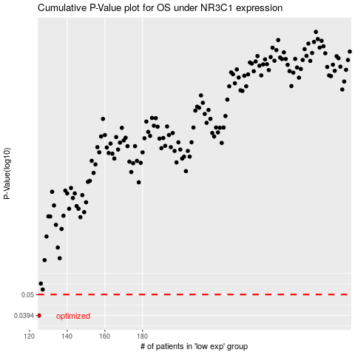

 |  |  |  |  |  | cases_OS | p_OS | rank | exp
 |  |  |  |  |  | 125 | 0.0394 | 124 | -0.46908652993
 |  |  |  |  |  |  | cases_RFS | p_RFS | rank | exp
 |  |  |  |  |  |  |  | 0.0394 | 395 | -0.47202886383

