NR4A1 _multivariate
Reported by Tex Li-Hsing Chi. tex@gate.sinica.edu.tw 2019-08-17

Table 2. The clinicopathological features of HNSCC cohort and NR4A1 expression. (Chi square test)
Cutoff at -0.308 (50.0%)
 |  | NR4A1 expression |  | NR4A1 expression |  | (Optimised)
 | Features | Low | (%) | High | (%) | Case no | P-value | Remark | Matthews
Gender | Female | 148 | 35.7 | 158 | 38.1 | 415 | 0.3567 | 0 | 0
2 | Male | 59 | 14.2 | 50 | 12
Age at diagnosis | <=65y | 132 | 31.8 | 142 | 34.2 | 415 | 0.3874 | 0 | 0
4 | >65y | 75 | 18.1 | 66 | 15.9
Clinical T Status | T1+T2 | 74 | 17.8 | 75 | 18.1 | 415 | 1 | 0 | 0
6 | T3+T4 | 133 | 32 | 133 | 32
Clinical N Status | N0 | 105 | 25.3 | 111 | 26.7 | 415 | 0.6598 | 0 | 0
8 | N1-3 | 102 | 24.6 | 97 | 23.4
Clinical M Status | M0 | 204 | 49.2 | 208 | 50.1 | 415 | 0.1232 | 0 | 0
10 | M1 | 3 | 0.7 | 0 | 0
Clinical Stage | Stage I+II | 55 | 13.3 | 47 | 11.3 | 415 | 0.4087 | 0 | 0
12 | Stage III+IV | 152 | 36.6 | 161 | 38.8
Surgical Margin status | Negative | 159 | 38.3 | 159 | 38.3 | 415 | 1 | 0 | 0
14 | Positive | 48 | 11.6 | 49 | 11.8
Tobacco Exposure | Low | 90 | 21.7 | 71 | 17.1 | 415 | 0.0559 | 0 | 0
16 | High | 117 | 28.2 | 137 | 33

Table 3. Univariate/Multivariate Cox's proportional hazards regression analyses on OS time of NR4A1 gene expression in HNSCC

 |  | Univariate |  |  |  | Multivariate
 | Features | HR | CI95%(L) | CI95%(H) | P-value | HR | CI95%(L) | CI95%(H) | P-value
1 | Female | 1 |  |  |  | 1
Gender | Male | 1.157 | 0.843 | 1.587 | 0.367 | 1.211 | 0.866 | 1.694 | 0.262
11 | <=65y | 1 |  |  |  | 1
Age at diagnosis | >65y | 1.329 | 0.99 | 1.784 | 0.058 | 1.398 | 1.028 | 1.901 | 0.033
12 | T1+T2 | 1 |  |  |  | 1
Clinical T Status | T3+T4 | 1.409 | 1.028 | 1.931 | 0.033 | 2.241 | 1.184 | 4.243 | 0.013
13 | N0 | 1 |  |  |  | 1
Clinical N Status | N1-3 | 1.185 | 0.89 | 1.577 | 0.246 | 1.257 | 0.88 | 1.797 | 0.208
14 | M0 | 1 |  |  |  | 1
Clinical M Status | M1 | 4.097 | 1.009 | 16.644 | 0.049 | 10.254 | 2.212 | 47.541 | 0.003
15 | Stage I+II | 1 |  |  |  | 1
Clinical Stage | Stage III+IV | 1.245 | 0.882 | 1.759 | 0.213 | 0.487 | 0.226 | 1.049 | 0.066
16 | Negative | 1 |  |  |  | 1
Surgical Margin status | Positive | 1.591 | 1.155 | 2.191 | 0.004 | 1.656 | 1.198 | 2.289 | 0.002
17 | Low | 1 |  |  |  | 1
Tobacco Exposure | High | 1.364 | 1.008 | 1.844 | 0.044 | 1.434 | 1.039 | 1.979 | 0.028
18 | Low | 1 |  |  |  | 1
RNAseq(z-score) | High | 1.13 | 0.844 | 1.512 | 0.411 | 1.15 | 0.854 | 1.55 | 0.358

Table 4. Univariate/Multivariate Cox's proportional hazards regression analyses on RFS time of NR4A1 gene expression in HNSCC

 |  | Univariate |  |  |  | Multivariate
 | Features | HR | CI95%(L) | CI95%(H) | P-value | HR | CI95%(L) | CI95%(H) | P-value
1 | Female | 1 |  |  |  | 1
Gender | Male | 1.157 | 0.843 | 1.587 | 0.367 | 1.211 | 0.866 | 1.694 | 0.262
11 | <=65y | 1 |  |  |  | 1
Age at diagnosis | >65y | 1.329 | 0.99 | 1.784 | 0.058 | 1.398 | 1.028 | 1.901 | 0.033
12 | T1+T2 | 1 |  |  |  | 1
Clinical T Status | T3+T4 | 1.409 | 1.028 | 1.931 | 0.033 | 2.241 | 1.184 | 4.243 | 0.013
13 | N0 | 1 |  |  |  | 1
Clinical N Status | N1-3 | 1.185 | 0.89 | 1.577 | 0.246 | 1.257 | 0.88 | 1.797 | 0.208
14 | M0 | 1 |  |  |  | 1
Clinical M Status | M1 | 4.097 | 1.009 | 16.644 | 0.049 | 10.254 | 2.212 | 47.541 | 0.003
15 | Stage I+II | 1 |  |  |  | 1
Clinical Stage | Stage III+IV | 1.245 | 0.882 | 1.759 | 0.213 | 0.487 | 0.226 | 1.049 | 0.066
16 | Negative | 1 |  |  |  | 1
Surgical Margin status | Positive | 1.591 | 1.155 | 2.191 | 0.004 | 1.656 | 1.198 | 2.289 | 0.002
17 | Low | 1 |  |  |  | 1
Tobacco Exposure | High | 1.364 | 1.008 | 1.844 | 0.044 | 1.434 | 1.039 | 1.979 | 0.028
18 | Low | 1 |  |  |  | 1
RNAseq(z-score) | High | 1.13 | 0.844 | 1.512 | 0.411 | 1.15 | 0.854 | 1.55 | 0.358

Kaplan-Meier survival estimate: Cutoff at -0.308 (50.0%)



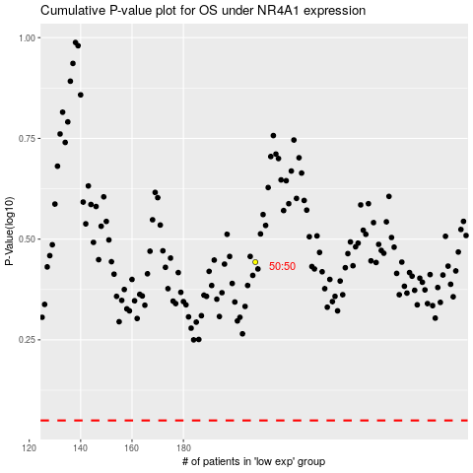

 |  |  |  |  |  | cases_OS | p_OS | rank | exp
 |  |  |  |  |  |  | cases_RFS | p_RFS | rank | exp

