NR4A3 _multivariate
Reported by Tex Li-Hsing Chi. tex@gate.sinica.edu.tw 2019-08-17

Table 2. The clinicopathological features of HNSCC cohort and NR4A3 expression. (Chi square test)
Cutoff at -0.222 (50.0%)
 |  | NR4A3 expression |  | NR4A3 expression |  | (Optimised)
 | Features | Low | (%) | High | (%) | Case no | P-value | Remark | Matthews
Gender | Female | 151 | 36.4 | 155 | 37.3 | 415 | 0.8007 | 0 | 0
2 | Male | 56 | 13.5 | 53 | 12.8
Age at diagnosis | <=65y | 133 | 32 | 141 | 34 | 415 | 0.5111 | 0 | 0
4 | >65y | 74 | 17.8 | 67 | 16.1
Clinical T Status | T1+T2 | 74 | 17.8 | 75 | 18.1 | 415 | 1 | 0 | 0
6 | T3+T4 | 133 | 32 | 133 | 32
Clinical N Status | N0 | 104 | 25.1 | 112 | 27 | 415 | 0.5243 | 0 | 0
8 | N1-3 | 103 | 24.8 | 96 | 23.1
Clinical M Status | M0 | 204 | 49.2 | 208 | 50.1 | 415 | 0.1232 | 0 | 0
10 | M1 | 3 | 0.7 | 0 | 0
Clinical Stage | Stage I+II | 47 | 11.3 | 55 | 13.3 | 415 | 0.4413 | 0 | 0
12 | Stage III+IV | 160 | 38.6 | 153 | 36.9
Surgical Margin status | Negative | 152 | 36.6 | 166 | 40 | 415 | 0.1329 | 0 | 0
14 | Positive | 55 | 13.3 | 42 | 10.1
Tobacco Exposure | Low | 87 | 21 | 74 | 17.8 | 415 | 0.1911 | 0 | 0
16 | High | 120 | 28.9 | 134 | 32.3

Table 3. Univariate/Multivariate Cox's proportional hazards regression analyses on OS time of NR4A3 gene expression in HNSCC

 |  | Univariate |  |  |  | Multivariate
 | Features | HR | CI95%(L) | CI95%(H) | P-value | HR | CI95%(L) | CI95%(H) | P-value
1 | Female | 1 |  |  |  | 1
Gender | Male | 1.157 | 0.843 | 1.587 | 0.367 | 1.205 | 0.862 | 1.683 | 0.275
11 | <=65y | 1 |  |  |  | 1
Age at diagnosis | >65y | 1.329 | 0.99 | 1.784 | 0.058 | 1.395 | 1.026 | 1.897 | 0.034
12 | T1+T2 | 1 |  |  |  | 1
Clinical T Status | T3+T4 | 1.409 | 1.028 | 1.931 | 0.033 | 2.183 | 1.154 | 4.129 | 0.016
13 | N0 | 1 |  |  |  | 1
Clinical N Status | N1-3 | 1.185 | 0.89 | 1.577 | 0.246 | 1.241 | 0.87 | 1.771 | 0.234
14 | M0 | 1 |  |  |  | 1
Clinical M Status | M1 | 4.097 | 1.009 | 16.644 | 0.049 | 9.769 | 2.121 | 44.998 | 0.003
15 | Stage I+II | 1 |  |  |  | 1
Clinical Stage | Stage III+IV | 1.245 | 0.882 | 1.759 | 0.213 | 0.511 | 0.238 | 1.098 | 0.085
16 | Negative | 1 |  |  |  | 1
Surgical Margin status | Positive | 1.591 | 1.155 | 2.191 | 0.004 | 1.675 | 1.212 | 2.313 | 0.002
17 | Low | 1 |  |  |  | 1
Tobacco Exposure | High | 1.364 | 1.008 | 1.844 | 0.044 | 1.458 | 1.058 | 2.009 | 0.021
18 | Low | 1 |  |  |  | 1
RNAseq(z-score) | High | 1.046 | 0.785 | 1.393 | 0.761 | 1.094 | 0.818 | 1.462 | 0.545

Table 4. Univariate/Multivariate Cox's proportional hazards regression analyses on RFS time of NR4A3 gene expression in HNSCC

 |  | Univariate |  |  |  | Multivariate
 | Features | HR | CI95%(L) | CI95%(H) | P-value | HR | CI95%(L) | CI95%(H) | P-value
1 | Female | 1 |  |  |  | 1
Gender | Male | 1.157 | 0.843 | 1.587 | 0.367 | 1.205 | 0.862 | 1.683 | 0.275
11 | <=65y | 1 |  |  |  | 1
Age at diagnosis | >65y | 1.329 | 0.99 | 1.784 | 0.058 | 1.395 | 1.026 | 1.897 | 0.034
12 | T1+T2 | 1 |  |  |  | 1
Clinical T Status | T3+T4 | 1.409 | 1.028 | 1.931 | 0.033 | 2.183 | 1.154 | 4.129 | 0.016
13 | N0 | 1 |  |  |  | 1
Clinical N Status | N1-3 | 1.185 | 0.89 | 1.577 | 0.246 | 1.241 | 0.87 | 1.771 | 0.234
14 | M0 | 1 |  |  |  | 1
Clinical M Status | M1 | 4.097 | 1.009 | 16.644 | 0.049 | 9.769 | 2.121 | 44.998 | 0.003
15 | Stage I+II | 1 |  |  |  | 1
Clinical Stage | Stage III+IV | 1.245 | 0.882 | 1.759 | 0.213 | 0.511 | 0.238 | 1.098 | 0.085
16 | Negative | 1 |  |  |  | 1
Surgical Margin status | Positive | 1.591 | 1.155 | 2.191 | 0.004 | 1.675 | 1.212 | 2.313 | 0.002
17 | Low | 1 |  |  |  | 1
Tobacco Exposure | High | 1.364 | 1.008 | 1.844 | 0.044 | 1.458 | 1.058 | 2.009 | 0.021
18 | Low | 1 |  |  |  | 1
RNAseq(z-score) | High | 1.046 | 0.785 | 1.393 | 0.761 | 1.094 | 0.818 | 1.462 | 0.545

Kaplan-Meier survival estimate: Cutoff at -0.222 (50.0%)



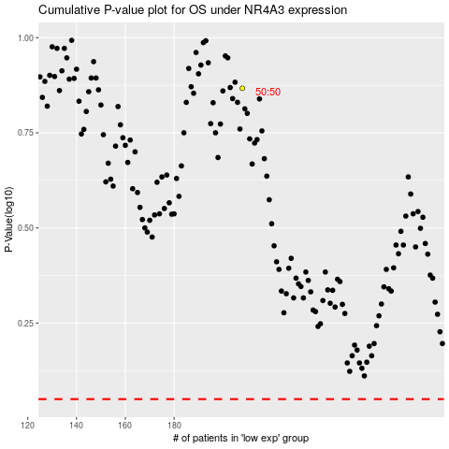

 |  |  |  |  |  | cases_OS | p_OS | rank | exp
 |  |  |  |  |  |  | cases_RFS | p_RFS | rank | exp

