NRAS _multivariate
Reported by Tex Li-Hsing Chi. tex@gate.sinica.edu.tw 2019-08-17

Table 2. The clinicopathological features of HNSCC cohort and NRAS expression. (Chi square test)
Cutoff at 0.008 (50.0%)
 |  | NRAS expression |  | NRAS expression |  | (Optimised)
 | Features | Low | (%) | High | (%) | Case no | P-value | Remark | Matthews
Gender | Female | 159 | 38.3 | 147 | 35.4 | 415 | 0.1905 | 0 | 0
2 | Male | 48 | 11.6 | 61 | 14.7
Age at diagnosis | <=65y | 135 | 32.5 | 139 | 33.5 | 415 | 0.8084 | 0 | 0
4 | >65y | 72 | 17.3 | 69 | 16.6
Clinical T Status | T1+T2 | 63 | 15.2 | 86 | 20.7 | 415 | 0.0268 | 1 | 0
6 | T3+T4 | 144 | 34.7 | 122 | 29.4
Clinical N Status | N0 | 108 | 26 | 108 | 26 | 415 | 1 | 0 | 0
8 | N1-3 | 99 | 23.9 | 100 | 24.1
Clinical M Status | M0 | 205 | 49.4 | 207 | 49.9 | 415 | 0.6232 | 0 | 0
10 | M1 | 2 | 0.5 | 1 | 0.2
Clinical Stage | Stage I+II | 38 | 9.2 | 64 | 15.4 | 415 | 0.0048 | 1 | 0
12 | Stage III+IV | 169 | 40.7 | 144 | 34.7
Surgical Margin status | Negative | 153 | 36.9 | 165 | 39.8 | 415 | 0.2036 | 0 | 0
14 | Positive | 54 | 13 | 43 | 10.4
Tobacco Exposure | Low | 78 | 18.8 | 83 | 20 | 415 | 0.6873 | 0 | 0
16 | High | 129 | 31.1 | 125 | 30.1

Table 3. Univariate/Multivariate Cox's proportional hazards regression analyses on OS time of NRAS gene expression in HNSCC

 |  | Univariate |  |  |  | Multivariate
 | Features | HR | CI95%(L) | CI95%(H) | P-value | HR | CI95%(L) | CI95%(H) | P-value
1 | Female | 1 |  |  |  | 1
Gender | Male | 1.157 | 0.843 | 1.587 | 0.367 | 1.2 | 0.86 | 1.675 | 0.283
11 | <=65y | 1 |  |  |  | 1
Age at diagnosis | >65y | 1.329 | 0.99 | 1.784 | 0.058 | 1.399 | 1.029 | 1.904 | 0.032
12 | T1+T2 | 1 |  |  |  | 1
Clinical T Status | T3+T4 | 1.409 | 1.028 | 1.931 | 0.033 | 2.19 | 1.158 | 4.141 | 0.016
13 | N0 | 1 |  |  |  | 1
Clinical N Status | N1-3 | 1.185 | 0.89 | 1.577 | 0.246 | 1.234 | 0.865 | 1.761 | 0.246
14 | M0 | 1 |  |  |  | 1
Clinical M Status | M1 | 4.097 | 1.009 | 16.644 | 0.049 | 9.538 | 2.081 | 43.729 | 0.004
15 | Stage I+II | 1 |  |  |  | 1
Clinical Stage | Stage III+IV | 1.245 | 0.882 | 1.759 | 0.213 | 0.518 | 0.241 | 1.114 | 0.092
16 | Negative | 1 |  |  |  | 1
Surgical Margin status | Positive | 1.591 | 1.155 | 2.191 | 0.004 | 1.689 | 1.221 | 2.335 | 0.002
17 | Low | 1 |  |  |  | 1
Tobacco Exposure | High | 1.364 | 1.008 | 1.844 | 0.044 | 1.464 | 1.062 | 2.017 | 0.02
18 | Low | 1 |  |  |  | 1
RNAseq(z-score) | High | 1.094 | 0.821 | 1.457 | 0.541 | 1.166 | 0.872 | 1.559 | 0.299

Table 4. Univariate/Multivariate Cox's proportional hazards regression analyses on RFS time of NRAS gene expression in HNSCC

 |  | Univariate |  |  |  | Multivariate
 | Features | HR | CI95%(L) | CI95%(H) | P-value | HR | CI95%(L) | CI95%(H) | P-value
1 | Female | 1 |  |  |  | 1
Gender | Male | 1.157 | 0.843 | 1.587 | 0.367 | 1.2 | 0.86 | 1.675 | 0.283
11 | <=65y | 1 |  |  |  | 1
Age at diagnosis | >65y | 1.329 | 0.99 | 1.784 | 0.058 | 1.399 | 1.029 | 1.904 | 0.032
12 | T1+T2 | 1 |  |  |  | 1
Clinical T Status | T3+T4 | 1.409 | 1.028 | 1.931 | 0.033 | 2.19 | 1.158 | 4.141 | 0.016
13 | N0 | 1 |  |  |  | 1
Clinical N Status | N1-3 | 1.185 | 0.89 | 1.577 | 0.246 | 1.234 | 0.865 | 1.761 | 0.246
14 | M0 | 1 |  |  |  | 1
Clinical M Status | M1 | 4.097 | 1.009 | 16.644 | 0.049 | 9.538 | 2.081 | 43.729 | 0.004
15 | Stage I+II | 1 |  |  |  | 1
Clinical Stage | Stage III+IV | 1.245 | 0.882 | 1.759 | 0.213 | 0.518 | 0.241 | 1.114 | 0.092
16 | Negative | 1 |  |  |  | 1
Surgical Margin status | Positive | 1.591 | 1.155 | 2.191 | 0.004 | 1.689 | 1.221 | 2.335 | 0.002
17 | Low | 1 |  |  |  | 1
Tobacco Exposure | High | 1.364 | 1.008 | 1.844 | 0.044 | 1.464 | 1.062 | 2.017 | 0.02
18 | Low | 1 |  |  |  | 1
RNAseq(z-score) | High | 1.094 | 0.821 | 1.457 | 0.541 | 1.166 | 0.872 | 1.559 | 0.299

Kaplan-Meier survival estimate: Cutoff at 0.008 (50.0%)

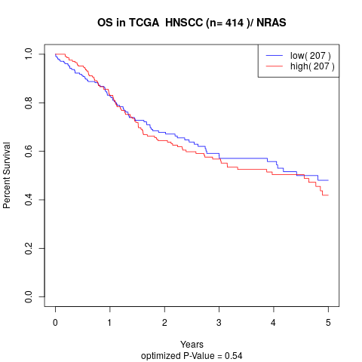

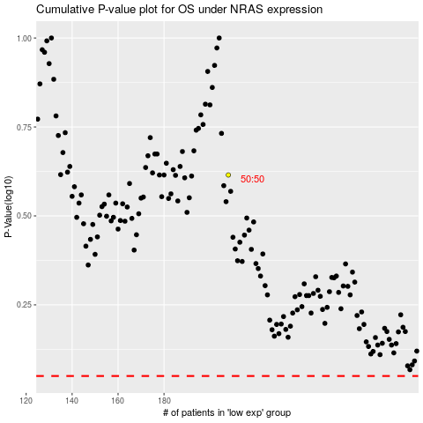

 |  |  |  |  |  | cases_OS | p_OS | rank | exp
 |  |  |  |  |  |  | cases_RFS | p_RFS | rank | exp

