NRBF2 _multivariate
Reported by Tex Li-Hsing Chi. tex@gate.sinica.edu.tw 2019-08-17

Table 2. The clinicopathological features of HNSCC cohort and NRBF2 expression. (Chi square test)
Cutoff at -0.152 (50.0%)
 |  | NRBF2 expression |  | NRBF2 expression |  | (Optimised)
 | Features | Low | (%) | High | (%) | Case no | P-value | Remark | Matthews
Gender | Female | 162 | 39 | 144 | 34.7 | 415 | 0.0479 | 1 | 0
2 | Male | 45 | 10.8 | 64 | 15.4
Age at diagnosis | <=65y | 138 | 33.3 | 136 | 32.8 | 415 | 0.8634 | 0 | 0
4 | >65y | 69 | 16.6 | 72 | 17.3
Clinical T Status | T1+T2 | 79 | 19 | 70 | 16.9 | 415 | 0.3924 | 0 | 0
6 | T3+T4 | 128 | 30.8 | 138 | 33.3
Clinical N Status | N0 | 104 | 25.1 | 112 | 27 | 415 | 0.5243 | 0 | 0
8 | N1-3 | 103 | 24.8 | 96 | 23.1
Clinical M Status | M0 | 206 | 49.6 | 206 | 49.6 | 415 | 1 | 0 | 0
10 | M1 | 1 | 0.2 | 2 | 0.5
Clinical Stage | Stage I+II | 47 | 11.3 | 55 | 13.3 | 415 | 0.4413 | 0 | 0
12 | Stage III+IV | 160 | 38.6 | 153 | 36.9
Surgical Margin status | Negative | 155 | 37.3 | 163 | 39.3 | 415 | 0.4187 | 0 | 0
14 | Positive | 52 | 12.5 | 45 | 10.8
Tobacco Exposure | Low | 75 | 18.1 | 86 | 20.7 | 415 | 0.3141 | 0 | 0
16 | High | 132 | 31.8 | 122 | 29.4

Table 3. Univariate/Multivariate Cox's proportional hazards regression analyses on OS time of NRBF2 gene expression in HNSCC

 |  | Univariate |  |  |  | Multivariate
 | Features | HR | CI95%(L) | CI95%(H) | P-value | HR | CI95%(L) | CI95%(H) | P-value
1 | Female | 1 |  |  |  | 1
Gender | Male | 1.157 | 0.843 | 1.587 | 0.367 | 1.182 | 0.844 | 1.656 | 0.332
11 | <=65y | 1 |  |  |  | 1
Age at diagnosis | >65y | 1.329 | 0.99 | 1.784 | 0.058 | 1.409 | 1.034 | 1.92 | 0.03
12 | T1+T2 | 1 |  |  |  | 1
Clinical T Status | T3+T4 | 1.409 | 1.028 | 1.931 | 0.033 | 2.163 | 1.141 | 4.097 | 0.018
13 | N0 | 1 |  |  |  | 1
Clinical N Status | N1-3 | 1.185 | 0.89 | 1.577 | 0.246 | 1.241 | 0.87 | 1.77 | 0.234
14 | M0 | 1 |  |  |  | 1
Clinical M Status | M1 | 4.097 | 1.009 | 16.644 | 0.049 | 8.938 | 1.937 | 41.238 | 0.005
15 | Stage I+II | 1 |  |  |  | 1
Clinical Stage | Stage III+IV | 1.245 | 0.882 | 1.759 | 0.213 | 0.519 | 0.241 | 1.12 | 0.095
16 | Negative | 1 |  |  |  | 1
Surgical Margin status | Positive | 1.591 | 1.155 | 2.191 | 0.004 | 1.683 | 1.217 | 2.327 | 0.002
17 | Low | 1 |  |  |  | 1
Tobacco Exposure | High | 1.364 | 1.008 | 1.844 | 0.044 | 1.464 | 1.062 | 2.019 | 0.02
18 | Low | 1 |  |  |  | 1
RNAseq(z-score) | High | 1.09 | 0.818 | 1.453 | 0.556 | 1.112 | 0.827 | 1.497 | 0.481

Table 4. Univariate/Multivariate Cox's proportional hazards regression analyses on RFS time of NRBF2 gene expression in HNSCC

 |  | Univariate |  |  |  | Multivariate
 | Features | HR | CI95%(L) | CI95%(H) | P-value | HR | CI95%(L) | CI95%(H) | P-value
1 | Female | 1 |  |  |  | 1
Gender | Male | 1.157 | 0.843 | 1.587 | 0.367 | 1.182 | 0.844 | 1.656 | 0.332
11 | <=65y | 1 |  |  |  | 1
Age at diagnosis | >65y | 1.329 | 0.99 | 1.784 | 0.058 | 1.409 | 1.034 | 1.92 | 0.03
12 | T1+T2 | 1 |  |  |  | 1
Clinical T Status | T3+T4 | 1.409 | 1.028 | 1.931 | 0.033 | 2.163 | 1.141 | 4.097 | 0.018
13 | N0 | 1 |  |  |  | 1
Clinical N Status | N1-3 | 1.185 | 0.89 | 1.577 | 0.246 | 1.241 | 0.87 | 1.77 | 0.234
14 | M0 | 1 |  |  |  | 1
Clinical M Status | M1 | 4.097 | 1.009 | 16.644 | 0.049 | 8.938 | 1.937 | 41.238 | 0.005
15 | Stage I+II | 1 |  |  |  | 1
Clinical Stage | Stage III+IV | 1.245 | 0.882 | 1.759 | 0.213 | 0.519 | 0.241 | 1.12 | 0.095
16 | Negative | 1 |  |  |  | 1
Surgical Margin status | Positive | 1.591 | 1.155 | 2.191 | 0.004 | 1.683 | 1.217 | 2.327 | 0.002
17 | Low | 1 |  |  |  | 1
Tobacco Exposure | High | 1.364 | 1.008 | 1.844 | 0.044 | 1.464 | 1.062 | 2.019 | 0.02
18 | Low | 1 |  |  |  | 1
RNAseq(z-score) | High | 1.09 | 0.818 | 1.453 | 0.556 | 1.112 | 0.827 | 1.497 | 0.481

Kaplan-Meier survival estimate: Cutoff at -0.152 (50.0%)



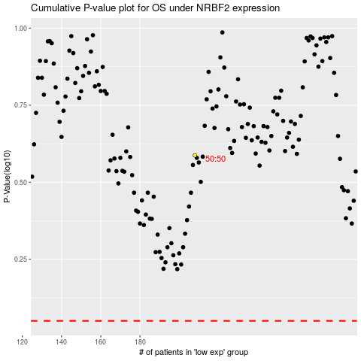

 |  |  |  |  |  | cases_OS | p_OS | rank | exp
 |  |  |  |  |  |  | cases_RFS | p_RFS | rank | exp

