NRG4 _multivariate
Reported by Tex Li-Hsing Chi. tex@gate.sinica.edu.tw 2019-08-17

Table 2. The clinicopathological features of HNSCC cohort and NRG4 expression. (Chi square test)
Cutoff at -0.412 (49.8%)
 |  | NRG4 expression |  | NRG4 expression |  | (Optimised)
 | Features | Low | (%) | High | (%) | Case no | P-value | Remark | Matthews
Gender | Female | 153 | 36.9 | 153 | 36.9 | 415 | 1 | 0 | 0
2 | Male | 54 | 13 | 55 | 13.3
Age at diagnosis | <=65y | 138 | 33.3 | 136 | 32.8 | 415 | 0.8634 | 0 | 0
4 | >65y | 69 | 16.6 | 72 | 17.3
Clinical T Status | T1+T2 | 78 | 18.8 | 71 | 17.1 | 415 | 0.5152 | 0 | 0
6 | T3+T4 | 129 | 31.1 | 137 | 33
Clinical N Status | N0 | 98 | 23.6 | 118 | 28.4 | 415 | 0.0694 | 0 | 0
8 | N1-3 | 109 | 26.3 | 90 | 21.7
Clinical M Status | M0 | 207 | 49.9 | 205 | 49.4 | 415 | 0.2482 | 0 | 0
10 | M1 | 0 | 0 | 3 | 0.7
Clinical Stage | Stage I+II | 47 | 11.3 | 55 | 13.3 | 415 | 0.4413 | 0 | 0
12 | Stage III+IV | 160 | 38.6 | 153 | 36.9
Surgical Margin status | Negative | 155 | 37.3 | 163 | 39.3 | 415 | 0.4187 | 0 | 0
14 | Positive | 52 | 12.5 | 45 | 10.8
Tobacco Exposure | Low | 83 | 20 | 78 | 18.8 | 415 | 0.6152 | 0 | 0
16 | High | 124 | 29.9 | 130 | 31.3

Table 3. Univariate/Multivariate Cox's proportional hazards regression analyses on OS time of NRG4 gene expression in HNSCC

 |  | Univariate |  |  |  | Multivariate
 | Features | HR | CI95%(L) | CI95%(H) | P-value | HR | CI95%(L) | CI95%(H) | P-value
1 | Female | 1 |  |  |  | 1
Gender | Male | 1.157 | 0.843 | 1.587 | 0.367 | 1.199 | 0.858 | 1.676 | 0.287
11 | <=65y | 1 |  |  |  | 1
Age at diagnosis | >65y | 1.329 | 0.99 | 1.784 | 0.058 | 1.391 | 1.023 | 1.89 | 0.035
12 | T1+T2 | 1 |  |  |  | 1
Clinical T Status | T3+T4 | 1.409 | 1.028 | 1.931 | 0.033 | 2.183 | 1.152 | 4.134 | 0.017
13 | N0 | 1 |  |  |  | 1
Clinical N Status | N1-3 | 1.185 | 0.89 | 1.577 | 0.246 | 1.246 | 0.873 | 1.78 | 0.226
14 | M0 | 1 |  |  |  | 1
Clinical M Status | M1 | 4.097 | 1.009 | 16.644 | 0.049 | 9.056 | 1.95 | 42.05 | 0.005
15 | Stage I+II | 1 |  |  |  | 1
Clinical Stage | Stage III+IV | 1.245 | 0.882 | 1.759 | 0.213 | 0.509 | 0.237 | 1.094 | 0.084
16 | Negative | 1 |  |  |  | 1
Surgical Margin status | Positive | 1.591 | 1.155 | 2.191 | 0.004 | 1.672 | 1.21 | 2.311 | 0.002
17 | Low | 1 |  |  |  | 1
Tobacco Exposure | High | 1.364 | 1.008 | 1.844 | 0.044 | 1.449 | 1.052 | 1.997 | 0.023
18 | Low | 1 |  |  |  | 1
RNAseq(z-score) | High | 1.097 | 0.823 | 1.463 | 0.526 | 1.057 | 0.789 | 1.418 | 0.71

Table 4. Univariate/Multivariate Cox's proportional hazards regression analyses on RFS time of NRG4 gene expression in HNSCC

 |  | Univariate |  |  |  | Multivariate
 | Features | HR | CI95%(L) | CI95%(H) | P-value | HR | CI95%(L) | CI95%(H) | P-value
1 | Female | 1 |  |  |  | 1
Gender | Male | 1.157 | 0.843 | 1.587 | 0.367 | 1.199 | 0.858 | 1.676 | 0.287
11 | <=65y | 1 |  |  |  | 1
Age at diagnosis | >65y | 1.329 | 0.99 | 1.784 | 0.058 | 1.391 | 1.023 | 1.89 | 0.035
12 | T1+T2 | 1 |  |  |  | 1
Clinical T Status | T3+T4 | 1.409 | 1.028 | 1.931 | 0.033 | 2.183 | 1.152 | 4.134 | 0.017
13 | N0 | 1 |  |  |  | 1
Clinical N Status | N1-3 | 1.185 | 0.89 | 1.577 | 0.246 | 1.246 | 0.873 | 1.78 | 0.226
14 | M0 | 1 |  |  |  | 1
Clinical M Status | M1 | 4.097 | 1.009 | 16.644 | 0.049 | 9.056 | 1.95 | 42.05 | 0.005
15 | Stage I+II | 1 |  |  |  | 1
Clinical Stage | Stage III+IV | 1.245 | 0.882 | 1.759 | 0.213 | 0.509 | 0.237 | 1.094 | 0.084
16 | Negative | 1 |  |  |  | 1
Surgical Margin status | Positive | 1.591 | 1.155 | 2.191 | 0.004 | 1.672 | 1.21 | 2.311 | 0.002
17 | Low | 1 |  |  |  | 1
Tobacco Exposure | High | 1.364 | 1.008 | 1.844 | 0.044 | 1.449 | 1.052 | 1.997 | 0.023
18 | Low | 1 |  |  |  | 1
RNAseq(z-score) | High | 1.097 | 0.823 | 1.463 | 0.526 | 1.057 | 0.789 | 1.418 | 0.71

Kaplan-Meier survival estimate: Cutoff at -0.412 (49.8%)



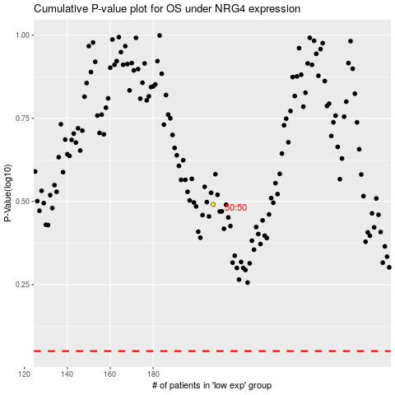

 |  |  |  |  |  | cases_OS | p_OS | rank | exp
 |  |  |  |  |  |  | cases_RFS | p_RFS | rank | exp

