NRIP1 _multivariate
Reported by Tex Li-Hsing Chi. tex@gate.sinica.edu.tw 2019-08-17

Table 2. The clinicopathological features of HNSCC cohort and NRIP1 expression. (Chi square test)
Cutoff at -0.066 (50.0%)
 |  | NRIP1 expression |  | NRIP1 expression |  | (Optimised)
 | Features | Low | (%) | High | (%) | Case no | P-value | Remark | Matthews
Gender | Female | 164 | 39.5 | 142 | 34.2 | 415 | 0.0153 | 1 | 0
2 | Male | 43 | 10.4 | 66 | 15.9
Age at diagnosis | <=65y | 146 | 35.2 | 128 | 30.8 | 415 | 0.0672 | 0 | 0
4 | >65y | 61 | 14.7 | 80 | 19.3
Clinical T Status | T1+T2 | 84 | 20.2 | 65 | 15.7 | 415 | 0.0603 | 0 | 0
6 | T3+T4 | 123 | 29.6 | 143 | 34.5
Clinical N Status | N0 | 107 | 25.8 | 109 | 26.3 | 415 | 0.9624 | 0 | 0
8 | N1-3 | 100 | 24.1 | 99 | 23.9
Clinical M Status | M0 | 204 | 49.2 | 208 | 50.1 | 415 | 0.1232 | 0 | 0
10 | M1 | 3 | 0.7 | 0 | 0
Clinical Stage | Stage I+II | 52 | 12.5 | 50 | 12 | 415 | 0.8871 | 0 | 0
12 | Stage III+IV | 155 | 37.3 | 158 | 38.1
Surgical Margin status | Negative | 148 | 35.7 | 170 | 41 | 415 | 0.015 | 1 | 0
14 | Positive | 59 | 14.2 | 38 | 9.2
Tobacco Exposure | Low | 81 | 19.5 | 80 | 19.3 | 415 | 0.9199 | 0 | 0
16 | High | 126 | 30.4 | 128 | 30.8

Table 3. Univariate/Multivariate Cox's proportional hazards regression analyses on OS time of NRIP1 gene expression in HNSCC

 |  | Univariate |  |  |  | Multivariate
 | Features | HR | CI95%(L) | CI95%(H) | P-value | HR | CI95%(L) | CI95%(H) | P-value
1 | Female | 1 |  |  |  | 1
Gender | Male | 1.157 | 0.843 | 1.587 | 0.367 | 1.192 | 0.853 | 1.667 | 0.303
11 | <=65y | 1 |  |  |  | 1
Age at diagnosis | >65y | 1.329 | 0.99 | 1.784 | 0.058 | 1.388 | 1.02 | 1.887 | 0.037
12 | T1+T2 | 1 |  |  |  | 1
Clinical T Status | T3+T4 | 1.409 | 1.028 | 1.931 | 0.033 | 2.184 | 1.155 | 4.133 | 0.016
13 | N0 | 1 |  |  |  | 1
Clinical N Status | N1-3 | 1.185 | 0.89 | 1.577 | 0.246 | 1.247 | 0.874 | 1.78 | 0.223
14 | M0 | 1 |  |  |  | 1
Clinical M Status | M1 | 4.097 | 1.009 | 16.644 | 0.049 | 9.795 | 2.125 | 45.149 | 0.003
15 | Stage I+II | 1 |  |  |  | 1
Clinical Stage | Stage III+IV | 1.245 | 0.882 | 1.759 | 0.213 | 0.505 | 0.235 | 1.083 | 0.079
16 | Negative | 1 |  |  |  | 1
Surgical Margin status | Positive | 1.591 | 1.155 | 2.191 | 0.004 | 1.703 | 1.226 | 2.367 | 0.002
17 | Low | 1 |  |  |  | 1
Tobacco Exposure | High | 1.364 | 1.008 | 1.844 | 0.044 | 1.449 | 1.051 | 1.997 | 0.023
18 | Low | 1 |  |  |  | 1
RNAseq(z-score) | High | 1.066 | 0.799 | 1.422 | 0.664 | 1.099 | 0.817 | 1.479 | 0.533

Table 4. Univariate/Multivariate Cox's proportional hazards regression analyses on RFS time of NRIP1 gene expression in HNSCC

 |  | Univariate |  |  |  | Multivariate
 | Features | HR | CI95%(L) | CI95%(H) | P-value | HR | CI95%(L) | CI95%(H) | P-value
1 | Female | 1 |  |  |  | 1
Gender | Male | 1.157 | 0.843 | 1.587 | 0.367 | 1.192 | 0.853 | 1.667 | 0.303
11 | <=65y | 1 |  |  |  | 1
Age at diagnosis | >65y | 1.329 | 0.99 | 1.784 | 0.058 | 1.388 | 1.02 | 1.887 | 0.037
12 | T1+T2 | 1 |  |  |  | 1
Clinical T Status | T3+T4 | 1.409 | 1.028 | 1.931 | 0.033 | 2.184 | 1.155 | 4.133 | 0.016
13 | N0 | 1 |  |  |  | 1
Clinical N Status | N1-3 | 1.185 | 0.89 | 1.577 | 0.246 | 1.247 | 0.874 | 1.78 | 0.223
14 | M0 | 1 |  |  |  | 1
Clinical M Status | M1 | 4.097 | 1.009 | 16.644 | 0.049 | 9.795 | 2.125 | 45.149 | 0.003
15 | Stage I+II | 1 |  |  |  | 1
Clinical Stage | Stage III+IV | 1.245 | 0.882 | 1.759 | 0.213 | 0.505 | 0.235 | 1.083 | 0.079
16 | Negative | 1 |  |  |  | 1
Surgical Margin status | Positive | 1.591 | 1.155 | 2.191 | 0.004 | 1.703 | 1.226 | 2.367 | 0.002
17 | Low | 1 |  |  |  | 1
Tobacco Exposure | High | 1.364 | 1.008 | 1.844 | 0.044 | 1.449 | 1.051 | 1.997 | 0.023
18 | Low | 1 |  |  |  | 1
RNAseq(z-score) | High | 1.066 | 0.799 | 1.422 | 0.664 | 1.099 | 0.817 | 1.479 | 0.533

Kaplan-Meier survival estimate: Cutoff at -0.066 (50.0%)



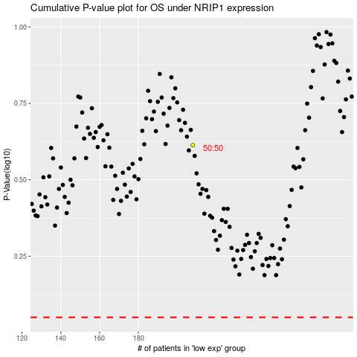

 |  |  |  |  |  | cases_OS | p_OS | rank | exp
 |  |  |  |  |  |  | cases_RFS | p_RFS | rank | exp

