NRIP2 _multivariate
Reported by Tex Li-Hsing Chi. tex@gate.sinica.edu.tw 2019-08-17

Table 2. The clinicopathological features of HNSCC cohort and NRIP2 expression. (Chi square test)
Cutoff at -0.053 (67.4%)
 |  | NRIP2 expression |  | NRIP2 expression |  | (Optimised)
 | Features | Low | (%) | High | (%) | Case no | P-value | Remark | Matthews
Gender | Female | 207 | 49.9 | 99 | 23.9 | 415 | 0.992 | 0 | 0
2 | Male | 73 | 17.6 | 36 | 8.7
Age at diagnosis | <=65y | 179 | 43.1 | 95 | 22.9 | 415 | 0.2351 | 0 | 0
4 | >65y | 101 | 24.3 | 40 | 9.6
Clinical T Status | T1+T2 | 89 | 21.4 | 60 | 14.5 | 415 | 0.016 | 1 | 0
6 | T3+T4 | 191 | 46 | 75 | 18.1
Clinical N Status | N0 | 144 | 34.7 | 72 | 17.3 | 415 | 0.7956 | 0 | 0
8 | N1-3 | 136 | 32.8 | 63 | 15.2
Clinical M Status | M0 | 277 | 66.7 | 135 | 32.5 | 415 | 0.5541 | 0 | 0
10 | M1 | 3 | 0.7 | 0 | 0
Clinical Stage | Stage I+II | 64 | 15.4 | 38 | 9.2 | 415 | 0.2932 | 0 | 0
12 | Stage III+IV | 216 | 52 | 97 | 23.4
Surgical Margin status | Negative | 217 | 52.3 | 101 | 24.3 | 415 | 0.5388 | 0 | 0
14 | Positive | 63 | 15.2 | 34 | 8.2
Tobacco Exposure | Low | 111 | 26.7 | 50 | 12 | 415 | 0.6674 | 0 | 0
16 | High | 169 | 40.7 | 85 | 20.5

Table 3. Univariate/Multivariate Cox's proportional hazards regression analyses on OS time of NRIP2 gene expression in HNSCC

 |  | Univariate |  |  |  | Multivariate
 | Features | HR | CI95%(L) | CI95%(H) | P-value | HR | CI95%(L) | CI95%(H) | P-value
1 | Female | 1 |  |  |  | 1
Gender | Male | 1.157 | 0.843 | 1.587 | 0.367 | 1.177 | 0.841 | 1.646 | 0.342
11 | <=65y | 1 |  |  |  | 1
Age at diagnosis | >65y | 1.329 | 0.99 | 1.784 | 0.058 | 1.372 | 1.009 | 1.864 | 0.044
12 | T1+T2 | 1 |  |  |  | 1
Clinical T Status | T3+T4 | 1.409 | 1.028 | 1.931 | 0.033 | 2.106 | 1.111 | 3.993 | 0.022
13 | N0 | 1 |  |  |  | 1
Clinical N Status | N1-3 | 1.185 | 0.89 | 1.577 | 0.246 | 1.241 | 0.87 | 1.769 | 0.233
14 | M0 | 1 |  |  |  | 1
Clinical M Status | M1 | 4.097 | 1.009 | 16.644 | 0.049 | 8.341 | 1.808 | 38.482 | 0.007
15 | Stage I+II | 1 |  |  |  | 1
Clinical Stage | Stage III+IV | 1.245 | 0.882 | 1.759 | 0.213 | 0.522 | 0.243 | 1.122 | 0.096
16 | Negative | 1 |  |  |  | 1
Surgical Margin status | Positive | 1.591 | 1.155 | 2.191 | 0.004 | 1.67 | 1.209 | 2.308 | 0.002
17 | Low | 1 |  |  |  | 1
Tobacco Exposure | High | 1.364 | 1.008 | 1.844 | 0.044 | 1.461 | 1.06 | 2.013 | 0.02
18 | Low | 1 |  |  |  | 1
RNAseq(z-score) | High | 0.726 | 0.527 | 1.001 | 0.051 | 0.776 | 0.56 | 1.074 | 0.126

Table 4. Univariate/Multivariate Cox's proportional hazards regression analyses on RFS time of NRIP2 gene expression in HNSCC

 |  | Univariate |  |  |  | Multivariate
 | Features | HR | CI95%(L) | CI95%(H) | P-value | HR | CI95%(L) | CI95%(H) | P-value
1 | Female | 1 |  |  |  | 1
Gender | Male | 1.157 | 0.843 | 1.587 | 0.367 | 1.177 | 0.841 | 1.646 | 0.342
11 | <=65y | 1 |  |  |  | 1
Age at diagnosis | >65y | 1.329 | 0.99 | 1.784 | 0.058 | 1.372 | 1.009 | 1.864 | 0.044
12 | T1+T2 | 1 |  |  |  | 1
Clinical T Status | T3+T4 | 1.409 | 1.028 | 1.931 | 0.033 | 2.106 | 1.111 | 3.993 | 0.022
13 | N0 | 1 |  |  |  | 1
Clinical N Status | N1-3 | 1.185 | 0.89 | 1.577 | 0.246 | 1.241 | 0.87 | 1.769 | 0.233
14 | M0 | 1 |  |  |  | 1
Clinical M Status | M1 | 4.097 | 1.009 | 16.644 | 0.049 | 8.341 | 1.808 | 38.482 | 0.007
15 | Stage I+II | 1 |  |  |  | 1
Clinical Stage | Stage III+IV | 1.245 | 0.882 | 1.759 | 0.213 | 0.522 | 0.243 | 1.122 | 0.096
16 | Negative | 1 |  |  |  | 1
Surgical Margin status | Positive | 1.591 | 1.155 | 2.191 | 0.004 | 1.67 | 1.209 | 2.308 | 0.002
17 | Low | 1 |  |  |  | 1
Tobacco Exposure | High | 1.364 | 1.008 | 1.844 | 0.044 | 1.461 | 1.06 | 2.013 | 0.02
18 | Low | 1 |  |  |  | 1
RNAseq(z-score) | High | 0.726 | 0.527 | 1.001 | 0.051 | 0.776 | 0.56 | 1.074 | 0.126

Kaplan-Meier survival estimate: Cutoff at -0.053 (67.4%)



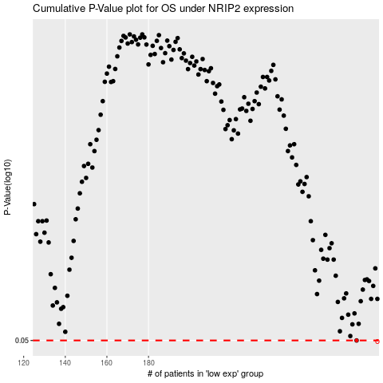

 |  |  |  |  |  | cases_OS | p_OS | rank | exp
 |  |  |  |  |  | 280 | 0.05 | 136 | -0.053486995517
 |  |  |  |  |  |  | cases_RFS | p_RFS | rank | exp
 |  |  |  |  |  |  | 279 | 0.05 | 385 | -0.05584458919

