NRXN1 _multivariate
Reported by Tex Li-Hsing Chi. tex@gate.sinica.edu.tw 2019-08-17

Table 2. The clinicopathological features of HNSCC cohort and NRXN1 expression. (Chi square test)
Cutoff at -0.256 (49.8%)
 |  | NRXN1 expression |  | NRXN1 expression |  | (Optimised)
 | Features | Low | (%) | High | (%) | Case no | P-value | Remark | Matthews
Gender | Female | 160 | 38.6 | 146 | 35.2 | 415 | 0.1254 | 0 | 0
2 | Male | 47 | 11.3 | 62 | 14.9
Age at diagnosis | <=65y | 130 | 31.3 | 144 | 34.7 | 415 | 0.2009 | 0 | 0
4 | >65y | 77 | 18.6 | 64 | 15.4
Clinical T Status | T1+T2 | 60 | 14.5 | 89 | 21.4 | 415 | 0.0047 | 1 | 0
6 | T3+T4 | 147 | 35.4 | 119 | 28.7
Clinical N Status | N0 | 102 | 24.6 | 114 | 27.5 | 415 | 0.3031 | 0 | 0
8 | N1-3 | 105 | 25.3 | 94 | 22.7
Clinical M Status | M0 | 205 | 49.4 | 207 | 49.9 | 415 | 0.6232 | 0 | 0
10 | M1 | 2 | 0.5 | 1 | 0.2
Clinical Stage | Stage I+II | 40 | 9.6 | 62 | 14.9 | 415 | 0.018 | 1 | 0
12 | Stage III+IV | 167 | 40.2 | 146 | 35.2
Surgical Margin status | Negative | 155 | 37.3 | 163 | 39.3 | 415 | 0.4187 | 0 | 0
14 | Positive | 52 | 12.5 | 45 | 10.8
Tobacco Exposure | Low | 82 | 19.8 | 79 | 19 | 415 | 0.763 | 0 | 0
16 | High | 125 | 30.1 | 129 | 31.1

Table 3. Univariate/Multivariate Cox's proportional hazards regression analyses on OS time of NRXN1 gene expression in HNSCC

 |  | Univariate |  |  |  | Multivariate
 | Features | HR | CI95%(L) | CI95%(H) | P-value | HR | CI95%(L) | CI95%(H) | P-value
1 | Female | 1 |  |  |  | 1
Gender | Male | 1.157 | 0.843 | 1.587 | 0.367 | 1.209 | 0.863 | 1.694 | 0.269
11 | <=65y | 1 |  |  |  | 1
Age at diagnosis | >65y | 1.329 | 0.99 | 1.784 | 0.058 | 1.385 | 1.017 | 1.886 | 0.039
12 | T1+T2 | 1 |  |  |  | 1
Clinical T Status | T3+T4 | 1.409 | 1.028 | 1.931 | 0.033 | 2.187 | 1.155 | 4.142 | 0.016
13 | N0 | 1 |  |  |  | 1
Clinical N Status | N1-3 | 1.185 | 0.89 | 1.577 | 0.246 | 1.242 | 0.87 | 1.772 | 0.232
14 | M0 | 1 |  |  |  | 1
Clinical M Status | M1 | 4.097 | 1.009 | 16.644 | 0.049 | 9.336 | 2.035 | 42.829 | 0.004
15 | Stage I+II | 1 |  |  |  | 1
Clinical Stage | Stage III+IV | 1.245 | 0.882 | 1.759 | 0.213 | 0.504 | 0.235 | 1.082 | 0.079
16 | Negative | 1 |  |  |  | 1
Surgical Margin status | Positive | 1.591 | 1.155 | 2.191 | 0.004 | 1.669 | 1.207 | 2.306 | 0.002
17 | Low | 1 |  |  |  | 1
Tobacco Exposure | High | 1.364 | 1.008 | 1.844 | 0.044 | 1.458 | 1.057 | 2.01 | 0.022
18 | Low | 1 |  |  |  | 1
RNAseq(z-score) | High | 0.912 | 0.685 | 1.215 | 0.529 | 0.956 | 0.712 | 1.282 | 0.763

Table 4. Univariate/Multivariate Cox's proportional hazards regression analyses on RFS time of NRXN1 gene expression in HNSCC

 |  | Univariate |  |  |  | Multivariate
 | Features | HR | CI95%(L) | CI95%(H) | P-value | HR | CI95%(L) | CI95%(H) | P-value
1 | Female | 1 |  |  |  | 1
Gender | Male | 1.157 | 0.843 | 1.587 | 0.367 | 1.209 | 0.863 | 1.694 | 0.269
11 | <=65y | 1 |  |  |  | 1
Age at diagnosis | >65y | 1.329 | 0.99 | 1.784 | 0.058 | 1.385 | 1.017 | 1.886 | 0.039
12 | T1+T2 | 1 |  |  |  | 1
Clinical T Status | T3+T4 | 1.409 | 1.028 | 1.931 | 0.033 | 2.187 | 1.155 | 4.142 | 0.016
13 | N0 | 1 |  |  |  | 1
Clinical N Status | N1-3 | 1.185 | 0.89 | 1.577 | 0.246 | 1.242 | 0.87 | 1.772 | 0.232
14 | M0 | 1 |  |  |  | 1
Clinical M Status | M1 | 4.097 | 1.009 | 16.644 | 0.049 | 9.336 | 2.035 | 42.829 | 0.004
15 | Stage I+II | 1 |  |  |  | 1
Clinical Stage | Stage III+IV | 1.245 | 0.882 | 1.759 | 0.213 | 0.504 | 0.235 | 1.082 | 0.079
16 | Negative | 1 |  |  |  | 1
Surgical Margin status | Positive | 1.591 | 1.155 | 2.191 | 0.004 | 1.669 | 1.207 | 2.306 | 0.002
17 | Low | 1 |  |  |  | 1
Tobacco Exposure | High | 1.364 | 1.008 | 1.844 | 0.044 | 1.458 | 1.057 | 2.01 | 0.022
18 | Low | 1 |  |  |  | 1
RNAseq(z-score) | High | 0.912 | 0.685 | 1.215 | 0.529 | 0.956 | 0.712 | 1.282 | 0.763

Kaplan-Meier survival estimate: Cutoff at -0.256 (49.8%)



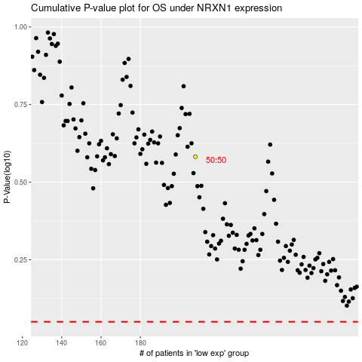

 |  |  |  |  |  | cases_OS | p_OS | rank | exp
 |  |  |  |  |  |  | cases_RFS | p_RFS | rank | exp

