NRXN2 _multivariate
Reported by Tex Li-Hsing Chi. tex@gate.sinica.edu.tw 2019-08-17

Table 2. The clinicopathological features of HNSCC cohort and NRXN2 expression. (Chi square test)
Cutoff at -0.257 (51.2%)
 |  | NRXN2 expression |  | NRXN2 expression |  | (Optimised)
 | Features | Low | (%) | High | (%) | Case no | P-value | Remark | Matthews
Gender | Female | 157 | 37.8 | 149 | 35.9 | 415 | 1 | 0 | 0
2 | Male | 56 | 13.5 | 53 | 12.8
Age at diagnosis | <=65y | 143 | 34.5 | 131 | 31.6 | 415 | 0.6984 | 0 | 0
4 | >65y | 70 | 16.9 | 71 | 17.1
Clinical T Status | T1+T2 | 77 | 18.6 | 72 | 17.3 | 415 | 0.9959 | 0 | 0
6 | T3+T4 | 136 | 32.8 | 130 | 31.3
Clinical N Status | N0 | 112 | 27 | 104 | 25.1 | 415 | 0.9003 | 0 | 0
8 | N1-3 | 101 | 24.3 | 98 | 23.6
Clinical M Status | M0 | 210 | 50.6 | 202 | 48.7 | 415 | 0.2487 | 0 | 0
10 | M1 | 3 | 0.7 | 0 | 0
Clinical Stage | Stage I+II | 51 | 12.3 | 51 | 12.3 | 415 | 0.8459 | 0 | 0
12 | Stage III+IV | 162 | 39 | 151 | 36.4
Surgical Margin status | Negative | 165 | 39.8 | 153 | 36.9 | 415 | 0.7282 | 0 | 0
14 | Positive | 48 | 11.6 | 49 | 11.8
Tobacco Exposure | Low | 85 | 20.5 | 76 | 18.3 | 415 | 0.6871 | 0 | 0
16 | High | 128 | 30.8 | 126 | 30.4

Table 3. Univariate/Multivariate Cox's proportional hazards regression analyses on OS time of NRXN2 gene expression in HNSCC

 |  | Univariate |  |  |  | Multivariate
 | Features | HR | CI95%(L) | CI95%(H) | P-value | HR | CI95%(L) | CI95%(H) | P-value
1 | Female | 1 |  |  |  | 1
Gender | Male | 1.157 | 0.843 | 1.587 | 0.367 | 1.228 | 0.879 | 1.717 | 0.229
11 | <=65y | 1 |  |  |  | 1
Age at diagnosis | >65y | 1.329 | 0.99 | 1.784 | 0.058 | 1.387 | 1.019 | 1.887 | 0.037
12 | T1+T2 | 1 |  |  |  | 1
Clinical T Status | T3+T4 | 1.409 | 1.028 | 1.931 | 0.033 | 2.168 | 1.148 | 4.097 | 0.017
13 | N0 | 1 |  |  |  | 1
Clinical N Status | N1-3 | 1.185 | 0.89 | 1.577 | 0.246 | 1.223 | 0.857 | 1.747 | 0.268
14 | M0 | 1 |  |  |  | 1
Clinical M Status | M1 | 4.097 | 1.009 | 16.644 | 0.049 | 11.122 | 2.404 | 51.461 | 0.002
15 | Stage I+II | 1 |  |  |  | 1
Clinical Stage | Stage III+IV | 1.245 | 0.882 | 1.759 | 0.213 | 0.511 | 0.238 | 1.097 | 0.085
16 | Negative | 1 |  |  |  | 1
Surgical Margin status | Positive | 1.591 | 1.155 | 2.191 | 0.004 | 1.675 | 1.212 | 2.314 | 0.002
17 | Low | 1 |  |  |  | 1
Tobacco Exposure | High | 1.364 | 1.008 | 1.844 | 0.044 | 1.464 | 1.063 | 2.017 | 0.02
18 | Low | 1 |  |  |  | 1
RNAseq(z-score) | High | 1.339 | 1.003 | 1.787 | 0.048 | 1.375 | 1.026 | 1.842 | 0.033

Table 4. Univariate/Multivariate Cox's proportional hazards regression analyses on RFS time of NRXN2 gene expression in HNSCC

 |  | Univariate |  |  |  | Multivariate
 | Features | HR | CI95%(L) | CI95%(H) | P-value | HR | CI95%(L) | CI95%(H) | P-value
1 | Female | 1 |  |  |  | 1
Gender | Male | 1.157 | 0.843 | 1.587 | 0.367 | 1.228 | 0.879 | 1.717 | 0.229
11 | <=65y | 1 |  |  |  | 1
Age at diagnosis | >65y | 1.329 | 0.99 | 1.784 | 0.058 | 1.387 | 1.019 | 1.887 | 0.037
12 | T1+T2 | 1 |  |  |  | 1
Clinical T Status | T3+T4 | 1.409 | 1.028 | 1.931 | 0.033 | 2.168 | 1.148 | 4.097 | 0.017
13 | N0 | 1 |  |  |  | 1
Clinical N Status | N1-3 | 1.185 | 0.89 | 1.577 | 0.246 | 1.223 | 0.857 | 1.747 | 0.268
14 | M0 | 1 |  |  |  | 1
Clinical M Status | M1 | 4.097 | 1.009 | 16.644 | 0.049 | 11.122 | 2.404 | 51.461 | 0.002
15 | Stage I+II | 1 |  |  |  | 1
Clinical Stage | Stage III+IV | 1.245 | 0.882 | 1.759 | 0.213 | 0.511 | 0.238 | 1.097 | 0.085
16 | Negative | 1 |  |  |  | 1
Surgical Margin status | Positive | 1.591 | 1.155 | 2.191 | 0.004 | 1.675 | 1.212 | 2.314 | 0.002
17 | Low | 1 |  |  |  | 1
Tobacco Exposure | High | 1.364 | 1.008 | 1.844 | 0.044 | 1.464 | 1.063 | 2.017 | 0.02
18 | Low | 1 |  |  |  | 1
RNAseq(z-score) | High | 1.339 | 1.003 | 1.787 | 0.048 | 1.375 | 1.026 | 1.842 | 0.033

Kaplan-Meier survival estimate: Cutoff at -0.257 (51.2%)



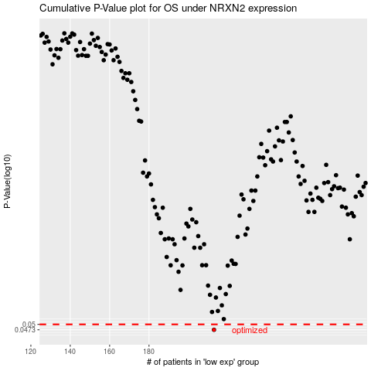

 |  |  |  |  |  | cases_OS | p_OS | rank | exp
 |  |  |  |  |  | 213 | 0.0473 | 274 | -0.25656762808
 |  |  |  |  |  |  | cases_RFS | p_RFS | rank | exp
 |  |  |  |  |  |  | 212 | 0.0473 | 160 | -0.25720941483

