NRXN3 _multivariate
Reported by Tex Li-Hsing Chi. tex@gate.sinica.edu.tw 2019-08-17

Table 2. The clinicopathological features of HNSCC cohort and NRXN3 expression. (Chi square test)
Cutoff at -0.399 (49.8%)
 |  | NRXN3 expression |  | NRXN3 expression |  | (Optimised)
 | Features | Low | (%) | High | (%) | Case no | P-value | Remark | Matthews
Gender | Female | 149 | 35.9 | 157 | 37.8 | 415 | 0.4848 | 0 | 0
2 | Male | 58 | 14 | 51 | 12.3
Age at diagnosis | <=65y | 138 | 33.3 | 136 | 32.8 | 415 | 0.8634 | 0 | 0
4 | >65y | 69 | 16.6 | 72 | 17.3
Clinical T Status | T1+T2 | 72 | 17.3 | 77 | 18.6 | 415 | 0.7095 | 0 | 0
6 | T3+T4 | 135 | 32.5 | 131 | 31.6
Clinical N Status | N0 | 104 | 25.1 | 112 | 27 | 415 | 0.5243 | 0 | 0
8 | N1-3 | 103 | 24.8 | 96 | 23.1
Clinical M Status | M0 | 204 | 49.2 | 208 | 50.1 | 415 | 0.1232 | 0 | 0
10 | M1 | 3 | 0.7 | 0 | 0
Clinical Stage | Stage I+II | 53 | 12.8 | 49 | 11.8 | 415 | 0.7113 | 0 | 0
12 | Stage III+IV | 154 | 37.1 | 159 | 38.3
Surgical Margin status | Negative | 159 | 38.3 | 159 | 38.3 | 415 | 1 | 0 | 0
14 | Positive | 48 | 11.6 | 49 | 11.8
Tobacco Exposure | Low | 86 | 20.7 | 75 | 18.1 | 415 | 0.2687 | 0 | 0
16 | High | 121 | 29.2 | 133 | 32

Table 3. Univariate/Multivariate Cox's proportional hazards regression analyses on OS time of NRXN3 gene expression in HNSCC

 |  | Univariate |  |  |  | Multivariate
 | Features | HR | CI95%(L) | CI95%(H) | P-value | HR | CI95%(L) | CI95%(H) | P-value
1 | Female | 1 |  |  |  | 1
Gender | Male | 1.157 | 0.843 | 1.587 | 0.367 | 1.199 | 0.857 | 1.676 | 0.289
11 | <=65y | 1 |  |  |  | 1
Age at diagnosis | >65y | 1.329 | 0.99 | 1.784 | 0.058 | 1.397 | 1.027 | 1.901 | 0.033
12 | T1+T2 | 1 |  |  |  | 1
Clinical T Status | T3+T4 | 1.409 | 1.028 | 1.931 | 0.033 | 2.18 | 1.151 | 4.129 | 0.017
13 | N0 | 1 |  |  |  | 1
Clinical N Status | N1-3 | 1.185 | 0.89 | 1.577 | 0.246 | 1.231 | 0.861 | 1.76 | 0.254
14 | M0 | 1 |  |  |  | 1
Clinical M Status | M1 | 4.097 | 1.009 | 16.644 | 0.049 | 9.034 | 1.951 | 41.833 | 0.005
15 | Stage I+II | 1 |  |  |  | 1
Clinical Stage | Stage III+IV | 1.245 | 0.882 | 1.759 | 0.213 | 0.515 | 0.238 | 1.111 | 0.091
16 | Negative | 1 |  |  |  | 1
Surgical Margin status | Positive | 1.591 | 1.155 | 2.191 | 0.004 | 1.67 | 1.209 | 2.307 | 0.002
17 | Low | 1 |  |  |  | 1
Tobacco Exposure | High | 1.364 | 1.008 | 1.844 | 0.044 | 1.461 | 1.059 | 2.016 | 0.021
18 | Low | 1 |  |  |  | 1
RNAseq(z-score) | High | 0.923 | 0.692 | 1.233 | 0.589 | 0.936 | 0.697 | 1.256 | 0.658

Table 4. Univariate/Multivariate Cox's proportional hazards regression analyses on RFS time of NRXN3 gene expression in HNSCC

 |  | Univariate |  |  |  | Multivariate
 | Features | HR | CI95%(L) | CI95%(H) | P-value | HR | CI95%(L) | CI95%(H) | P-value
1 | Female | 1 |  |  |  | 1
Gender | Male | 1.157 | 0.843 | 1.587 | 0.367 | 1.199 | 0.857 | 1.676 | 0.289
11 | <=65y | 1 |  |  |  | 1
Age at diagnosis | >65y | 1.329 | 0.99 | 1.784 | 0.058 | 1.397 | 1.027 | 1.901 | 0.033
12 | T1+T2 | 1 |  |  |  | 1
Clinical T Status | T3+T4 | 1.409 | 1.028 | 1.931 | 0.033 | 2.18 | 1.151 | 4.129 | 0.017
13 | N0 | 1 |  |  |  | 1
Clinical N Status | N1-3 | 1.185 | 0.89 | 1.577 | 0.246 | 1.231 | 0.861 | 1.76 | 0.254
14 | M0 | 1 |  |  |  | 1
Clinical M Status | M1 | 4.097 | 1.009 | 16.644 | 0.049 | 9.034 | 1.951 | 41.833 | 0.005
15 | Stage I+II | 1 |  |  |  | 1
Clinical Stage | Stage III+IV | 1.245 | 0.882 | 1.759 | 0.213 | 0.515 | 0.238 | 1.111 | 0.091
16 | Negative | 1 |  |  |  | 1
Surgical Margin status | Positive | 1.591 | 1.155 | 2.191 | 0.004 | 1.67 | 1.209 | 2.307 | 0.002
17 | Low | 1 |  |  |  | 1
Tobacco Exposure | High | 1.364 | 1.008 | 1.844 | 0.044 | 1.461 | 1.059 | 2.016 | 0.021
18 | Low | 1 |  |  |  | 1
RNAseq(z-score) | High | 0.923 | 0.692 | 1.233 | 0.589 | 0.936 | 0.697 | 1.256 | 0.658

Kaplan-Meier survival estimate: Cutoff at -0.399 (49.8%)



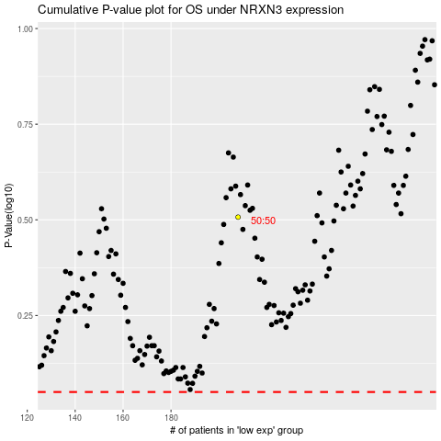

 |  |  |  |  |  | cases_OS | p_OS | rank | exp
 |  |  |  |  |  |  | cases_RFS | p_RFS | rank | exp

