NSMCE2 _multivariate
Reported by Tex Li-Hsing Chi. tex@gate.sinica.edu.tw 2019-08-17

Table 2. The clinicopathological features of HNSCC cohort and NSMCE2 expression. (Chi square test)
Cutoff at -0.079 (54.8%)
 |  | NSMCE2 expression |  | NSMCE2 expression |  | (Optimised)
 | Features | Low | (%) | High | (%) | Case no | P-value | Remark | Matthews
Gender | Female | 166 | 40 | 140 | 33.7 | 415 | 0.844 | 0 | 0
2 | Male | 61 | 14.7 | 48 | 11.6
Age at diagnosis | <=65y | 148 | 35.7 | 126 | 30.4 | 415 | 0.7747 | 0 | 0
4 | >65y | 79 | 19 | 62 | 14.9
Clinical T Status | T1+T2 | 83 | 20 | 66 | 15.9 | 415 | 0.8373 | 0 | 0
6 | T3+T4 | 144 | 34.7 | 122 | 29.4
Clinical N Status | N0 | 121 | 29.2 | 95 | 22.9 | 415 | 0.6427 | 0 | 0
8 | N1-3 | 106 | 25.5 | 93 | 22.4
Clinical M Status | M0 | 227 | 54.7 | 185 | 44.6 | 415 | 0.0922 | 0 | 0
10 | M1 | 0 | 0 | 3 | 0.7
Clinical Stage | Stage I+II | 58 | 14 | 44 | 10.6 | 415 | 0.6958 | 0 | 0
12 | Stage III+IV | 169 | 40.7 | 144 | 34.7
Surgical Margin status | Negative | 181 | 43.6 | 137 | 33 | 415 | 0.1044 | 0 | 0
14 | Positive | 46 | 11.1 | 51 | 12.3
Tobacco Exposure | Low | 91 | 21.9 | 70 | 16.9 | 415 | 0.613 | 0 | 0
16 | High | 136 | 32.8 | 118 | 28.4

Table 3. Univariate/Multivariate Cox's proportional hazards regression analyses on OS time of NSMCE2 gene expression in HNSCC

 |  | Univariate |  |  |  | Multivariate
 | Features | HR | CI95%(L) | CI95%(H) | P-value | HR | CI95%(L) | CI95%(H) | P-value
1 | Female | 1 |  |  |  | 1
Gender | Male | 1.157 | 0.843 | 1.587 | 0.367 | 1.189 | 0.851 | 1.663 | 0.311
11 | <=65y | 1 |  |  |  | 1
Age at diagnosis | >65y | 1.329 | 0.99 | 1.784 | 0.058 | 1.426 | 1.048 | 1.94 | 0.024
12 | T1+T2 | 1 |  |  |  | 1
Clinical T Status | T3+T4 | 1.409 | 1.028 | 1.931 | 0.033 | 2.193 | 1.161 | 4.145 | 0.016
13 | N0 | 1 |  |  |  | 1
Clinical N Status | N1-3 | 1.185 | 0.89 | 1.577 | 0.246 | 1.244 | 0.872 | 1.775 | 0.229
14 | M0 | 1 |  |  |  | 1
Clinical M Status | M1 | 4.097 | 1.009 | 16.644 | 0.049 | 8.186 | 1.772 | 37.826 | 0.007
15 | Stage I+II | 1 |  |  |  | 1
Clinical Stage | Stage III+IV | 1.245 | 0.882 | 1.759 | 0.213 | 0.51 | 0.237 | 1.094 | 0.084
16 | Negative | 1 |  |  |  | 1
Surgical Margin status | Positive | 1.591 | 1.155 | 2.191 | 0.004 | 1.616 | 1.167 | 2.237 | 0.004
17 | Low | 1 |  |  |  | 1
Tobacco Exposure | High | 1.364 | 1.008 | 1.844 | 0.044 | 1.453 | 1.055 | 2 | 0.022
18 | Low | 1 |  |  |  | 1
RNAseq(z-score) | High | 1.332 | 0.999 | 1.777 | 0.051 | 1.283 | 0.957 | 1.72 | 0.096

Table 4. Univariate/Multivariate Cox's proportional hazards regression analyses on RFS time of NSMCE2 gene expression in HNSCC

 |  | Univariate |  |  |  | Multivariate
 | Features | HR | CI95%(L) | CI95%(H) | P-value | HR | CI95%(L) | CI95%(H) | P-value
1 | Female | 1 |  |  |  | 1
Gender | Male | 1.157 | 0.843 | 1.587 | 0.367 | 1.189 | 0.851 | 1.663 | 0.311
11 | <=65y | 1 |  |  |  | 1
Age at diagnosis | >65y | 1.329 | 0.99 | 1.784 | 0.058 | 1.426 | 1.048 | 1.94 | 0.024
12 | T1+T2 | 1 |  |  |  | 1
Clinical T Status | T3+T4 | 1.409 | 1.028 | 1.931 | 0.033 | 2.193 | 1.161 | 4.145 | 0.016
13 | N0 | 1 |  |  |  | 1
Clinical N Status | N1-3 | 1.185 | 0.89 | 1.577 | 0.246 | 1.244 | 0.872 | 1.775 | 0.229
14 | M0 | 1 |  |  |  | 1
Clinical M Status | M1 | 4.097 | 1.009 | 16.644 | 0.049 | 8.186 | 1.772 | 37.826 | 0.007
15 | Stage I+II | 1 |  |  |  | 1
Clinical Stage | Stage III+IV | 1.245 | 0.882 | 1.759 | 0.213 | 0.51 | 0.237 | 1.094 | 0.084
16 | Negative | 1 |  |  |  | 1
Surgical Margin status | Positive | 1.591 | 1.155 | 2.191 | 0.004 | 1.616 | 1.167 | 2.237 | 0.004
17 | Low | 1 |  |  |  | 1
Tobacco Exposure | High | 1.364 | 1.008 | 1.844 | 0.044 | 1.453 | 1.055 | 2 | 0.022
18 | Low | 1 |  |  |  | 1
RNAseq(z-score) | High | 1.332 | 0.999 | 1.777 | 0.051 | 1.283 | 0.957 | 1.72 | 0.096

Kaplan-Meier survival estimate: Cutoff at -0.079 (54.8%)



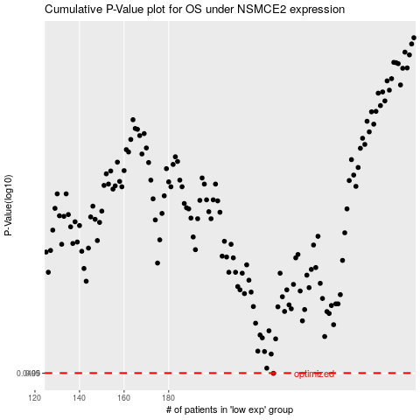

 |  |  |  |  |  | cases_OS | p_OS | rank | exp
 |  |  |  |  |  | 227 | 0.0499 | 70 | -0.078596296942
 |  |  |  |  |  |  | cases_RFS | p_RFS | rank | exp
 |  |  |  |  |  |  | 226 | 0.0499 | 334 | -0.07906763232

