NSMCE4A _multivariate
Reported by Tex Li-Hsing Chi. tex@gate.sinica.edu.tw 2019-08-17

Table 2. The clinicopathological features of HNSCC cohort and NSMCE4A expression. (Chi square test)
Cutoff at -0.318 (49.8%)
 |  | NSMCE4A expression |  | NSMCE4A expression |  | (Optimised)
 | Features | Low | (%) | High | (%) | Case no | P-value | Remark | Matthews
Gender | Female | 144 | 34.7 | 162 | 39 | 415 | 0.0697 | 0 | 0
2 | Male | 63 | 15.2 | 46 | 11.1
Age at diagnosis | <=65y | 138 | 33.3 | 136 | 32.8 | 415 | 0.8634 | 0 | 0
4 | >65y | 69 | 16.6 | 72 | 17.3
Clinical T Status | T1+T2 | 68 | 16.4 | 81 | 19.5 | 415 | 0.2336 | 0 | 0
6 | T3+T4 | 139 | 33.5 | 127 | 30.6
Clinical N Status | N0 | 110 | 26.5 | 106 | 25.5 | 415 | 0.7294 | 0 | 0
8 | N1-3 | 97 | 23.4 | 102 | 24.6
Clinical M Status | M0 | 207 | 49.9 | 205 | 49.4 | 415 | 0.2482 | 0 | 0
10 | M1 | 0 | 0 | 3 | 0.7
Clinical Stage | Stage I+II | 52 | 12.5 | 50 | 12 | 415 | 0.8871 | 0 | 0
12 | Stage III+IV | 155 | 37.3 | 158 | 38.1
Surgical Margin status | Negative | 171 | 41.2 | 147 | 35.4 | 415 | 0.0052 | 1 | 0
14 | Positive | 36 | 8.7 | 61 | 14.7
Tobacco Exposure | Low | 84 | 20.2 | 77 | 18.6 | 415 | 0.4816 | 0 | 0
16 | High | 123 | 29.6 | 131 | 31.6

Table 3. Univariate/Multivariate Cox's proportional hazards regression analyses on OS time of NSMCE4A gene expression in HNSCC

 |  | Univariate |  |  |  | Multivariate
 | Features | HR | CI95%(L) | CI95%(H) | P-value | HR | CI95%(L) | CI95%(H) | P-value
1 | Female | 1 |  |  |  | 1
Gender | Male | 1.157 | 0.843 | 1.587 | 0.367 | 1.2 | 0.858 | 1.677 | 0.287
11 | <=65y | 1 |  |  |  | 1
Age at diagnosis | >65y | 1.329 | 0.99 | 1.784 | 0.058 | 1.391 | 1.023 | 1.891 | 0.035
12 | T1+T2 | 1 |  |  |  | 1
Clinical T Status | T3+T4 | 1.409 | 1.028 | 1.931 | 0.033 | 2.194 | 1.158 | 4.156 | 0.016
13 | N0 | 1 |  |  |  | 1
Clinical N Status | N1-3 | 1.185 | 0.89 | 1.577 | 0.246 | 1.241 | 0.87 | 1.77 | 0.234
14 | M0 | 1 |  |  |  | 1
Clinical M Status | M1 | 4.097 | 1.009 | 16.644 | 0.049 | 9.483 | 2.061 | 43.635 | 0.004
15 | Stage I+II | 1 |  |  |  | 1
Clinical Stage | Stage III+IV | 1.245 | 0.882 | 1.759 | 0.213 | 0.506 | 0.235 | 1.087 | 0.081
16 | Negative | 1 |  |  |  | 1
Surgical Margin status | Positive | 1.591 | 1.155 | 2.191 | 0.004 | 1.678 | 1.209 | 2.328 | 0.002
17 | Low | 1 |  |  |  | 1
Tobacco Exposure | High | 1.364 | 1.008 | 1.844 | 0.044 | 1.456 | 1.056 | 2.007 | 0.022
18 | Low | 1 |  |  |  | 1
RNAseq(z-score) | High | 1.036 | 0.778 | 1.379 | 0.81 | 0.978 | 0.728 | 1.314 | 0.882

Table 4. Univariate/Multivariate Cox's proportional hazards regression analyses on RFS time of NSMCE4A gene expression in HNSCC

 |  | Univariate |  |  |  | Multivariate
 | Features | HR | CI95%(L) | CI95%(H) | P-value | HR | CI95%(L) | CI95%(H) | P-value
1 | Female | 1 |  |  |  | 1
Gender | Male | 1.157 | 0.843 | 1.587 | 0.367 | 1.2 | 0.858 | 1.677 | 0.287
11 | <=65y | 1 |  |  |  | 1
Age at diagnosis | >65y | 1.329 | 0.99 | 1.784 | 0.058 | 1.391 | 1.023 | 1.891 | 0.035
12 | T1+T2 | 1 |  |  |  | 1
Clinical T Status | T3+T4 | 1.409 | 1.028 | 1.931 | 0.033 | 2.194 | 1.158 | 4.156 | 0.016
13 | N0 | 1 |  |  |  | 1
Clinical N Status | N1-3 | 1.185 | 0.89 | 1.577 | 0.246 | 1.241 | 0.87 | 1.77 | 0.234
14 | M0 | 1 |  |  |  | 1
Clinical M Status | M1 | 4.097 | 1.009 | 16.644 | 0.049 | 9.483 | 2.061 | 43.635 | 0.004
15 | Stage I+II | 1 |  |  |  | 1
Clinical Stage | Stage III+IV | 1.245 | 0.882 | 1.759 | 0.213 | 0.506 | 0.235 | 1.087 | 0.081
16 | Negative | 1 |  |  |  | 1
Surgical Margin status | Positive | 1.591 | 1.155 | 2.191 | 0.004 | 1.678 | 1.209 | 2.328 | 0.002
17 | Low | 1 |  |  |  | 1
Tobacco Exposure | High | 1.364 | 1.008 | 1.844 | 0.044 | 1.456 | 1.056 | 2.007 | 0.022
18 | Low | 1 |  |  |  | 1
RNAseq(z-score) | High | 1.036 | 0.778 | 1.379 | 0.81 | 0.978 | 0.728 | 1.314 | 0.882

Kaplan-Meier survival estimate: Cutoff at -0.318 (49.8%)



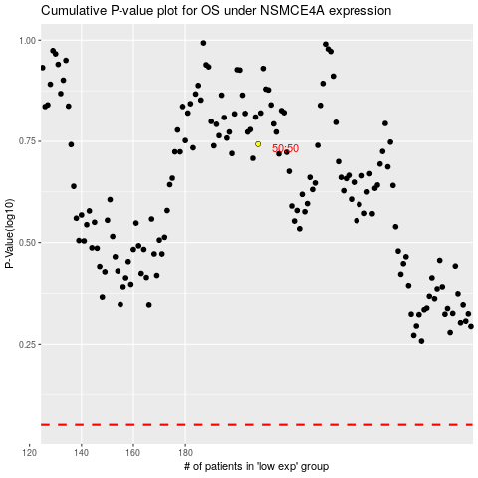

 |  |  |  |  |  | cases_OS | p_OS | rank | exp
 |  |  |  |  |  |  | cases_RFS | p_RFS | rank | exp

