NSUN3 _multivariate
Reported by Tex Li-Hsing Chi. tex@gate.sinica.edu.tw 2019-08-17

Table 2. The clinicopathological features of HNSCC cohort and NSUN3 expression. (Chi square test)
Cutoff at -0.254 (49.8%)
 |  | NSUN3 expression |  | NSUN3 expression |  | (Optimised)
 | Features | Low | (%) | High | (%) | Case no | P-value | Remark | Matthews
Gender | Female | 142 | 34.2 | 164 | 39.5 | 415 | 0.0238 | 1 | 0
2 | Male | 65 | 15.7 | 44 | 10.6
Age at diagnosis | <=65y | 135 | 32.5 | 139 | 33.5 | 415 | 0.8084 | 0 | 0
4 | >65y | 72 | 17.3 | 69 | 16.6
Clinical T Status | T1+T2 | 75 | 18.1 | 74 | 17.8 | 415 | 0.9707 | 0 | 0
6 | T3+T4 | 132 | 31.8 | 134 | 32.3
Clinical N Status | N0 | 110 | 26.5 | 106 | 25.5 | 415 | 0.7294 | 0 | 0
8 | N1-3 | 97 | 23.4 | 102 | 24.6
Clinical M Status | M0 | 204 | 49.2 | 208 | 50.1 | 415 | 0.1232 | 0 | 0
10 | M1 | 3 | 0.7 | 0 | 0
Clinical Stage | Stage I+II | 52 | 12.5 | 50 | 12 | 415 | 0.8871 | 0 | 0
12 | Stage III+IV | 155 | 37.3 | 158 | 38.1
Surgical Margin status | Negative | 154 | 37.1 | 164 | 39.5 | 415 | 0.2984 | 0 | 0
14 | Positive | 53 | 12.8 | 44 | 10.6
Tobacco Exposure | Low | 96 | 23.1 | 65 | 15.7 | 415 | 0.0018 | 1 | 0
16 | High | 111 | 26.7 | 143 | 34.5

Table 3. Univariate/Multivariate Cox's proportional hazards regression analyses on OS time of NSUN3 gene expression in HNSCC

 |  | Univariate |  |  |  | Multivariate
 | Features | HR | CI95%(L) | CI95%(H) | P-value | HR | CI95%(L) | CI95%(H) | P-value
1 | Female | 1 |  |  |  | 1
Gender | Male | 1.157 | 0.843 | 1.587 | 0.367 | 1.212 | 0.867 | 1.695 | 0.26
11 | <=65y | 1 |  |  |  | 1
Age at diagnosis | >65y | 1.329 | 0.99 | 1.784 | 0.058 | 1.383 | 1.017 | 1.881 | 0.038
12 | T1+T2 | 1 |  |  |  | 1
Clinical T Status | T3+T4 | 1.409 | 1.028 | 1.931 | 0.033 | 2.228 | 1.176 | 4.218 | 0.014
13 | N0 | 1 |  |  |  | 1
Clinical N Status | N1-3 | 1.185 | 0.89 | 1.577 | 0.246 | 1.239 | 0.868 | 1.768 | 0.237
14 | M0 | 1 |  |  |  | 1
Clinical M Status | M1 | 4.097 | 1.009 | 16.644 | 0.049 | 9.985 | 2.148 | 46.42 | 0.003
15 | Stage I+II | 1 |  |  |  | 1
Clinical Stage | Stage III+IV | 1.245 | 0.882 | 1.759 | 0.213 | 0.497 | 0.231 | 1.069 | 0.073
16 | Negative | 1 |  |  |  | 1
Surgical Margin status | Positive | 1.591 | 1.155 | 2.191 | 0.004 | 1.691 | 1.221 | 2.343 | 0.002
17 | Low | 1 |  |  |  | 1
Tobacco Exposure | High | 1.364 | 1.008 | 1.844 | 0.044 | 1.432 | 1.036 | 1.979 | 0.03
18 | Low | 1 |  |  |  | 1
RNAseq(z-score) | High | 1.047 | 0.786 | 1.396 | 0.752 | 1.092 | 0.81 | 1.472 | 0.564

Table 4. Univariate/Multivariate Cox's proportional hazards regression analyses on RFS time of NSUN3 gene expression in HNSCC

 |  | Univariate |  |  |  | Multivariate
 | Features | HR | CI95%(L) | CI95%(H) | P-value | HR | CI95%(L) | CI95%(H) | P-value
1 | Female | 1 |  |  |  | 1
Gender | Male | 1.157 | 0.843 | 1.587 | 0.367 | 1.212 | 0.867 | 1.695 | 0.26
11 | <=65y | 1 |  |  |  | 1
Age at diagnosis | >65y | 1.329 | 0.99 | 1.784 | 0.058 | 1.383 | 1.017 | 1.881 | 0.038
12 | T1+T2 | 1 |  |  |  | 1
Clinical T Status | T3+T4 | 1.409 | 1.028 | 1.931 | 0.033 | 2.228 | 1.176 | 4.218 | 0.014
13 | N0 | 1 |  |  |  | 1
Clinical N Status | N1-3 | 1.185 | 0.89 | 1.577 | 0.246 | 1.239 | 0.868 | 1.768 | 0.237
14 | M0 | 1 |  |  |  | 1
Clinical M Status | M1 | 4.097 | 1.009 | 16.644 | 0.049 | 9.985 | 2.148 | 46.42 | 0.003
15 | Stage I+II | 1 |  |  |  | 1
Clinical Stage | Stage III+IV | 1.245 | 0.882 | 1.759 | 0.213 | 0.497 | 0.231 | 1.069 | 0.073
16 | Negative | 1 |  |  |  | 1
Surgical Margin status | Positive | 1.591 | 1.155 | 2.191 | 0.004 | 1.691 | 1.221 | 2.343 | 0.002
17 | Low | 1 |  |  |  | 1
Tobacco Exposure | High | 1.364 | 1.008 | 1.844 | 0.044 | 1.432 | 1.036 | 1.979 | 0.03
18 | Low | 1 |  |  |  | 1
RNAseq(z-score) | High | 1.047 | 0.786 | 1.396 | 0.752 | 1.092 | 0.81 | 1.472 | 0.564

Kaplan-Meier survival estimate: Cutoff at -0.254 (49.8%)

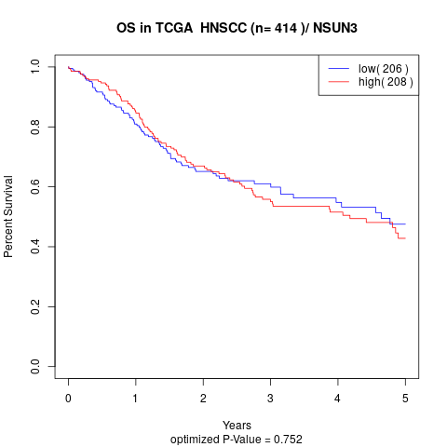

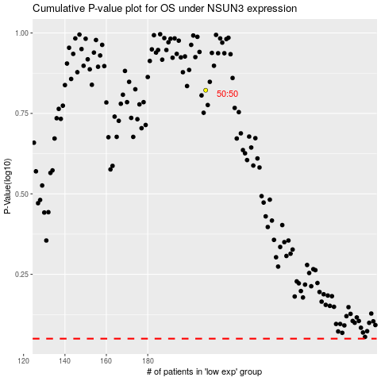

 |  |  |  |  |  | cases_OS | p_OS | rank | exp
 |  |  |  |  |  |  | cases_RFS | p_RFS | rank | exp

