NSUN4 _multivariate
Reported by Tex Li-Hsing Chi. tex@gate.sinica.edu.tw 2019-08-17

Table 2. The clinicopathological features of HNSCC cohort and NSUN4 expression. (Chi square test)
Cutoff at -0.062 (49.8%)
 |  | NSUN4 expression |  | NSUN4 expression |  | (Optimised)
 | Features | Low | (%) | High | (%) | Case no | P-value | Remark | Matthews
Gender | Female | 141 | 34 | 165 | 39.8 | 415 | 0.013 | 1 | 0
2 | Male | 66 | 15.9 | 43 | 10.4
Age at diagnosis | <=65y | 127 | 30.6 | 147 | 35.4 | 415 | 0.0573 | 0 | 0
4 | >65y | 80 | 19.3 | 61 | 14.7
Clinical T Status | T1+T2 | 83 | 20 | 66 | 15.9 | 415 | 0.0941 | 0 | 0
6 | T3+T4 | 124 | 29.9 | 142 | 34.2
Clinical N Status | N0 | 119 | 28.7 | 97 | 23.4 | 415 | 0.0345 | 1 | 0
8 | N1-3 | 88 | 21.2 | 111 | 26.7
Clinical M Status | M0 | 206 | 49.6 | 206 | 49.6 | 415 | 1 | 0 | 0
10 | M1 | 1 | 0.2 | 2 | 0.5
Clinical Stage | Stage I+II | 61 | 14.7 | 41 | 9.9 | 415 | 0.0282 | 1 | 0
12 | Stage III+IV | 146 | 35.2 | 167 | 40.2
Surgical Margin status | Negative | 163 | 39.3 | 155 | 37.3 | 415 | 0.3537 | 0 | 0
14 | Positive | 44 | 10.6 | 53 | 12.8
Tobacco Exposure | Low | 91 | 21.9 | 70 | 16.9 | 415 | 0.0346 | 1 | 0
16 | High | 116 | 28 | 138 | 33.3

Table 3. Univariate/Multivariate Cox's proportional hazards regression analyses on OS time of NSUN4 gene expression in HNSCC

 |  | Univariate |  |  |  | Multivariate
 | Features | HR | CI95%(L) | CI95%(H) | P-value | HR | CI95%(L) | CI95%(H) | P-value
1 | Female | 1 |  |  |  | 1
Gender | Male | 1.157 | 0.843 | 1.587 | 0.367 | 1.204 | 0.861 | 1.682 | 0.277
11 | <=65y | 1 |  |  |  | 1
Age at diagnosis | >65y | 1.329 | 0.99 | 1.784 | 0.058 | 1.395 | 1.025 | 1.898 | 0.034
12 | T1+T2 | 1 |  |  |  | 1
Clinical T Status | T3+T4 | 1.409 | 1.028 | 1.931 | 0.033 | 2.202 | 1.164 | 4.163 | 0.015
13 | N0 | 1 |  |  |  | 1
Clinical N Status | N1-3 | 1.185 | 0.89 | 1.577 | 0.246 | 1.238 | 0.867 | 1.768 | 0.24
14 | M0 | 1 |  |  |  | 1
Clinical M Status | M1 | 4.097 | 1.009 | 16.644 | 0.049 | 9.404 | 2.051 | 43.109 | 0.004
15 | Stage I+II | 1 |  |  |  | 1
Clinical Stage | Stage III+IV | 1.245 | 0.882 | 1.759 | 0.213 | 0.502 | 0.233 | 1.079 | 0.078
16 | Negative | 1 |  |  |  | 1
Surgical Margin status | Positive | 1.591 | 1.155 | 2.191 | 0.004 | 1.671 | 1.209 | 2.309 | 0.002
17 | Low | 1 |  |  |  | 1
Tobacco Exposure | High | 1.364 | 1.008 | 1.844 | 0.044 | 1.454 | 1.055 | 2.004 | 0.022
18 | Low | 1 |  |  |  | 1
RNAseq(z-score) | High | 1.061 | 0.797 | 1.412 | 0.687 | 1.03 | 0.767 | 1.383 | 0.845

Table 4. Univariate/Multivariate Cox's proportional hazards regression analyses on RFS time of NSUN4 gene expression in HNSCC

 |  | Univariate |  |  |  | Multivariate
 | Features | HR | CI95%(L) | CI95%(H) | P-value | HR | CI95%(L) | CI95%(H) | P-value
1 | Female | 1 |  |  |  | 1
Gender | Male | 1.157 | 0.843 | 1.587 | 0.367 | 1.204 | 0.861 | 1.682 | 0.277
11 | <=65y | 1 |  |  |  | 1
Age at diagnosis | >65y | 1.329 | 0.99 | 1.784 | 0.058 | 1.395 | 1.025 | 1.898 | 0.034
12 | T1+T2 | 1 |  |  |  | 1
Clinical T Status | T3+T4 | 1.409 | 1.028 | 1.931 | 0.033 | 2.202 | 1.164 | 4.163 | 0.015
13 | N0 | 1 |  |  |  | 1
Clinical N Status | N1-3 | 1.185 | 0.89 | 1.577 | 0.246 | 1.238 | 0.867 | 1.768 | 0.24
14 | M0 | 1 |  |  |  | 1
Clinical M Status | M1 | 4.097 | 1.009 | 16.644 | 0.049 | 9.404 | 2.051 | 43.109 | 0.004
15 | Stage I+II | 1 |  |  |  | 1
Clinical Stage | Stage III+IV | 1.245 | 0.882 | 1.759 | 0.213 | 0.502 | 0.233 | 1.079 | 0.078
16 | Negative | 1 |  |  |  | 1
Surgical Margin status | Positive | 1.591 | 1.155 | 2.191 | 0.004 | 1.671 | 1.209 | 2.309 | 0.002
17 | Low | 1 |  |  |  | 1
Tobacco Exposure | High | 1.364 | 1.008 | 1.844 | 0.044 | 1.454 | 1.055 | 2.004 | 0.022
18 | Low | 1 |  |  |  | 1
RNAseq(z-score) | High | 1.061 | 0.797 | 1.412 | 0.687 | 1.03 | 0.767 | 1.383 | 0.845

Kaplan-Meier survival estimate: Cutoff at -0.062 (49.8%)



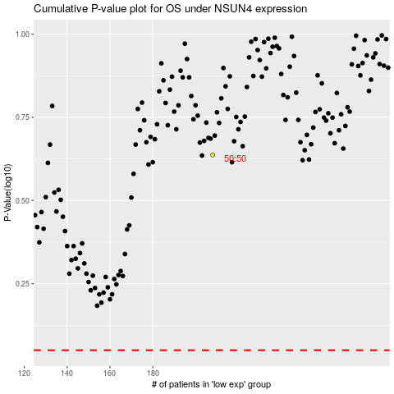

 |  |  |  |  |  | cases_OS | p_OS | rank | exp
 |  |  |  |  |  |  | cases_RFS | p_RFS | rank | exp

