NT5C _multivariate
Reported by Tex Li-Hsing Chi. tex@gate.sinica.edu.tw 2019-08-17

Table 2. The clinicopathological features of HNSCC cohort and NT5C expression. (Chi square test)
Cutoff at -0.222 (49.8%)
 |  | NT5C expression |  | NT5C expression |  | (Optimised)
 | Features | Low | (%) | High | (%) | Case no | P-value | Remark | Matthews
Gender | Female | 153 | 36.9 | 153 | 36.9 | 415 | 1 | 0 | 0
2 | Male | 54 | 13 | 55 | 13.3
Age at diagnosis | <=65y | 138 | 33.3 | 136 | 32.8 | 415 | 0.8634 | 0 | 0
4 | >65y | 69 | 16.6 | 72 | 17.3
Clinical T Status | T1+T2 | 85 | 20.5 | 64 | 15.4 | 415 | 0.0372 | 1 | 0
6 | T3+T4 | 122 | 29.4 | 144 | 34.7
Clinical N Status | N0 | 107 | 25.8 | 109 | 26.3 | 415 | 0.9624 | 0 | 0
8 | N1-3 | 100 | 24.1 | 99 | 23.9
Clinical M Status | M0 | 207 | 49.9 | 205 | 49.4 | 415 | 0.2482 | 0 | 0
10 | M1 | 0 | 0 | 3 | 0.7
Clinical Stage | Stage I+II | 56 | 13.5 | 46 | 11.1 | 415 | 0.2918 | 0 | 0
12 | Stage III+IV | 151 | 36.4 | 162 | 39
Surgical Margin status | Negative | 161 | 38.8 | 157 | 37.8 | 415 | 0.6429 | 0 | 0
14 | Positive | 46 | 11.1 | 51 | 12.3
Tobacco Exposure | Low | 94 | 22.7 | 67 | 16.1 | 415 | 0.0065 | 1 | 0
16 | High | 113 | 27.2 | 141 | 34

Table 3. Univariate/Multivariate Cox's proportional hazards regression analyses on OS time of NT5C gene expression in HNSCC

 |  | Univariate |  |  |  | Multivariate
 | Features | HR | CI95%(L) | CI95%(H) | P-value | HR | CI95%(L) | CI95%(H) | P-value
1 | Female | 1 |  |  |  | 1
Gender | Male | 1.157 | 0.843 | 1.587 | 0.367 | 1.218 | 0.873 | 1.701 | 0.246
11 | <=65y | 1 |  |  |  | 1
Age at diagnosis | >65y | 1.329 | 0.99 | 1.784 | 0.058 | 1.405 | 1.033 | 1.912 | 0.03
12 | T1+T2 | 1 |  |  |  | 1
Clinical T Status | T3+T4 | 1.409 | 1.028 | 1.931 | 0.033 | 2.308 | 1.217 | 4.375 | 0.01
13 | N0 | 1 |  |  |  | 1
Clinical N Status | N1-3 | 1.185 | 0.89 | 1.577 | 0.246 | 1.24 | 0.869 | 1.769 | 0.236
14 | M0 | 1 |  |  |  | 1
Clinical M Status | M1 | 4.097 | 1.009 | 16.644 | 0.049 | 11.089 | 2.381 | 51.647 | 0.002
15 | Stage I+II | 1 |  |  |  | 1
Clinical Stage | Stage III+IV | 1.245 | 0.882 | 1.759 | 0.213 | 0.487 | 0.227 | 1.047 | 0.065
16 | Negative | 1 |  |  |  | 1
Surgical Margin status | Positive | 1.591 | 1.155 | 2.191 | 0.004 | 1.701 | 1.23 | 2.352 | 0.001
17 | Low | 1 |  |  |  | 1
Tobacco Exposure | High | 1.364 | 1.008 | 1.844 | 0.044 | 1.513 | 1.094 | 2.093 | 0.012
18 | Low | 1 |  |  |  | 1
RNAseq(z-score) | High | 0.948 | 0.712 | 1.263 | 0.716 | 0.799 | 0.595 | 1.074 | 0.137

Table 4. Univariate/Multivariate Cox's proportional hazards regression analyses on RFS time of NT5C gene expression in HNSCC

 |  | Univariate |  |  |  | Multivariate
 | Features | HR | CI95%(L) | CI95%(H) | P-value | HR | CI95%(L) | CI95%(H) | P-value
1 | Female | 1 |  |  |  | 1
Gender | Male | 1.157 | 0.843 | 1.587 | 0.367 | 1.218 | 0.873 | 1.701 | 0.246
11 | <=65y | 1 |  |  |  | 1
Age at diagnosis | >65y | 1.329 | 0.99 | 1.784 | 0.058 | 1.405 | 1.033 | 1.912 | 0.03
12 | T1+T2 | 1 |  |  |  | 1
Clinical T Status | T3+T4 | 1.409 | 1.028 | 1.931 | 0.033 | 2.308 | 1.217 | 4.375 | 0.01
13 | N0 | 1 |  |  |  | 1
Clinical N Status | N1-3 | 1.185 | 0.89 | 1.577 | 0.246 | 1.24 | 0.869 | 1.769 | 0.236
14 | M0 | 1 |  |  |  | 1
Clinical M Status | M1 | 4.097 | 1.009 | 16.644 | 0.049 | 11.089 | 2.381 | 51.647 | 0.002
15 | Stage I+II | 1 |  |  |  | 1
Clinical Stage | Stage III+IV | 1.245 | 0.882 | 1.759 | 0.213 | 0.487 | 0.227 | 1.047 | 0.065
16 | Negative | 1 |  |  |  | 1
Surgical Margin status | Positive | 1.591 | 1.155 | 2.191 | 0.004 | 1.701 | 1.23 | 2.352 | 0.001
17 | Low | 1 |  |  |  | 1
Tobacco Exposure | High | 1.364 | 1.008 | 1.844 | 0.044 | 1.513 | 1.094 | 2.093 | 0.012
18 | Low | 1 |  |  |  | 1
RNAseq(z-score) | High | 0.948 | 0.712 | 1.263 | 0.716 | 0.799 | 0.595 | 1.074 | 0.137

Kaplan-Meier survival estimate: Cutoff at -0.222 (49.8%)



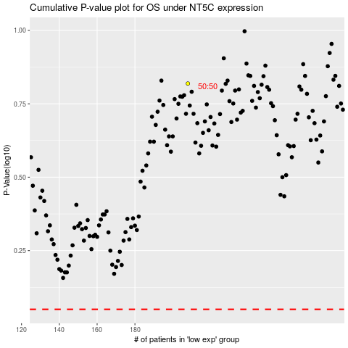

 |  |  |  |  |  | cases_OS | p_OS | rank | exp
 |  |  |  |  |  |  | cases_RFS | p_RFS | rank | exp

