NT5C1B _multivariate
Reported by Tex Li-Hsing Chi. tex@gate.sinica.edu.tw 2019-08-17

Table 2. The clinicopathological features of HNSCC cohort and NT5C1B expression. (Chi square test)
Cutoff at -0.218 (49.8%)
 |  | NT5C1B expression |  | NT5C1B expression |  | (Optimised)
 | Features | Low | (%) | High | (%) | Case no | P-value | Remark | Matthews
Gender | Female | 147 | 35.4 | 159 | 38.3 | 415 | 0.2523 | 0 | 0
2 | Male | 60 | 14.5 | 49 | 11.8
Age at diagnosis | <=65y | 142 | 34.2 | 132 | 31.8 | 415 | 0.3167 | 0 | 0
4 | >65y | 65 | 15.7 | 76 | 18.3
Clinical T Status | T1+T2 | 83 | 20 | 66 | 15.9 | 415 | 0.0941 | 0 | 0
6 | T3+T4 | 124 | 29.9 | 142 | 34.2
Clinical N Status | N0 | 99 | 23.9 | 117 | 28.2 | 415 | 0.1054 | 0 | 0
8 | N1-3 | 108 | 26 | 91 | 21.9
Clinical M Status | M0 | 206 | 49.6 | 206 | 49.6 | 415 | 1 | 0 | 0
10 | M1 | 1 | 0.2 | 2 | 0.5
Clinical Stage | Stage I+II | 55 | 13.3 | 47 | 11.3 | 415 | 0.4087 | 0 | 0
12 | Stage III+IV | 152 | 36.6 | 161 | 38.8
Surgical Margin status | Negative | 159 | 38.3 | 159 | 38.3 | 415 | 1 | 0 | 0
14 | Positive | 48 | 11.6 | 49 | 11.8
Tobacco Exposure | Low | 87 | 21 | 74 | 17.8 | 415 | 0.1911 | 0 | 0
16 | High | 120 | 28.9 | 134 | 32.3

Table 3. Univariate/Multivariate Cox's proportional hazards regression analyses on OS time of NT5C1B gene expression in HNSCC

 |  | Univariate |  |  |  | Multivariate
 | Features | HR | CI95%(L) | CI95%(H) | P-value | HR | CI95%(L) | CI95%(H) | P-value
1 | Female | 1 |  |  |  | 1
Gender | Male | 1.157 | 0.843 | 1.587 | 0.367 | 1.192 | 0.853 | 1.665 | 0.304
11 | <=65y | 1 |  |  |  | 1
Age at diagnosis | >65y | 1.329 | 0.99 | 1.784 | 0.058 | 1.423 | 1.044 | 1.939 | 0.025
12 | T1+T2 | 1 |  |  |  | 1
Clinical T Status | T3+T4 | 1.409 | 1.028 | 1.931 | 0.033 | 2.265 | 1.197 | 4.289 | 0.012
13 | N0 | 1 |  |  |  | 1
Clinical N Status | N1-3 | 1.185 | 0.89 | 1.577 | 0.246 | 1.203 | 0.841 | 1.721 | 0.311
14 | M0 | 1 |  |  |  | 1
Clinical M Status | M1 | 4.097 | 1.009 | 16.644 | 0.049 | 10.013 | 2.178 | 46.03 | 0.003
15 | Stage I+II | 1 |  |  |  | 1
Clinical Stage | Stage III+IV | 1.245 | 0.882 | 1.759 | 0.213 | 0.5 | 0.233 | 1.073 | 0.075
16 | Negative | 1 |  |  |  | 1
Surgical Margin status | Positive | 1.591 | 1.155 | 2.191 | 0.004 | 1.692 | 1.224 | 2.339 | 0.001
17 | Low | 1 |  |  |  | 1
Tobacco Exposure | High | 1.364 | 1.008 | 1.844 | 0.044 | 1.483 | 1.074 | 2.048 | 0.017
18 | Low | 1 |  |  |  | 1
RNAseq(z-score) | High | 0.869 | 0.652 | 1.158 | 0.338 | 0.806 | 0.601 | 1.081 | 0.149

Table 4. Univariate/Multivariate Cox's proportional hazards regression analyses on RFS time of NT5C1B gene expression in HNSCC

 |  | Univariate |  |  |  | Multivariate
 | Features | HR | CI95%(L) | CI95%(H) | P-value | HR | CI95%(L) | CI95%(H) | P-value
1 | Female | 1 |  |  |  | 1
Gender | Male | 1.157 | 0.843 | 1.587 | 0.367 | 1.192 | 0.853 | 1.665 | 0.304
11 | <=65y | 1 |  |  |  | 1
Age at diagnosis | >65y | 1.329 | 0.99 | 1.784 | 0.058 | 1.423 | 1.044 | 1.939 | 0.025
12 | T1+T2 | 1 |  |  |  | 1
Clinical T Status | T3+T4 | 1.409 | 1.028 | 1.931 | 0.033 | 2.265 | 1.197 | 4.289 | 0.012
13 | N0 | 1 |  |  |  | 1
Clinical N Status | N1-3 | 1.185 | 0.89 | 1.577 | 0.246 | 1.203 | 0.841 | 1.721 | 0.311
14 | M0 | 1 |  |  |  | 1
Clinical M Status | M1 | 4.097 | 1.009 | 16.644 | 0.049 | 10.013 | 2.178 | 46.03 | 0.003
15 | Stage I+II | 1 |  |  |  | 1
Clinical Stage | Stage III+IV | 1.245 | 0.882 | 1.759 | 0.213 | 0.5 | 0.233 | 1.073 | 0.075
16 | Negative | 1 |  |  |  | 1
Surgical Margin status | Positive | 1.591 | 1.155 | 2.191 | 0.004 | 1.692 | 1.224 | 2.339 | 0.001
17 | Low | 1 |  |  |  | 1
Tobacco Exposure | High | 1.364 | 1.008 | 1.844 | 0.044 | 1.483 | 1.074 | 2.048 | 0.017
18 | Low | 1 |  |  |  | 1
RNAseq(z-score) | High | 0.869 | 0.652 | 1.158 | 0.338 | 0.806 | 0.601 | 1.081 | 0.149

Kaplan-Meier survival estimate: Cutoff at -0.218 (49.8%)



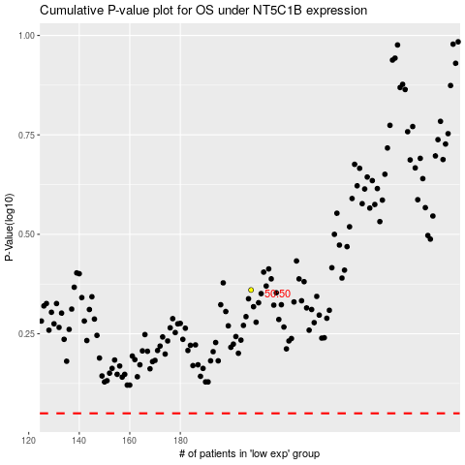

 |  |  |  |  |  | cases_OS | p_OS | rank | exp
 |  |  |  |  |  |  | cases_RFS | p_RFS | rank | exp

