NT5C2 _multivariate
Reported by Tex Li-Hsing Chi. tex@gate.sinica.edu.tw 2019-08-17

Table 2. The clinicopathological features of HNSCC cohort and NT5C2 expression. (Chi square test)
Cutoff at -0.262 (50.0%)
 |  | NT5C2 expression |  | NT5C2 expression |  | (Optimised)
 | Features | Low | (%) | High | (%) | Case no | P-value | Remark | Matthews
Gender | Female | 160 | 38.6 | 146 | 35.2 | 415 | 0.1254 | 0 | 0
2 | Male | 47 | 11.3 | 62 | 14.9
Age at diagnosis | <=65y | 140 | 33.7 | 134 | 32.3 | 415 | 0.5574 | 0 | 0
4 | >65y | 67 | 16.1 | 74 | 17.8
Clinical T Status | T1+T2 | 67 | 16.1 | 82 | 19.8 | 415 | 0.1628 | 0 | 0
6 | T3+T4 | 140 | 33.7 | 126 | 30.4
Clinical N Status | N0 | 109 | 26.3 | 107 | 25.8 | 415 | 0.8812 | 0 | 0
8 | N1-3 | 98 | 23.6 | 101 | 24.3
Clinical M Status | M0 | 206 | 49.6 | 206 | 49.6 | 415 | 1 | 0 | 0
10 | M1 | 1 | 0.2 | 2 | 0.5
Clinical Stage | Stage I+II | 46 | 11.1 | 56 | 13.5 | 415 | 0.3182 | 0 | 0
12 | Stage III+IV | 161 | 38.8 | 152 | 36.6
Surgical Margin status | Negative | 161 | 38.8 | 157 | 37.8 | 415 | 0.6429 | 0 | 0
14 | Positive | 46 | 11.1 | 51 | 12.3
Tobacco Exposure | Low | 66 | 15.9 | 95 | 22.9 | 415 | 0.0048 | 1 | 0
16 | High | 141 | 34 | 113 | 27.2

Table 3. Univariate/Multivariate Cox's proportional hazards regression analyses on OS time of NT5C2 gene expression in HNSCC

 |  | Univariate |  |  |  | Multivariate
 | Features | HR | CI95%(L) | CI95%(H) | P-value | HR | CI95%(L) | CI95%(H) | P-value
1 | Female | 1 |  |  |  | 1
Gender | Male | 1.157 | 0.843 | 1.587 | 0.367 | 1.234 | 0.881 | 1.728 | 0.222
11 | <=65y | 1 |  |  |  | 1
Age at diagnosis | >65y | 1.329 | 0.99 | 1.784 | 0.058 | 1.383 | 1.017 | 1.88 | 0.039
12 | T1+T2 | 1 |  |  |  | 1
Clinical T Status | T3+T4 | 1.409 | 1.028 | 1.931 | 0.033 | 2.157 | 1.141 | 4.076 | 0.018
13 | N0 | 1 |  |  |  | 1
Clinical N Status | N1-3 | 1.185 | 0.89 | 1.577 | 0.246 | 1.249 | 0.876 | 1.782 | 0.219
14 | M0 | 1 |  |  |  | 1
Clinical M Status | M1 | 4.097 | 1.009 | 16.644 | 0.049 | 9.548 | 2.083 | 43.762 | 0.004
15 | Stage I+II | 1 |  |  |  | 1
Clinical Stage | Stage III+IV | 1.245 | 0.882 | 1.759 | 0.213 | 0.504 | 0.235 | 1.08 | 0.078
16 | Negative | 1 |  |  |  | 1
Surgical Margin status | Positive | 1.591 | 1.155 | 2.191 | 0.004 | 1.67 | 1.209 | 2.306 | 0.002
17 | Low | 1 |  |  |  | 1
Tobacco Exposure | High | 1.364 | 1.008 | 1.844 | 0.044 | 1.427 | 1.035 | 1.97 | 0.03
18 | Low | 1 |  |  |  | 1
RNAseq(z-score) | High | 0.773 | 0.58 | 1.03 | 0.079 | 0.788 | 0.589 | 1.055 | 0.11

Table 4. Univariate/Multivariate Cox's proportional hazards regression analyses on RFS time of NT5C2 gene expression in HNSCC

 |  | Univariate |  |  |  | Multivariate
 | Features | HR | CI95%(L) | CI95%(H) | P-value | HR | CI95%(L) | CI95%(H) | P-value
1 | Female | 1 |  |  |  | 1
Gender | Male | 1.157 | 0.843 | 1.587 | 0.367 | 1.234 | 0.881 | 1.728 | 0.222
11 | <=65y | 1 |  |  |  | 1
Age at diagnosis | >65y | 1.329 | 0.99 | 1.784 | 0.058 | 1.383 | 1.017 | 1.88 | 0.039
12 | T1+T2 | 1 |  |  |  | 1
Clinical T Status | T3+T4 | 1.409 | 1.028 | 1.931 | 0.033 | 2.157 | 1.141 | 4.076 | 0.018
13 | N0 | 1 |  |  |  | 1
Clinical N Status | N1-3 | 1.185 | 0.89 | 1.577 | 0.246 | 1.249 | 0.876 | 1.782 | 0.219
14 | M0 | 1 |  |  |  | 1
Clinical M Status | M1 | 4.097 | 1.009 | 16.644 | 0.049 | 9.548 | 2.083 | 43.762 | 0.004
15 | Stage I+II | 1 |  |  |  | 1
Clinical Stage | Stage III+IV | 1.245 | 0.882 | 1.759 | 0.213 | 0.504 | 0.235 | 1.08 | 0.078
16 | Negative | 1 |  |  |  | 1
Surgical Margin status | Positive | 1.591 | 1.155 | 2.191 | 0.004 | 1.67 | 1.209 | 2.306 | 0.002
17 | Low | 1 |  |  |  | 1
Tobacco Exposure | High | 1.364 | 1.008 | 1.844 | 0.044 | 1.427 | 1.035 | 1.97 | 0.03
18 | Low | 1 |  |  |  | 1
RNAseq(z-score) | High | 0.773 | 0.58 | 1.03 | 0.079 | 0.788 | 0.589 | 1.055 | 0.11

Kaplan-Meier survival estimate: Cutoff at -0.262 (50.0%)



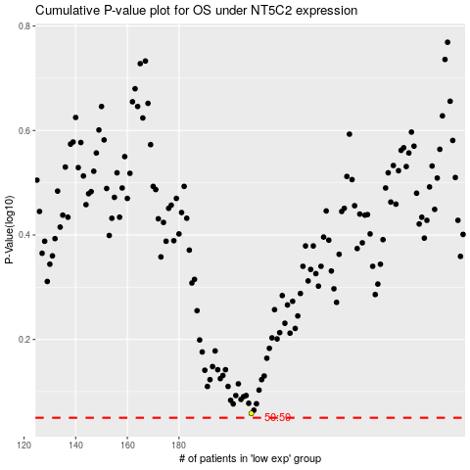

 |  |  |  |  |  | cases_OS | p_OS | rank | exp
 |  |  |  |  |  |  | cases_RFS | p_RFS | rank | exp

