NT5C3L _multivariate
Reported by Tex Li-Hsing Chi. tex@gate.sinica.edu.tw 2019-08-17

Table 2. The clinicopathological features of HNSCC cohort and NT5C3L expression. (Chi square test)
Cutoff at -0.177 (49.8%)
 |  | NT5C3L expression |  | NT5C3L expression |  | (Optimised)
 | Features | Low | (%) | High | (%) | Case no | P-value | Remark | Matthews
Gender | Female | 145 | 34.9 | 161 | 38.8 | 415 | 0.1116 | 0 | 0
2 | Male | 62 | 14.9 | 47 | 11.3
Age at diagnosis | <=65y | 141 | 34 | 133 | 32 | 415 | 0.4272 | 0 | 0
4 | >65y | 66 | 15.9 | 75 | 18.1
Clinical T Status | T1+T2 | 85 | 20.5 | 64 | 15.4 | 415 | 0.0372 | 1 | 0
6 | T3+T4 | 122 | 29.4 | 144 | 34.7
Clinical N Status | N0 | 106 | 25.5 | 110 | 26.5 | 415 | 0.8075 | 0 | 0
8 | N1-3 | 101 | 24.3 | 98 | 23.6
Clinical M Status | M0 | 207 | 49.9 | 205 | 49.4 | 415 | 0.2482 | 0 | 0
10 | M1 | 0 | 0 | 3 | 0.7
Clinical Stage | Stage I+II | 58 | 14 | 44 | 10.6 | 415 | 0.131 | 0 | 0
12 | Stage III+IV | 149 | 35.9 | 164 | 39.5
Surgical Margin status | Negative | 160 | 38.6 | 158 | 38.1 | 415 | 0.8167 | 0 | 0
14 | Positive | 47 | 11.3 | 50 | 12
Tobacco Exposure | Low | 100 | 24.1 | 61 | 14.7 | 415 | 1e-04 | 1 | 0
16 | High | 107 | 25.8 | 147 | 35.4

Table 3. Univariate/Multivariate Cox's proportional hazards regression analyses on OS time of NT5C3L gene expression in HNSCC

 |  | Univariate |  |  |  | Multivariate
 | Features | HR | CI95%(L) | CI95%(H) | P-value | HR | CI95%(L) | CI95%(H) | P-value
1 | Female | 1 |  |  |  | 1
Gender | Male | 1.157 | 0.843 | 1.587 | 0.367 | 1.177 | 0.842 | 1.646 | 0.34
11 | <=65y | 1 |  |  |  | 1
Age at diagnosis | >65y | 1.329 | 0.99 | 1.784 | 0.058 | 1.404 | 1.032 | 1.91 | 0.031
12 | T1+T2 | 1 |  |  |  | 1
Clinical T Status | T3+T4 | 1.409 | 1.028 | 1.931 | 0.033 | 2.26 | 1.193 | 4.282 | 0.012
13 | N0 | 1 |  |  |  | 1
Clinical N Status | N1-3 | 1.185 | 0.89 | 1.577 | 0.246 | 1.23 | 0.862 | 1.755 | 0.254
14 | M0 | 1 |  |  |  | 1
Clinical M Status | M1 | 4.097 | 1.009 | 16.644 | 0.049 | 10.665 | 2.297 | 49.516 | 0.003
15 | Stage I+II | 1 |  |  |  | 1
Clinical Stage | Stage III+IV | 1.245 | 0.882 | 1.759 | 0.213 | 0.5 | 0.233 | 1.074 | 0.076
16 | Negative | 1 |  |  |  | 1
Surgical Margin status | Positive | 1.591 | 1.155 | 2.191 | 0.004 | 1.695 | 1.225 | 2.344 | 0.001
17 | Low | 1 |  |  |  | 1
Tobacco Exposure | High | 1.364 | 1.008 | 1.844 | 0.044 | 1.513 | 1.092 | 2.097 | 0.013
18 | Low | 1 |  |  |  | 1
RNAseq(z-score) | High | 0.945 | 0.709 | 1.261 | 0.702 | 0.82 | 0.607 | 1.108 | 0.196

Table 4. Univariate/Multivariate Cox's proportional hazards regression analyses on RFS time of NT5C3L gene expression in HNSCC

 |  | Univariate |  |  |  | Multivariate
 | Features | HR | CI95%(L) | CI95%(H) | P-value | HR | CI95%(L) | CI95%(H) | P-value
1 | Female | 1 |  |  |  | 1
Gender | Male | 1.157 | 0.843 | 1.587 | 0.367 | 1.177 | 0.842 | 1.646 | 0.34
11 | <=65y | 1 |  |  |  | 1
Age at diagnosis | >65y | 1.329 | 0.99 | 1.784 | 0.058 | 1.404 | 1.032 | 1.91 | 0.031
12 | T1+T2 | 1 |  |  |  | 1
Clinical T Status | T3+T4 | 1.409 | 1.028 | 1.931 | 0.033 | 2.26 | 1.193 | 4.282 | 0.012
13 | N0 | 1 |  |  |  | 1
Clinical N Status | N1-3 | 1.185 | 0.89 | 1.577 | 0.246 | 1.23 | 0.862 | 1.755 | 0.254
14 | M0 | 1 |  |  |  | 1
Clinical M Status | M1 | 4.097 | 1.009 | 16.644 | 0.049 | 10.665 | 2.297 | 49.516 | 0.003
15 | Stage I+II | 1 |  |  |  | 1
Clinical Stage | Stage III+IV | 1.245 | 0.882 | 1.759 | 0.213 | 0.5 | 0.233 | 1.074 | 0.076
16 | Negative | 1 |  |  |  | 1
Surgical Margin status | Positive | 1.591 | 1.155 | 2.191 | 0.004 | 1.695 | 1.225 | 2.344 | 0.001
17 | Low | 1 |  |  |  | 1
Tobacco Exposure | High | 1.364 | 1.008 | 1.844 | 0.044 | 1.513 | 1.092 | 2.097 | 0.013
18 | Low | 1 |  |  |  | 1
RNAseq(z-score) | High | 0.945 | 0.709 | 1.261 | 0.702 | 0.82 | 0.607 | 1.108 | 0.196

Kaplan-Meier survival estimate: Cutoff at -0.177 (49.8%)



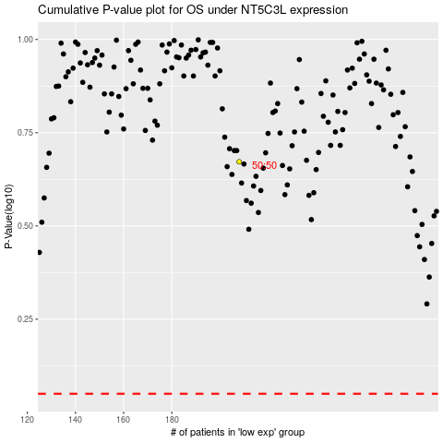

 |  |  |  |  |  | cases_OS | p_OS | rank | exp
 |  |  |  |  |  |  | cases_RFS | p_RFS | rank | exp

