NTAN1 _multivariate
Reported by Tex Li-Hsing Chi. tex@gate.sinica.edu.tw 2019-08-17

Table 2. The clinicopathological features of HNSCC cohort and NTAN1 expression. (Chi square test)
Cutoff at -0.106 (50.0%)
 |  | NTAN1 expression |  | NTAN1 expression |  | (Optimised)
 | Features | Low | (%) | High | (%) | Case no | P-value | Remark | Matthews
Gender | Female | 157 | 37.8 | 149 | 35.9 | 415 | 0.3881 | 0 | 0
2 | Male | 50 | 12 | 59 | 14.2
Age at diagnosis | <=65y | 131 | 31.6 | 143 | 34.5 | 415 | 0.2839 | 0 | 0
4 | >65y | 76 | 18.3 | 65 | 15.7
Clinical T Status | T1+T2 | 70 | 16.9 | 79 | 19 | 415 | 0.4343 | 0 | 0
6 | T3+T4 | 137 | 33 | 129 | 31.1
Clinical N Status | N0 | 112 | 27 | 104 | 25.1 | 415 | 0.4599 | 0 | 0
8 | N1-3 | 95 | 22.9 | 104 | 25.1
Clinical M Status | M0 | 206 | 49.6 | 206 | 49.6 | 415 | 1 | 0 | 0
10 | M1 | 1 | 0.2 | 2 | 0.5
Clinical Stage | Stage I+II | 45 | 10.8 | 57 | 13.7 | 415 | 0.2202 | 0 | 0
12 | Stage III+IV | 162 | 39 | 151 | 36.4
Surgical Margin status | Negative | 159 | 38.3 | 159 | 38.3 | 415 | 1 | 0 | 0
14 | Positive | 48 | 11.6 | 49 | 11.8
Tobacco Exposure | Low | 70 | 16.9 | 91 | 21.9 | 415 | 0.0439 | 1 | 0
16 | High | 137 | 33 | 117 | 28.2

Table 3. Univariate/Multivariate Cox's proportional hazards regression analyses on OS time of NTAN1 gene expression in HNSCC

 |  | Univariate |  |  |  | Multivariate
 | Features | HR | CI95%(L) | CI95%(H) | P-value | HR | CI95%(L) | CI95%(H) | P-value
1 | Female | 1 |  |  |  | 1
Gender | Male | 1.157 | 0.843 | 1.587 | 0.367 | 1.172 | 0.837 | 1.641 | 0.355
11 | <=65y | 1 |  |  |  | 1
Age at diagnosis | >65y | 1.329 | 0.99 | 1.784 | 0.058 | 1.43 | 1.047 | 1.952 | 0.024
12 | T1+T2 | 1 |  |  |  | 1
Clinical T Status | T3+T4 | 1.409 | 1.028 | 1.931 | 0.033 | 2.205 | 1.166 | 4.168 | 0.015
13 | N0 | 1 |  |  |  | 1
Clinical N Status | N1-3 | 1.185 | 0.89 | 1.577 | 0.246 | 1.242 | 0.871 | 1.773 | 0.232
14 | M0 | 1 |  |  |  | 1
Clinical M Status | M1 | 4.097 | 1.009 | 16.644 | 0.049 | 8.919 | 1.939 | 41.02 | 0.005
15 | Stage I+II | 1 |  |  |  | 1
Clinical Stage | Stage III+IV | 1.245 | 0.882 | 1.759 | 0.213 | 0.512 | 0.238 | 1.099 | 0.086
16 | Negative | 1 |  |  |  | 1
Surgical Margin status | Positive | 1.591 | 1.155 | 2.191 | 0.004 | 1.667 | 1.206 | 2.304 | 0.002
17 | Low | 1 |  |  |  | 1
Tobacco Exposure | High | 1.364 | 1.008 | 1.844 | 0.044 | 1.484 | 1.075 | 2.049 | 0.017
18 | Low | 1 |  |  |  | 1
RNAseq(z-score) | High | 1.1 | 0.822 | 1.472 | 0.522 | 1.179 | 0.871 | 1.595 | 0.287

Table 4. Univariate/Multivariate Cox's proportional hazards regression analyses on RFS time of NTAN1 gene expression in HNSCC

 |  | Univariate |  |  |  | Multivariate
 | Features | HR | CI95%(L) | CI95%(H) | P-value | HR | CI95%(L) | CI95%(H) | P-value
1 | Female | 1 |  |  |  | 1
Gender | Male | 1.157 | 0.843 | 1.587 | 0.367 | 1.172 | 0.837 | 1.641 | 0.355
11 | <=65y | 1 |  |  |  | 1
Age at diagnosis | >65y | 1.329 | 0.99 | 1.784 | 0.058 | 1.43 | 1.047 | 1.952 | 0.024
12 | T1+T2 | 1 |  |  |  | 1
Clinical T Status | T3+T4 | 1.409 | 1.028 | 1.931 | 0.033 | 2.205 | 1.166 | 4.168 | 0.015
13 | N0 | 1 |  |  |  | 1
Clinical N Status | N1-3 | 1.185 | 0.89 | 1.577 | 0.246 | 1.242 | 0.871 | 1.773 | 0.232
14 | M0 | 1 |  |  |  | 1
Clinical M Status | M1 | 4.097 | 1.009 | 16.644 | 0.049 | 8.919 | 1.939 | 41.02 | 0.005
15 | Stage I+II | 1 |  |  |  | 1
Clinical Stage | Stage III+IV | 1.245 | 0.882 | 1.759 | 0.213 | 0.512 | 0.238 | 1.099 | 0.086
16 | Negative | 1 |  |  |  | 1
Surgical Margin status | Positive | 1.591 | 1.155 | 2.191 | 0.004 | 1.667 | 1.206 | 2.304 | 0.002
17 | Low | 1 |  |  |  | 1
Tobacco Exposure | High | 1.364 | 1.008 | 1.844 | 0.044 | 1.484 | 1.075 | 2.049 | 0.017
18 | Low | 1 |  |  |  | 1
RNAseq(z-score) | High | 1.1 | 0.822 | 1.472 | 0.522 | 1.179 | 0.871 | 1.595 | 0.287

Kaplan-Meier survival estimate: Cutoff at -0.106 (50.0%)



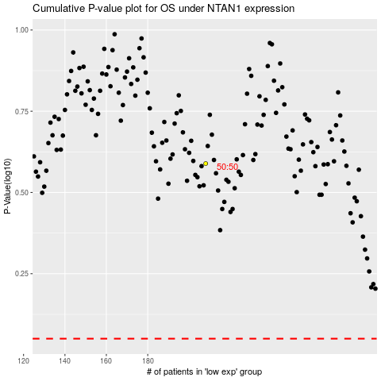

 |  |  |  |  |  | cases_OS | p_OS | rank | exp
 |  |  |  |  |  |  | cases_RFS | p_RFS | rank | exp

